Introduction

Eclipses Abacus can be used to predict the date of solar and lunar eclipses in a relative accurate way. A three-dimensional (3D) model of this mechanical device is created by using Solid Works application and the simulation of its operation is accomplished by which the accuracy of its predictions can be demonstrated and inspected. This spreadsheet shows both the gear train and allopws for simulating the eclipse predictions.

 | Compiled by: Anton Viola (Astronomy Morsels). | Email

 | Latest update: 11th May, 2019. | V1.0

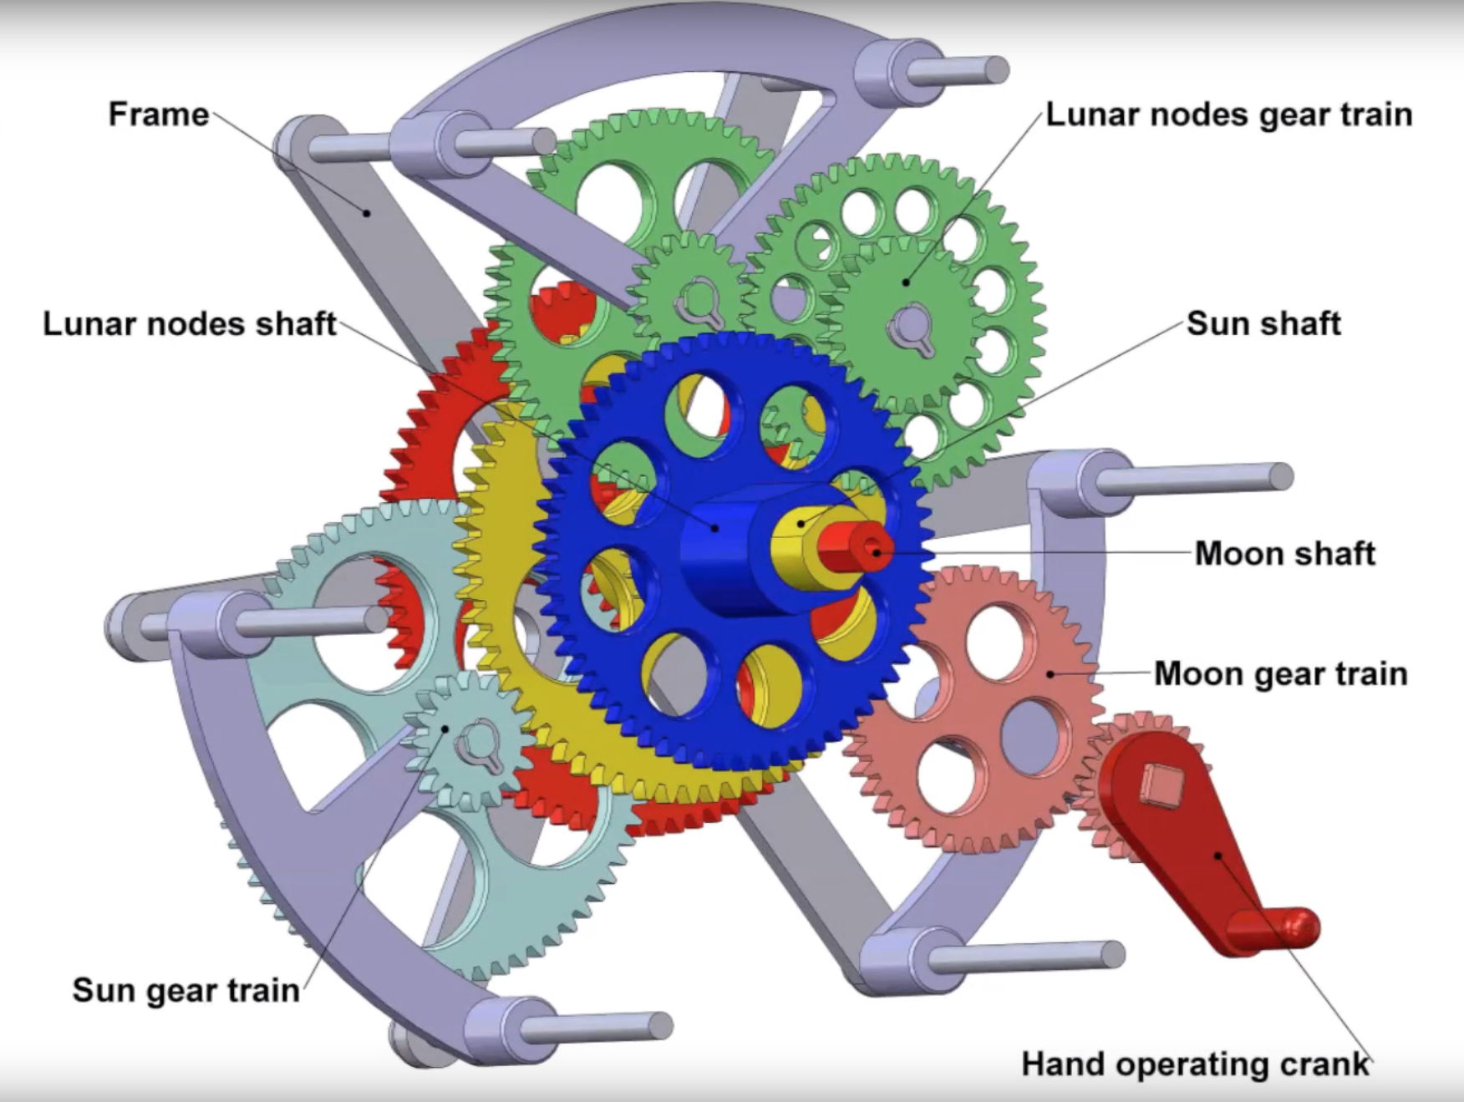

All Rights Reserved: © Astronomy Morsels.
I'm solely responsible for the input and express no warranty. Use at your own risk.
Nonetheless, this spreadsheet has been carefully reviewed, and calculation results have been compared with other applications.

Eclipse Prediction
 |  | Input
 | Delta (days) | 100.000

 |  |  |  |  |  |  |  | Pointer | Angle | Position | Differences | Values
 |  |  |  |  |  |  |  | Lunar pointer | 316.639 | Q4 | delta (Le-Se) | 180.000
 |  |  |  |  |  |  |  | Solar pointer | 136.639 | Q2
 |  |  |  |  |  |  |  | Lunar pointer | 316.639 | Q4 | delta (Le-S) | 165.078
 |  |  |  |  |  |  |  | Sun | 151.561 | Q2
 |  |  |  |  |  |  |  | Solar pointer | 136.639 | Q2 | delta (Se-S) | 14.922
 |  |  |  |  |  |  |  | Sun | 151.561 | Q2

 |  |  |  |  |  |  |  |  |  |  | 1.00
 |  |  |  |  |  |  |  |  |  |  | Moon position
 |  |  |  |  |  |  |  |  |  |  | New Moon? | Full Moon?
 |  |  |  |  |  |  |  |  | Solar boundaries |  | N | N
 |  |  |  |  |  |  |  | 15.38 | Inside inner? | N | - | x
 |  |  |  |  |  |  |  | 18.58 | Inside outer? | N | - | x
 |  |  |  |  |  |  |  | 9.50 | Inside inner? | N | x | -
 |  |  |  |  |  |  |  | 12.25 | Inside outer? | N | x | -
 |  |  |  |  |  |  |  |  | Lunar boundaries

 |  |  |  |  |  |  |  | Pointer | Angle offset | Radius
 |  |  |  |  |  |  |  | Lunar/solar | 79.00 | 0.50
 |  |  |  |  |  |  |  | Sun | 53.00 | 1.00
 |  |  |  |  |  |  |  | Lunar nodes | 40.00 | 2.00
 |  |  |  |  |  |  |  | Perigee-Apogee | 0.00 | 0.50

Calculations
 |  |  |  |  |  |  |  |  |  |  |  |  |  |  |  |  |  | 2
Data copied from 'Abacus (Model)' |  | Scaled values |  |  |  |  |  |  |  |  |  | Angles | x | y | Check 1 | Check 2 | Outcome |  |  | Earth-Moon
 | angle | r | offset (angle) | offset (x) | offset (y) | x | y |  |  |  | Sun vector | 151.56 | -0.88 | 0.48 | - | - |  | angle | x | y
Lunar eclipse pointer | 237.64 | 0.50 | 79.00 | -0.88 | 0.48 | -0.52 | 0.13 |  |  |  | Solar outer (1) | 16.12 | 0.96 | 0.28 | -0.702 | 0.990 | N | 0 | 2.00 | 0.00
 |  |  |  |  |  | -0.88 | 0.48 |  |  |  |  | 53.28 | 0.60 | 0.80 |  |  |  | 5 | 1.99 | 0.17
Solar eclipse pointer |  |  |  |  |  | -1.24 | 0.82 |  |  |  | Solar outer (2) | 196.12 | -0.96 | -0.28 | 0.702 | -0.990 | N | 10 | 1.97 | 0.35
 |  |  |  |  |  | -0.88 | 0.48 |  |  |  |  | 233.28 | -0.60 | -0.80 |  |  |  | 15 | 1.93 | 0.52
Sun pointer | 98.56 | 1.00 | 53.00 | 0.00 | 0.00 | -0.88 | 0.48 |  |  |  | Solar inner (1) | 19.32 | 0.94 | 0.33 | -0.740 | 0.980 | N | 20 | 1.88 | 0.68
 |  |  |  |  |  | 0.00 | 0.00 |  |  |  |  | 50.08 | 0.64 | 0.77 |  |  |  | 25 | 1.81 | 0.85
Perigee pointer | 150 | 0.50 | 0.00 | -0.88 | 0.48 | -1.31 | 0.73 |  |  |  | Solar inner (2) | 199.32 | -0.94 | -0.33 | 0.740 | -0.980 | N | 30 | 1.73 | 1.00
 |  |  |  |  |  | -0.88 | 0.48 |  |  |  |  | 230.08 | -0.64 | -0.77 |  |  |  | 35 | 1.64 | 1.15
LN-sun pointer (l1-h) | 354.70 | 2.00 | 58.58 | 0.00 | 0.00 | 1.20 | 1.60 | sun-l-h | 18.58 |  | Lunar outer (1) | 22.45 | 0.92 | 0.38 | -0.776 | 0.968 | N | 40 | 1.53 | 1.29
 |  |  |  |  |  | 0.00 | 0.00 |  |  |  |  | 46.95 | 0.68 | 0.73 |  |  |  | 45 | 1.41 | 1.41
LN-sun pointer (l1-l) | 354.70 | 2.00 | 55.38 | 0.00 | 0.00 | 1.28 | 1.53 | sun-l-l | 15.38 |  | Lunar outer (2) | 202.45 | -0.92 | -0.38 | 0.776 | -0.968 | N | 50 | 1.29 | 1.53
 |  |  |  |  |  | 0.00 | 0.00 |  |  |  |  | 226.95 | -0.68 | -0.73 |  |  |  | 55 | 1.15 | 1.64
LN-moon pointer (l1-h) | 354.70 | 2.00 | 52.25 | 0.00 | 0.00 | 1.37 | 1.46 | moon-h-l | 12.25 |  | Lunar inner (1) | 25.20 | 0.90 | 0.43 | -0.805 | 0.954 | N | 60 | 1.00 | 1.73
 |  |  |  |  |  | 0.00 | 0.00 |  |  |  |  | 44.20 | 0.72 | 0.70 |  |  |  | 65 | 0.85 | 1.81
LN-moon pointer (l1-l) | 354.70 | 2.00 | 49.50 | 0.00 | 0.00 | 1.43 | 1.39 | moon-l-l | 9.50 |  | Lunar inner (2) | 205.20 | -0.90 | -0.43 | 0.805 | -0.954 | N | 70 | 0.68 | 1.88
 |  |  |  |  |  | 0.00 | 0.00 |  |  |  |  | 224.20 | -0.72 | -0.70 |  |  |  | 75 | 0.52 | 1.93
LN-sun pointer (l2-h) | 354.70 | 2.00 | 21.42 | 0.00 | 0.00 | 1.92 | 0.56 | sun-r-h | -18.58 |  |  |  |  |  |  |  |  | 80 | 0.35 | 1.97
 |  |  |  |  |  | 0.00 | 0.00 |  |  |  | Check to see if N (= Sun vector) lies between two other vectors A and B (solar and lunar boundaries): |  |  |  |  |  |  | 85 | 0.17 | 1.99
LN-sun pointer (l2-l) | 354.70 | 2.00 | 24.62 | 0.00 | 0.00 | 1.89 | 0.66 | sun-r-l | -15.38 |  | 1. AxN and NxB have same sign (AxN = Ay*Nx-Ax*Ny). |  |  |  |  |  |  | 90 | 0.00 | 2.00
 |  |  |  |  |  | 0.00 | 0.00 |  |  |  |  |  |  |  |  |  |  | 95 | -0.17 | 1.99
LN-moon pointer (l2-h) | 354.70 | 2.00 | 27.75 | 0.00 | 0.00 | 1.85 | 0.76 | moon-r-l | -12.25 |  |  |  |  |  |  |  |  | 100 | -0.35 | 1.97
 |  |  |  |  |  | 0.00 | 0.00 |  |  |  |  |  |  |  |  |  |  | 105 | -0.52 | 1.93
LN-moon pointer (l2-l) | 354.70 | 2.00 | 30.50 | 0.00 | 0.00 | 1.81 | 0.85 | moon-r-l | -9.50 |  |  |  |  |  |  |  |  | 110 | -0.68 | 1.88
 |  |  |  |  |  | 0.00 | 0.00 |  |  |  |  |  |  |  |  |  |  | 115 | -0.85 | 1.81
LN-sun pointer (l3-h) | 354.70 | 2.00 | 238.58 | 0.00 | 0.00 | -1.20 | -1.60 | sun-l-h | 18.58 |  |  |  |  |  |  |  |  | 120 | -1.00 | 1.73
 |  |  |  |  |  | 0.00 | 0.00 |  |  |  |  |  |  |  |  |  |  | 125 | -1.15 | 1.64
LN-sun pointer (l3-l) | 354.70 | 2.00 | 235.38 | 0.00 | 0.00 | -1.28 | -1.53 | sun-l-l | 15.38 |  |  |  |  |  |  |  |  | 130 | -1.29 | 1.53
 |  |  |  |  |  | 0.00 | 0.00 |  |  |  |  |  |  |  |  |  |  | 135 | -1.41 | 1.41
LN-moon pointer (l3-h) | 354.70 | 2.00 | 232.25 | 0.00 | 0.00 | -1.37 | -1.46 | moon-h-l | 12.25 |  |  |  |  |  |  |  |  | 140 | -1.53 | 1.29
 |  |  |  |  |  | 0.00 | 0.00 |  |  |  |  |  |  |  |  |  |  | 145 | -1.64 | 1.15
LN-moon pointer (l3-l) | 354.70 | 2.00 | 229.50 | 0.00 | 0.00 | -1.43 | -1.39 | moon-l-l | 9.50 |  |  |  |  |  |  |  |  | 150 | -1.73 | 1.00
 |  |  |  |  |  | 0.00 | 0.00 |  |  |  |  |  |  |  |  |  |  | 155 | -1.81 | 0.85
LN-sun pointer (l4-h) | 354.70 | 2.00 | 201.42 | 0.00 | 0.00 | -1.92 | -0.56 | sun-r-h | -18.58 |  |  |  |  |  |  |  |  | 160 | -1.88 | 0.68
 |  |  |  |  |  | 0.00 | 0.00 |  |  |  |  |  |  |  |  |  |  | 165 | -1.93 | 0.52
LN-sun pointer (l4-l) | 354.70 | 2.00 | 204.62 | 0.00 | 0.00 | -1.89 | -0.66 | sun-r-l | -15.38 |  |  |  |  |  |  |  |  | 170 | -1.97 | 0.35
 |  |  |  |  |  | 0.00 | 0.00 |  |  |  |  |  |  |  |  |  |  | 175 | -1.99 | 0.17
LN-moon pointer (l4-h) | 354.70 | 2.00 | 207.75 | 0.00 | 0.00 | -1.85 | -0.76 | moon-r-l | -12.25 |  |  |  |  |  |  |  |  | 180 | -2.00 | 0.00
 |  |  |  |  |  | 0.00 | 0.00 |  |  |  |  |  |  |  |  |  |  | 185 | -1.99 | -0.17
LN-moon pointer (l4-l) | 354.70 | 2.00 | 210.50 | 0.00 | 0.00 | -1.81 | -0.85 | moon-r-l | -9.50 |  |  |  |  |  |  |  |  | 190 | -1.97 | -0.35
 |  |  |  |  |  | 0.00 | 0.00 |  |  |  |  |  |  |  |  |  |  | 195 | -1.93 | -0.52
 |  |  |  |  |  |  |  |  |  |  |  |  |  |  |  |  |  | 200 | -1.88 | -0.68
 |  |  |  |  |  |  |  |  |  |  |  |  |  |  |  |  |  | 205 | -1.81 | -0.85
 |  |  |  |  |  |  |  |  |  |  |  |  |  |  |  |  |  | 210 | -1.73 | -1.00
 |  |  |  |  |  |  |  |  |  |  |  |  |  |  |  |  |  | 215 | -1.64 | -1.15
 |  |  |  |  |  |  |  |  |  |  |  |  |  |  |  |  |  | 220 | -1.53 | -1.29
 |  |  |  |  |  |  |  |  |  |  |  |  |  |  |  |  |  | 225 | -1.41 | -1.41
 |  |  |  |  |  |  |  |  |  |  |  |  |  |  |  |  |  | 230 | -1.29 | -1.53
 |  |  |  |  |  |  |  |  |  |  |  |  |  |  |  |  |  | 235 | -1.15 | -1.64
 |  |  |  |  |  |  |  |  |  |  |  |  |  |  |  |  |  | 240 | -1.00 | -1.73
 |  |  |  |  |  |  |  |  |  |  |  |  |  |  |  |  |  | 245 | -0.85 | -1.81
 |  |  |  |  |  |  |  |  |  |  |  |  |  |  |  |  |  | 250 | -0.68 | -1.88
 |  |  |  |  |  |  |  |  |  |  |  |  |  |  |  |  |  | 255 | -0.52 | -1.93
 |  |  |  |  |  |  |  |  |  |  |  |  |  |  |  |  |  | 260 | -0.35 | -1.97
 |  |  |  |  |  |  |  |  |  |  |  |  |  |  |  |  |  | 265 | -0.17 | -1.99
 |  |  |  |  |  |  |  |  |  |  |  |  |  |  |  |  |  | 270 | 0.00 | -2.00
 |  |  |  |  |  |  |  |  |  |  |  |  |  |  |  |  |  | 275 | 0.17 | -1.99
 |  |  |  |  |  |  |  |  |  |  |  |  |  |  |  |  |  | 280 | 0.35 | -1.97
 |  |  |  |  |  |  |  |  |  |  |  |  |  |  |  |  |  | 285 | 0.52 | -1.93
 |  |  |  |  |  |  |  |  |  |  |  |  |  |  |  |  |  | 290 | 0.68 | -1.88
 |  |  |  |  |  |  |  |  |  |  |  |  |  |  |  |  |  | 295 | 0.85 | -1.81
 |  |  |  |  |  |  |  |  |  |  |  |  |  |  |  |  |  | 300 | 1.00 | -1.73
 |  |  |  |  |  |  |  |  |  |  |  |  |  |  |  |  |  | 305 | 1.15 | -1.64
 |  |  |  |  |  |  |  |  |  |  |  |  |  |  |  |  |  | 310 | 1.29 | -1.53
 |  |  |  |  |  |  |  |  |  |  |  |  |  |  |  |  |  | 315 | 1.41 | -1.41
 |  |  |  |  |  |  |  |  |  |  |  |  |  |  |  |  |  | 320 | 1.53 | -1.29
 |  |  |  |  |  |  |  |  |  |  |  |  |  |  |  |  |  | 325 | 1.64 | -1.15
 |  |  |  |  |  |  |  |  |  |  |  |  |  |  |  |  |  | 330 | 1.73 | -1.00
 |  |  |  |  |  |  |  |  |  |  |  |  |  |  |  |  |  | 335 | 1.81 | -0.85
 |  |  |  |  |  |  |  |  |  |  |  |  |  |  |  |  |  | 340 | 1.88 | -0.68
 |  |  |  |  |  |  |  |  |  |  |  |  |  |  |  |  |  | 345 | 1.93 | -0.52
 |  |  |  |  |  |  |  |  |  |  |  |  |  |  |  |  |  | 350 | 1.97 | -0.35
 |  |  |  |  |  |  |  |  |  |  |  |  |  |  |  |  |  | 355 | 1.99 | -0.17
 |  |  |  |  |  |  |  |  |  |  |  |  |  |  |  |  |  | 360 | 2.00 | 0.00

Background
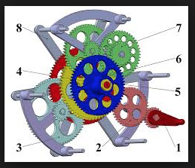
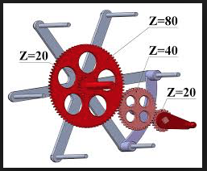
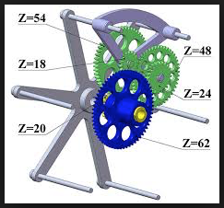
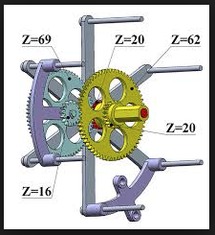
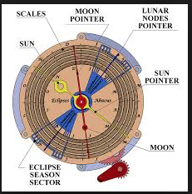
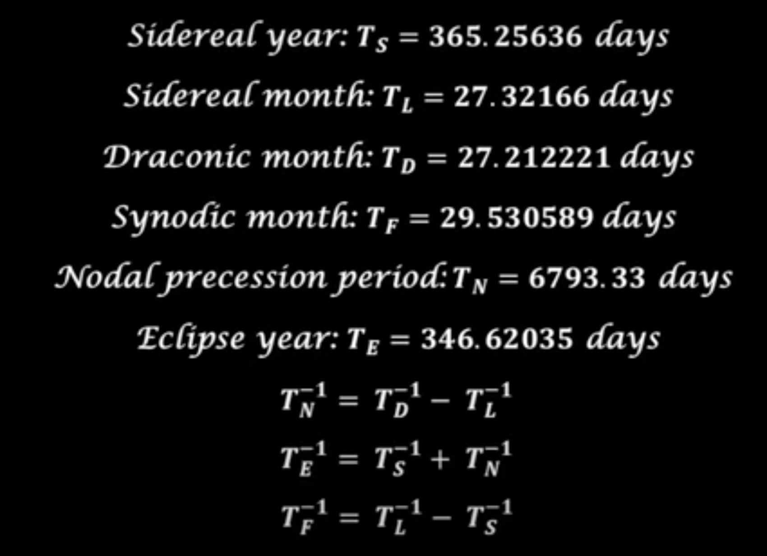
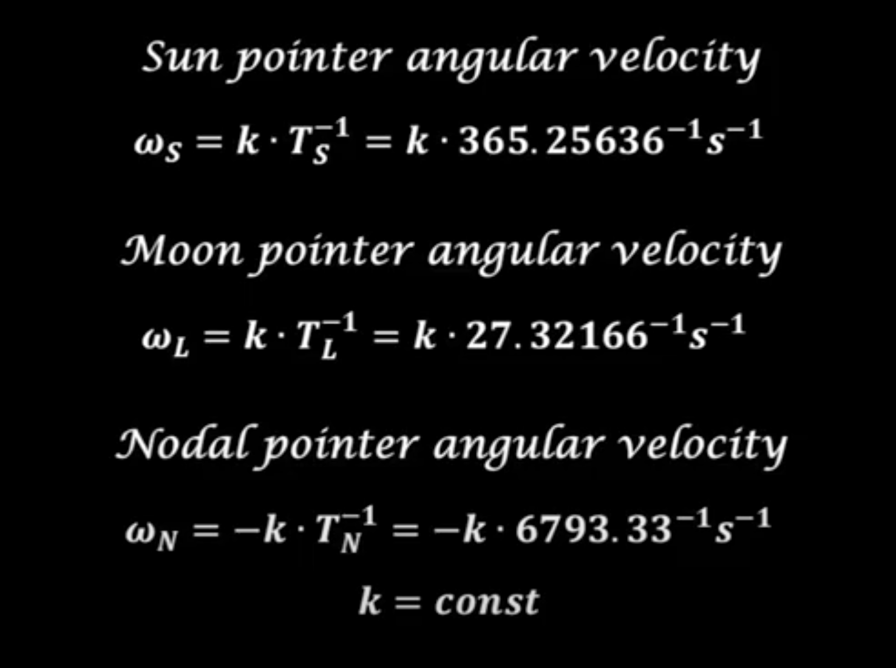
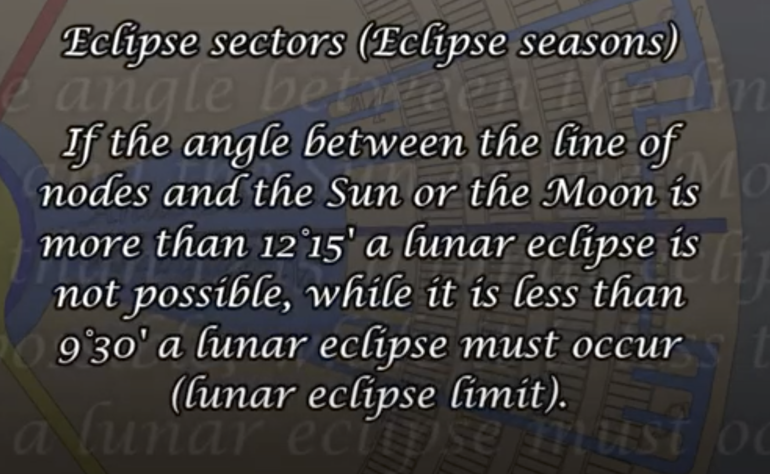
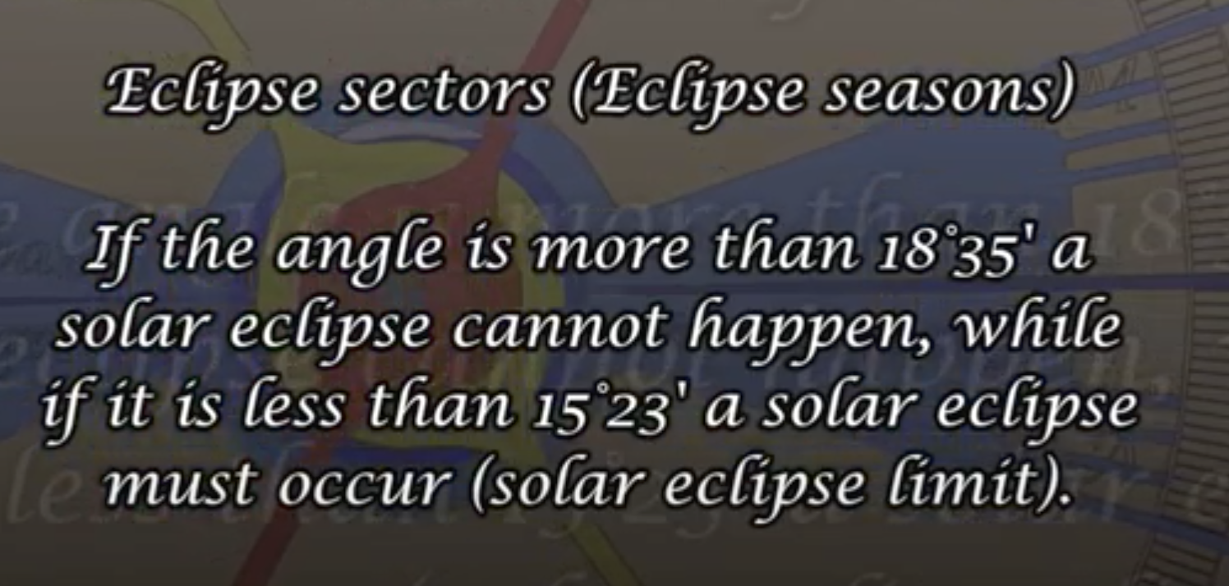
References:
https://www.youtube.com/watch?v=xU38aNUSCJk
https://journals.sagepub.com/doi/abs/10.1177/0037549718798040?journalCode=simb

 | Value | F (= 1/T) | Check
 |  |  | 1/Tn = 1/Td - 1/Tl
Tn | 6793.33 | 0.00014720321256 | 5.5057705485E-09
Td | 27.212221 | 0.036748194864
Tl | 27.32166 | 0.036600997158
 |  |  | 1/Te = 1/Ts + 1/Tn
Te | 346.62035 | 0.0028850008374 | -5.4896943384E-09
Ts | 365.25636 | 0.0027378031145
Tn | 6793.33 | 0.00014720321256
 |  |  | 1/Tf = 1/Tl - 1/Ts
Tf | 29.530589 | 0.033863191825 | -2.2184779569E-09
Tl | 27.32166 | 0.036600997158
Ts | 365.25636 | 0.0027378031145

