Introduction

This spreadsheets contains a model of the position of a selected star at a specific date/time/location.

 | Compiled by: Anton Viola (Astronomy Morsels). | Email

 | Latest update: 21st February, 2022. | V1.0

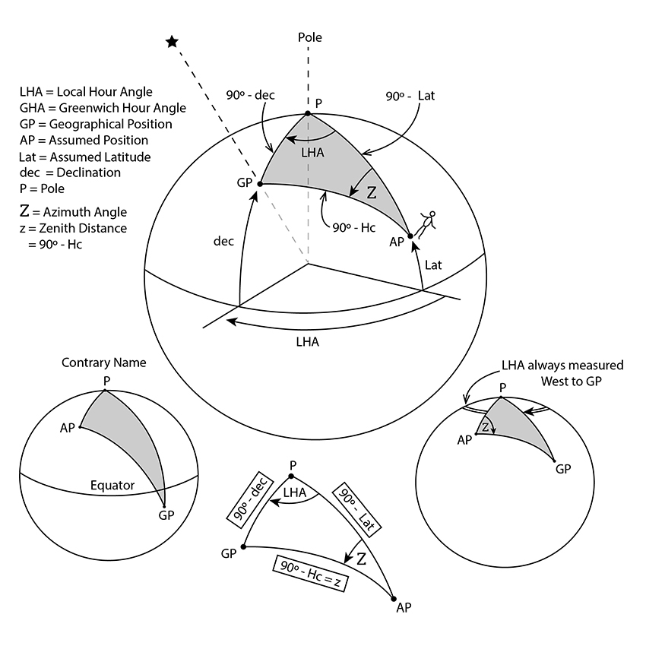

All Rights Reserved: © Astronomy Morsels.
I'm solely responsible for the input and express no warranty. Use at your own risk.
Nonetheless, this spreadsheet has been carefully reviewed, and calculation results have been compared with other applications.

Star Position
 | Earth orbit |  | Gr. Sidereal Time |  | 0-degrees |  | 90-degrees |  | 180-degrees |  | 270-degrees |  | Loc. Sidereal Time 7.50 |  | Local Hour Angle |  | RA |  | Spiral Cluster |  | Local Hour Angle
4.00 | 0.00 | 0.00 | 0.00 | 0.00 | 0.00 | 0.00 | 0.00 | 0.00 | 0.00 | 0.00 | 0.00 | 0.00 | 0.00 | 0.00 | 0.00 | 0.00 | 0.00 | 0.00 | 0.00 | 0.00 | 0.00
3.98 | 0.35 | 0.00 | 4.00 | 4.00 | 0.00 | 0.00 | 4.00 | -4.00 | 0.00 | 0.00 | -4.00 | 0.52 | 3.97 | -3.99 | -0.28 | 3.92 | -0.80 | 2.60 | 3.04 | -2.18 | 3.35
3.94 | 0.69
3.86 | 1.04
3.76 | 1.37
3.63 | 1.69
3.46 | 2.00
3.28 | 2.29
3.06 | 2.57
2.83 | 2.83
2.57 | 3.06
2.29 | 3.28
2.00 | 3.46
1.69 | 3.63
1.37 | 3.76
1.04 | 3.86
0.69 | 3.94
0.35 | 3.98
0.00 | 4.00
-0.35 | 3.98
-0.69 | 3.94
-1.04 | 3.86
-1.37 | 3.76
-1.69 | 3.63
-2.00 | 3.46
-2.29 | 3.28
-2.57 | 3.06
-2.83 | 2.83
-3.06 | 2.57
-3.28 | 2.29
-3.46 | 2.00
-3.63 | 1.69
-3.76 | 1.37
-3.86 | 1.04
-3.94 | 0.69
-3.98 | 0.35
-4.00 | 0.00
-3.98 | -0.35
-3.94 | -0.69
-3.86 | -1.04
-3.76 | -1.37
-3.63 | -1.69
-3.46 | -2.00
-3.28 | -2.29
-3.06 | -2.57
-2.83 | -2.83
-2.57 | -3.06
-2.29 | -3.28
-2.00 | -3.46
-1.69 | -3.63
...
Star Position (Angle, Hours)
 |  |  |  | Current | Reference
 |  |  | Date | 2024-02-21 | 2024-02-21
 |  |  | Time | 12:00:00 | 12:00:00
 |  |  | Leap year | 1 | 1
 |  |  | Day of Year | 52 | 52
 |  |  | Year | 2,024 | 2,024
 |  |  | Month | 2 | 2
 |  |  | Day | 21 | 21
 |  |  | Hour | 12 | 12
 |  |  | Minutes | 0 | 0

 |  |  | Delta | 0.000 | days
 |  |  |  | 0.000 | hours
 |  |  |  | 0.000 | solar days
 |  |  | Total | 0.000 | sidereal days
 |  |  |  | 0.00 | hours
 |  |  | Greenwich Sidereal Time | 0.00 | hours
 |  |  |  | 0.00 | minutes
 |  |  |  | 0.000 | degrees
 |  |  | longitude | 7.5 | degrees | (east: +, west: -)
 |  |  |  | 0 | hours
 |  |  |  | 30 | minutes
 |  |  | Local Sideral Time | 0.00 | hours
 |  |  |  | 30.00 | minutes
 |  |  |  | 7.500 | degrees | Spiral Cluster
 |  |  | RA | 6.00 | hours | 2.00 | hours
 |  |  |  | 46.00 | minutes | 42.00 | minutes
 |  |  | Hour angle | 101.500 | degrees | 40.500 | degrees
 |  |  | Local hour angle | 266.00 | degrees | 327.00 | degrees
 |  |  |  | 17 | hours | 21 | hours
 |  |  |  | 44 | minutes | 48 | minutes

 |  |  | tropical year | 365.2422 | solar days
 |  |  | relative rotation | 360.9856 | days
 |  |  | tropical year | 366.2422 | sidereal days
 |  |  | sidereal day | 86,164 | seconds
 |  |  | hours | 23
 |  |  | minutes | 56
 |  |  | seconds | 4.1

 |  |  | Gr. Sidereal Time | 0.00
 |  |  | 0 | 0.00 |  |  |  | Earth orbit
 |  |  | 0 | 4.00 |  |  |  | Re | 4.00
 |  |  | Longitude | 7.50
 |  |  | 0 | 0.52
 |  |  | 0 | 3.97
 |  |  | Loc. Sidereal Time | 7.50 |  |  |  | Quarter lines
 |  |  | 0 | 0.52 |  |  |  | 0 | 4.00
 |  |  | 0 | 3.97 |  |  |  | 0 | 0.00
 |  |  | RA | 101.5 | Local Hour Angle | 266.00 |  | 0 | 0.00
 |  |  | 0 | 3.92 | 0 | -3.99 |  | 0 | 4.00
 |  |  | 0 | -0.80 | 0 | -0.28 |  | 0 | -4.00
 |  |  | Spiral Cluster | 40.500 | Local Hour Angle | 327.00 |  | 0 | 0.00
 |  |  | 0 | 2.60 | 0 | -2.18 |  | 0 | 0.00
 |  |  | 0 | 3.04 | 0 | 3.35 |  | 0 | -4.00

Calculations

 |  | Circle
angle | x | y
0 | 4.00 | 0.00
5 | 3.98 | 0.35
10 | 3.94 | 0.69
15 | 3.86 | 1.04
20 | 3.76 | 1.37
25 | 3.63 | 1.69
30 | 3.46 | 2.00
35 | 3.28 | 2.29
40 | 3.06 | 2.57
45 | 2.83 | 2.83
50 | 2.57 | 3.06
55 | 2.29 | 3.28
60 | 2.00 | 3.46
65 | 1.69 | 3.63
70 | 1.37 | 3.76
75 | 1.04 | 3.86
80 | 0.69 | 3.94
85 | 0.35 | 3.98
90 | 0.00 | 4.00
95 | -0.35 | 3.98
100 | -0.69 | 3.94
105 | -1.04 | 3.86
110 | -1.37 | 3.76
115 | -1.69 | 3.63
120 | -2.00 | 3.46
125 | -2.29 | 3.28
130 | -2.57 | 3.06
135 | -2.83 | 2.83
140 | -3.06 | 2.57
145 | -3.28 | 2.29
150 | -3.46 | 2.00
155 | -3.63 | 1.69
160 | -3.76 | 1.37
165 | -3.86 | 1.04
170 | -3.94 | 0.69
175 | -3.98 | 0.35
180 | -4.00 | 0.00
185 | -3.98 | -0.35
190 | -3.94 | -0.69
195 | -3.86 | -1.04
200 | -3.76 | -1.37
205 | -3.63 | -1.69
210 | -3.46 | -2.00
215 | -3.28 | -2.29
220 | -3.06 | -2.57
225 | -2.83 | -2.83
230 | -2.57 | -3.06
235 | -2.29 | -3.28
240 | -2.00 | -3.46
245 | -1.69 | -3.63
250 | -1.37 | -3.76
255 | -1.04 | -3.86
260 | -0.69 | -3.94
265 | -0.35 | -3.98
270 | 0.00 | -4.00
275 | 0.35 | -3.98
280 | 0.69 | -3.94
285 | 1.04 | -3.86
290 | 1.37 | -3.76
295 | 1.69 | -3.63
300 | 2.00 | -3.46
305 | 2.29 | -3.28
310 | 2.57 | -3.06
315 | 2.83 | -2.83
320 | 3.06 | -2.57
325 | 3.28 | -2.29
330 | 3.46 | -2.00
335 | 3.63 | -1.69
340 | 3.76 | -1.37
345 | 3.86 | -1.04
350 | 3.94 | -0.69
355 | 3.98 | -0.35
360 | 4.00 | 0.00

