Introduction

This spreadsheet contains an implementation of calculating and displaying Lagrange points for the bodies in our solar system. Lagrange points are points of equilibrium for small-mass objects under the gravitational influence of two massive orbiting bodies.

 | Compiled by: Anton Viola (Astronomy Morsels). | Email

 | Latest update: 21st January, 2024. | V1.0

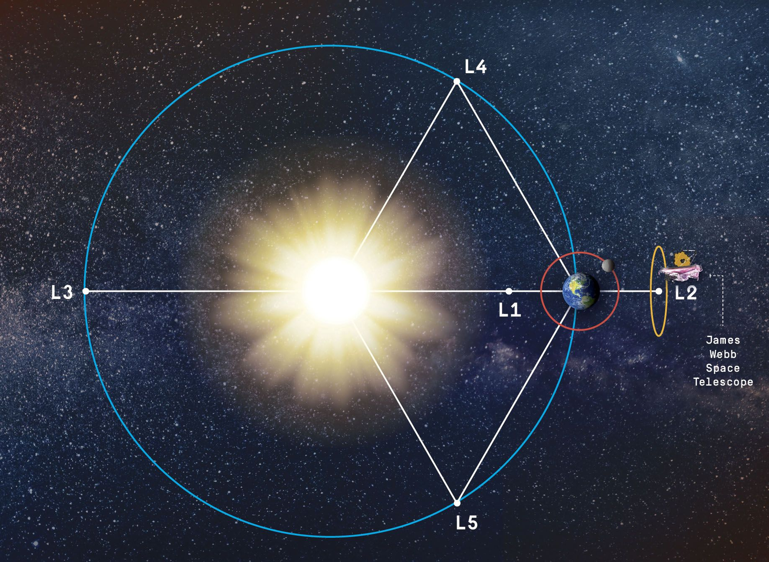

All Rights Reserved: © Astronomy Morsels.
I'm solely responsible for the input and express no warranty. Use at your own risk.
Nonetheless, this spreadsheet has been carefully reviewed, and calculation results have been compared with other applications.

Lagrange Points
 |  |  |  |  |  |  |  |  |  |  |  |  |  |  | Wikipedia:
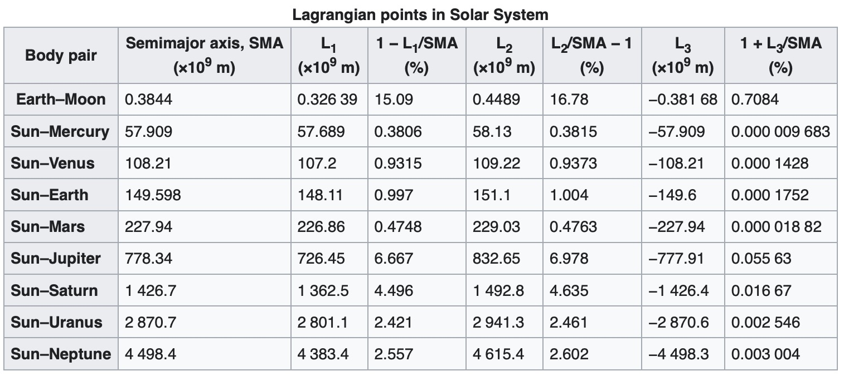
 |  | unit | factor | SUN | MERCURY | VENUS | EARTH | MOON | MARS | JUPITER | SATURN | URANUS | NEPTUNE | PLUTO
 | Mass | kg | 1.00E+24 | 1.99E+06 | 0.33 | 4.87 | 5.97 | 0.073 | 0.642 | 1,898 | 568 | 86.8 | 102 | 0.013
 | Diameter | km |  | 1.39E+09 | 4879 | 12.104 | 12.756 | 3,475 | 6,792 | 142.984 | 120.536 | 51.118 | 49.528 | 2,376
 | Density | kg/m3 |  |  | 5,429 | 5,243 | 5,514 | 3,340 | 3,934 | 1,326 | 687 | 1,270 | 1,638 | 1,850
 | Gravity | m/s2 |  |  | 3.7 | 8.9 | 9.8 | 1.6 | 3.7 | 23.1 | 9 | 8.7 | 11 | 0.7
 | Escape Velocity | km/s |  |  | 4.3 | 10.4 | 11.2 | 2.4 | 5 | 59.5 | 35.5 | 21.3 | 23.5 | 1.3
 | Rotation Period | hours |  |  | 1,407.6 | -5,832.5 | 23.9 | 655.7 | 24.6 | 9.9 | 10.7 | -17.2 | 16.1 | -153.3
 | Length of Day | hours |  |  | 4,222.6 | 2,802 | 24 | 708.7 | 24.7 | 9.9 | 10.7 | 17.2 | 16.1 | 153.3
 | Distance from Sun | km | 1.00E+06 |  | 57.9 | 108.2 | 149.6 | 0.384 | 228 | 778.5 | 1,432 | 2,867 | 4,515 | 5,906
 | Perihelion | km | 1.00E+06 |  | 46 | 107.5 | 147.1 | 0.363 | 206.7 | 740.6 | 1,357.6 | 2,732.7 | 4,471.1 | 4,436.8
 | Aphelion | km | 1.00E+06 |  | 69.8 | 108.9 | 152.1 | 0.406 | 249.3 | 816.4 | 1,506.5 | 3,001.4 | 4,558.9 | 7,375.9
 | Orbital Period | days |  |  | 88 | 224.7 | 365.2 | 27.3 | 687 | 4331 | 10.747 | 30.589 | 59.8 | 90.56
 | Orbital Velocity | km/s |  |  | 47.4 | 35 | 29.8 | 1 | 24.1 | 13.1 | 9.7 | 6.8 | 5.4 | 4.7
 | Orbital Inclination | degrees |  |  | 7 | 3.4 | 0 | 5.1 | 1.8 | 1.3 | 2.5 | 0.8 | 1.8 | 17.2
 | Orbital Eccentricity |  |  |  | 0.206 | 0.007 | 0.017 | 0.055 | 0.094 | 0.049 | 0.052 | 0.047 | 0.01 | 0.244
 | Obliquity to Orbit | degrees |  |  | 0.034 | 177.4 | 23.4 | 6.7 | 25.2 | 3.1 | 26.7 | 97.8 | 28.3 | 119.5
 |  |  |  |  |  |  |  | wrt. Earth

Lagrange Points
 |  | Inputs
 | Body1 | SUN
 | M1 | 1.99E+30 | (from table)
 | Body2 | JUPITER
 | M2 | 1.90E+27 | (from table)
 | R | 7.78E+08 | (from table)
 | r1 | 7.42E+05
 | r2 | 7.78E+08

 | Distances | x (dcm) | dBody1 | dBody2 | Stable?
 | L1 | 7.25E+08 | 7.26E+08 | 5.24E+07 | no
 | L2 | 8.31E+08 | 8.32E+08 | -5.31E+07 | no
 | L3 | -7.79E+08 | 7.78E+08 | 1.56E+09 | no
 | L4 | 3.89E+08 | 7.78E+08 | 7.78E+08 | yes
 | L5 | 3.89E+08 | 7.78E+08 | 7.78E+08 | yes
 |  |  |  |  | M1/M2 > 24.96

 |  |  |  | norm. factor | 7.78E+08
 | Coordinates | x | y | x | y
 | barycenter | 0 | 0 | 0.000 | 0.000
Body2 | JUPITER | 7.78E+08 | 0.00E+00 | 0.999 | 0.000
Body1 | SUN | -7.42E+05 | -7.42E+05 | -0.001 | -0.001
 | L1 | 7.25E+08 | 0 | 0.932 | 0.000
 | L2 | 8.32E+08 | 0 | 1.068 | 0.000
 | L3 | -7.79E+08 | 0 | -1.000 | 0.000
 | L4 | 3.89E+08 | 6.74E+08 | 0.499 | 0.866
 | L5 | 3.89E+08 | -6.74E+08 | 0.499 | -0.866

 |  | Body2 - Orbit
 |  | R | 1
 |  | x | y
 | 0 | 1.00 | 0.00
 | 10 | 0.98 | 0.17
 | 20 | 0.94 | 0.34
 | 30 | 0.87 | 0.50
 | 40 | 0.77 | 0.64
 | 50 | 0.64 | 0.77
 | 60 | 0.50 | 0.87
 | 70 | 0.34 | 0.94
 | 80 | 0.17 | 0.98
 | 90 | 0.00 | 1.00
 | 100 | -0.17 | 0.98
 | 110 | -0.34 | 0.94
 | 120 | -0.50 | 0.87
 | 130 | -0.64 | 0.77
 | 140 | -0.77 | 0.64
 | 150 | -0.87 | 0.50
 | 160 | -0.94 | 0.34
 | 170 | -0.98 | 0.17
 | 180 | -1.00 | 0.00
 | 190 | -0.98 | -0.17
 | 200 | -0.94 | -0.34
 | 210 | -0.87 | -0.50
 | 220 | -0.77 | -0.64
 | 230 | -0.64 | -0.77
 | 240 | -0.50 | -0.87
 | 250 | -0.34 | -0.94
 | 260 | -0.17 | -0.98 |  |  |  |  |  |  |  |  |  |  | Wikipedia:
 | 270 | 0.00 | -1.00 |  |  |  | In celestial mechanics, the Lagrange points (also Lagrangian points or libration points) are points of equilibrium for small-mass objects under the gravitational influence of two massive orbiting bodies. Mathematically, this involves the solution of the restricted three-body problem. Normally, the two massive bodies exert an unbalanced gravitational force at a point, altering the orbit of whatever is at that point. At the Lagrange points, the gravitational forces of the two large bodies and the centrifugal force balance each other. This can make Lagrange points an excellent location for satellites, as orbit corrections, and hence fuel requirements, needed to maintain the desired orbit are kept at a minimum.
 | 280 | 0.17 | -0.98
 | 290 | 0.34 | -0.94
 | 300 | 0.50 | -0.87
 | 310 | 0.64 | -0.77
 | 320 | 0.77 | -0.64 |  |  |  | For any combination of two orbital bodies, there are five Lagrange points, L1 to L5, all in the orbital plane of the two large bodies. There are five Lagrange points for the Sun–Earth system, and five different Lagrange points for the Earth–Moon system. L1, L2, and L3 are on the line through the centers of the two large bodies, while L4 and L5 each act as the third vertex of an equilateral triangle formed with the centers of the two large bodies. When the mass ratio of the two bodies is large enough, the L4 and L5 points are stable points meaning that objects can orbit them, and that they have a tendency to pull objects into them. Several planets have trojan asteroids near their L4 and L5 points with respect to the Sun; Jupiter has more than one million of these trojans.
 | 330 | 0.87 | -0.50
 | 340 | 0.94 | -0.34
 | 350 | 0.98 | -0.17
 | 360 | 1.00 | 0.00

Background
Source: "Langrangian Points", D. Westra, 2017.

L1

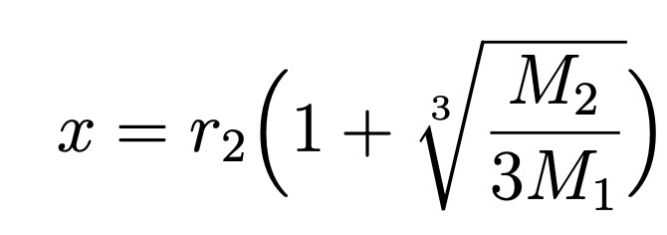

L2

L3

L4, L5

