Introduction

Daylength is total amount of daylight hours in a day, and is typically calculated as the hours between sunrise and sunset. As such, daylength gets longer during the summer months, and shorter during the winter months.

 | Compiled by: Anton Viola (Astronomy Morsels). | Email

 | Latest update: 20th April, 2024. | V1.0

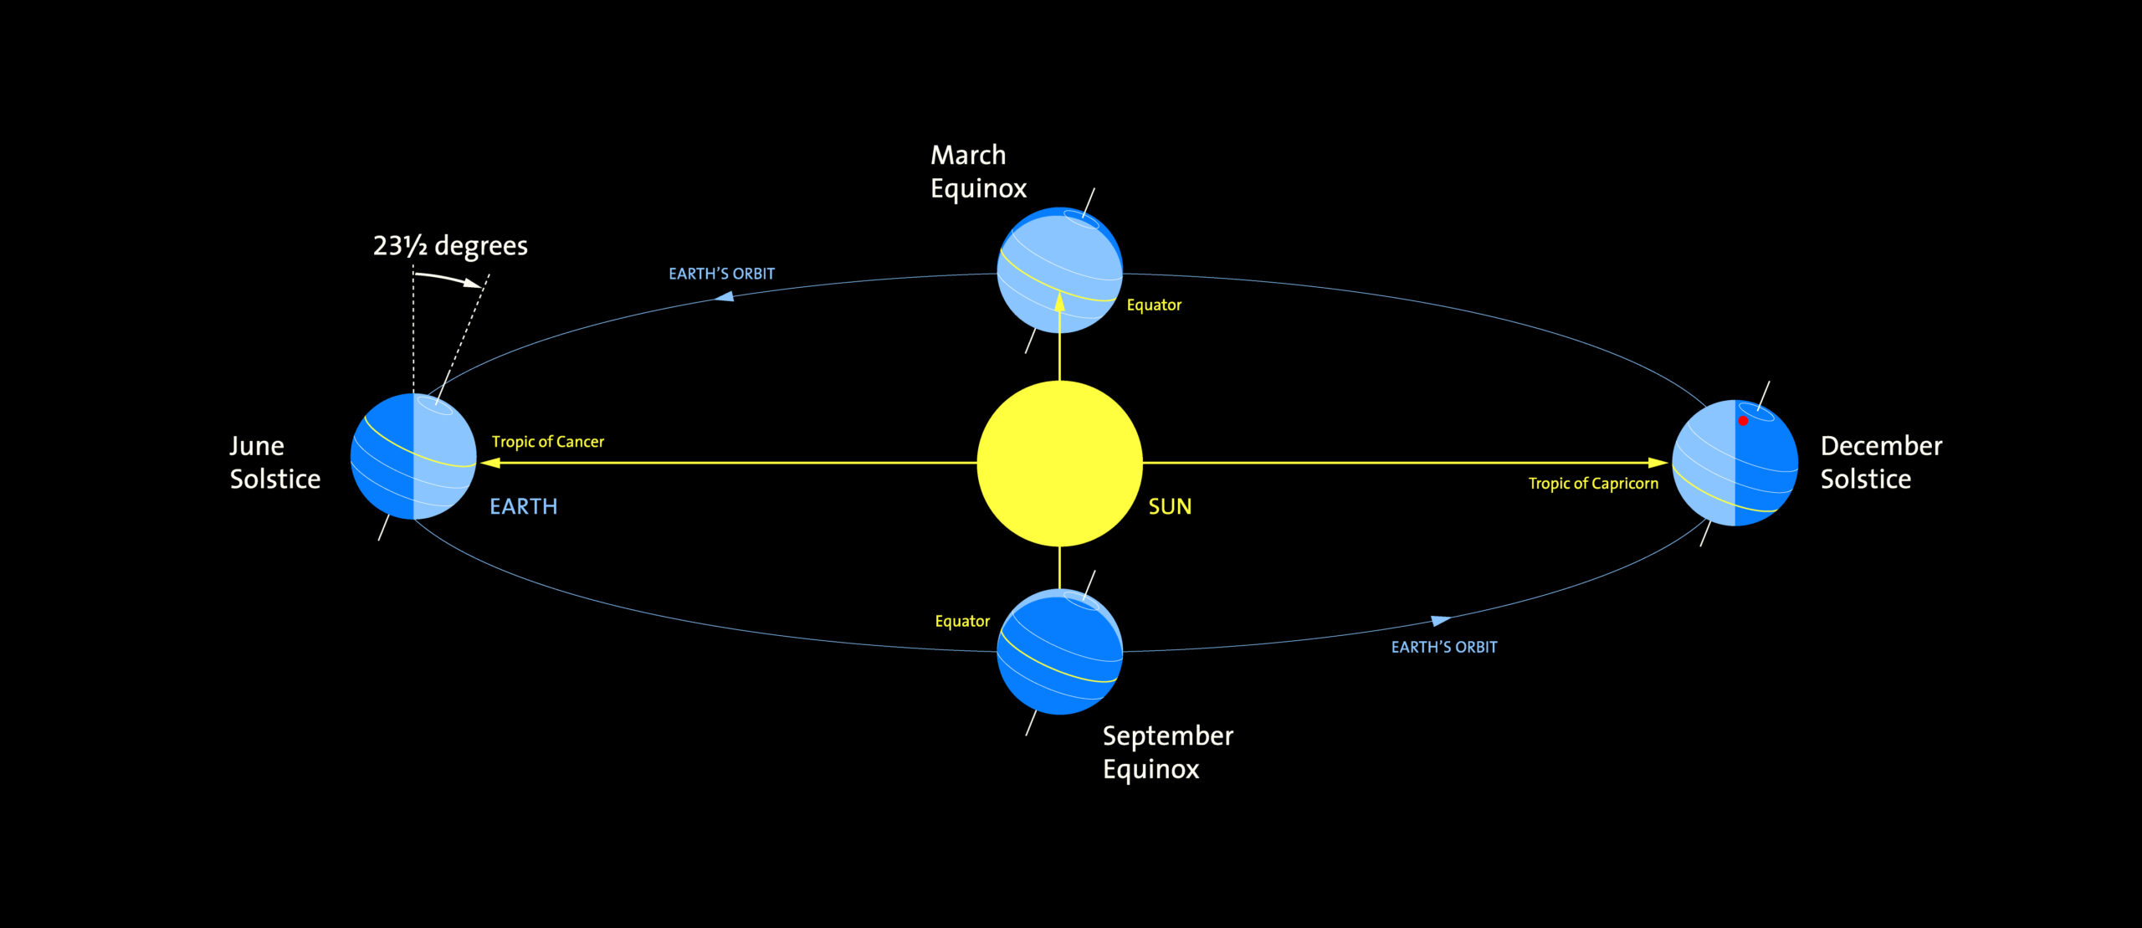

All Rights Reserved: © Astronomy Morsels.
I'm solely responsible for the input and express no warranty. Use at your own risk.
Nonetheless, this spreadsheet has been carefully reviewed, and calculation results have been compared with other applications.

Daylength (1)
Note: a more accurate calculation is planned!

 | Minutes | Seconds | Radians
Latitude | 47 | 0 | 0.82030474844
Obliquity | 23.439 |  | 0.40908772337
j | 0.017202423839

 | Hours | Minutes
Longest day | 15 | 41
Shortest day | 8 | 18

Day of year | Date | Daylength
0 | 2006-12-21 | 8.3060
1 | 2006-12-22 | 8.3066
2 | 2006-12-23 | 8.3086
3 | 2006-12-24 | 8.3120
4 | 2006-12-25 | 8.3166
5 | 2006-12-26 | 8.3226
6 | 2006-12-27 | 8.3299
7 | 2006-12-28 | 8.3385
8 | 2006-12-29 | 8.3484
9 | 2006-12-30 | 8.3595
10 | 2006-12-31 | 8.3720
11 | 2007-01-01 | 8.3858
12 | 2007-01-02 | 8.4008
13 | 2007-01-03 | 8.4170
14 | 2007-01-04 | 8.4345
15 | 2007-01-05 | 8.4533
16 | 2007-01-06 | 8.4732
17 | 2007-01-07 | 8.4943
18 | 2007-01-08 | 8.5166
19 | 2007-01-09 | 8.5400
20 | 2007-01-10 | 8.5646
21 | 2007-01-11 | 8.5903
22 | 2007-01-12 | 8.6171
23 | 2007-01-13 | 8.6450
24 | 2007-01-14 | 8.6739
25 | 2007-01-15 | 8.7039
26 | 2007-01-16 | 8.7349
27 | 2007-01-17 | 8.7668
28 | 2007-01-18 | 8.7998
29 | 2007-01-19 | 8.8337
30 | 2007-01-20 | 8.8686
31 | 2007-01-21 | 8.9043
32 | 2007-01-22 | 8.9410
33 | 2007-01-23 | 8.9785
34 | 2007-01-24 | 9.0168
35 | 2007-01-25 | 9.0560
36 | 2007-01-26 | 9.0959
37 | 2007-01-27 | 9.1367
38 | 2007-01-28 | 9.1782
39 | 2007-01-29 | 9.2204
40 | 2007-01-30 | 9.2633
41 | 2007-01-31 | 9.3069
42 | 2007-02-01 | 9.3512
43 | 2007-02-02 | 9.3961
44 | 2007-02-03 | 9.4417
45 | 2007-02-04 | 9.4878
46 | 2007-02-05 | 9.5346
47 | 2007-02-06 | 9.5819
48 | 2007-02-07 | 9.6297
49 | 2007-02-08 | 9.6781
50 | 2007-02-09 | 9.7269
51 | 2007-02-10 | 9.7763
52 | 2007-02-11 | 9.8261
53 | 2007-02-12 | 9.8764
54 | 2007-02-13 | 9.9271
55 | 2007-02-14 | 9.9783
56 | 2007-02-15 | 10.0298
57 | 2007-02-16 | 10.0817
58 | 2007-02-17 | 10.1340
59 | 2007-02-18 | 10.1866
60 | 2007-02-19 | 10.2396
61 | 2007-02-20 | 10.2929
62 | 2007-02-21 | 10.3465
63 | 2007-02-22 | 10.4004
64 | 2007-02-23 | 10.4546
65 | 2007-02-24 | 10.5090
66 | 2007-02-25 | 10.5637
67 | 2007-02-26 | 10.6187
68 | 2007-02-27 | 10.6738
69 | 2007-02-28 | 10.7292
70 | 2007-03-01 | 10.7848
71 | 2007-03-02 | 10.8406
72 | 2007-03-03 | 10.8966
73 | 2007-03-04 | 10.9528
74 | 2007-03-05 | 11.0091
75 | 2007-03-06 | 11.0655
76 | 2007-03-07 | 11.1221
77 | 2007-03-08 | 11.1789
78 | 2007-03-09 | 11.2357
79 | 2007-03-10 | 11.2927
80 | 2007-03-11 | 11.3498
81 | 2007-03-12 | 11.4070
82 | 2007-03-13 | 11.4642
83 | 2007-03-14 | 11.5215
84 | 2007-03-15 | 11.5790
85 | 2007-03-16 | 11.6364
86 | 2007-03-17 | 11.6939
87 | 2007-03-18 | 11.7515
88 | 2007-03-19 | 11.8091
89 | 2007-03-20 | 11.8667
90 | 2007-03-21 | 11.9243
91 | 2007-03-22 | 11.9820
92 | 2007-03-23 | 12.0396
93 | 2007-03-24 | 12.0973
94 | 2007-03-25 | 12.1549
95 | 2007-03-26 | 12.2125
96 | 2007-03-27 | 12.2701
97 | 2007-03-28 | 12.3276
98 | 2007-03-29 | 12.3851
99 | 2007-03-30 | 12.4426
100 | 2007-03-31 | 12.5000
101 | 2007-04-01 | 12.5573
102 | 2007-04-02 | 12.6145
103 | 2007-04-03 | 12.6716
104 | 2007-04-04 | 12.7287
105 | 2007-04-05 | 12.7856
106 | 2007-04-06 | 12.8424
107 | 2007-04-07 | 12.8991
108 | 2007-04-08 | 12.9557
109 | 2007-04-09 | 13.0121
110 | 2007-04-10 | 13.0683
111 | 2007-04-11 | 13.1244
112 | 2007-04-12 | 13.1803
113 | 2007-04-13 | 13.2360
114 | 2007-04-14 | 13.2916
115 | 2007-04-15 | 13.3469
116 | 2007-04-16 | 13.4020
117 | 2007-04-17 | 13.4568
118 | 2007-04-18 | 13.5114
119 | 2007-04-19 | 13.5658
120 | 2007-04-20 | 13.6199
121 | 2007-04-21 | 13.6736
122 | 2007-04-22 | 13.7271
123 | 2007-04-23 | 13.7803
124 | 2007-04-24 | 13.8332
125 | 2007-04-25 | 13.8857
126 | 2007-04-26 | 13.9378
127 | 2007-04-27 | 13.9896
128 | 2007-04-28 | 14.0410
129 | 2007-04-29 | 14.0919
130 | 2007-04-30 | 14.1425
131 | 2007-05-01 | 14.1926
132 | 2007-05-02 | 14.2423
133 | 2007-05-03 | 14.2914
134 | 2007-05-04 | 14.3401
135 | 2007-05-05 | 14.3883
136 | 2007-05-06 | 14.4359
137 | 2007-05-07 | 14.4830
138 | 2007-05-08 | 14.5296
139 | 2007-05-09 | 14.5755
140 | 2007-05-10 | 14.6208
141 | 2007-05-11 | 14.6655
142 | 2007-05-12 | 14.7095
143 | 2007-05-13 | 14.7529
144 | 2007-05-14 | 14.7955
145 | 2007-05-15 | 14.8375
146 | 2007-05-16 | 14.8787
147 | 2007-05-17 | 14.9191
148 | 2007-05-18 | 14.9588
149 | 2007-05-19 | 14.9977
150 | 2007-05-20 | 15.0357
151 | 2007-05-21 | 15.0729
152 | 2007-05-22 | 15.1092
153 | 2007-05-23 | 15.1446
154 | 2007-05-24 | 15.1791
155 | 2007-05-25 | 15.2127
156 | 2007-05-26 | 15.2453
157 | 2007-05-27 | 15.2769
158 | 2007-05-28 | 15.3075
159 | 2007-05-29 | 15.3371
160 | 2007-05-30 | 15.3656
161 | 2007-05-31 | 15.3931
162 | 2007-06-01 | 15.4195
163 | 2007-06-02 | 15.4448
164 | 2007-06-03 | 15.4689
165 | 2007-06-04 | 15.4919
166 | 2007-06-05 | 15.5138
167 | 2007-06-06 | 15.5344
168 | 2007-06-07 | 15.5539
169 | 2007-06-08 | 15.5722
170 | 2007-06-09 | 15.5892
171 | 2007-06-10 | 15.6050
172 | 2007-06-11 | 15.6195
173 | 2007-06-12 | 15.6328
174 | 2007-06-13 | 15.6448
175 | 2007-06-14 | 15.6555
176 | 2007-06-15 | 15.6649
177 | 2007-06-16 | 15.6730
178 | 2007-06-17 | 15.6798
179 | 2007-06-18 | 15.6853
180 | 2007-06-19 | 15.6894
181 | 2007-06-20 | 15.6923
182 | 2007-06-21 | 15.6938
183 | 2007-06-22 | 15.6939
184 | 2007-06-23 | 15.6928
185 | 2007-06-24 | 15.6903
186 | 2007-06-25 | 15.6865
187 | 2007-06-26 | 15.6813
188 | 2007-06-27 | 15.6748
189 | 2007-06-28 | 15.6671
190 | 2007-06-29 | 15.6580
191 | 2007-06-30 | 15.6476
192 | 2007-07-01 | 15.6359
193 | 2007-07-02 | 15.6230
194 | 2007-07-03 | 15.6087
195 | 2007-07-04 | 15.5933
196 | 2007-07-05 | 15.5765
197 | 2007-07-06 | 15.5586
198 | 2007-07-07 | 15.5394
199 | 2007-07-08 | 15.5190
200 | 2007-07-09 | 15.4975
201 | 2007-07-10 | 15.4748
202 | 2007-07-11 | 15.4509
203 | 2007-07-12 | 15.4259
204 | 2007-07-13 | 15.3998
205 | 2007-07-14 | 15.3726
206 | 2007-07-15 | 15.3443
207 | 2007-07-16 | 15.3150
208 | 2007-07-17 | 15.2846
209 | 2007-07-18 | 15.2533
210 | 2007-07-19 | 15.2209
211 | 2007-07-20 | 15.1876
212 | 2007-07-21 | 15.1533
213 | 2007-07-22 | 15.1181
214 | 2007-07-23 | 15.0820
215 | 2007-07-24 | 15.0451
216 | 2007-07-25 | 15.0073
217 | 2007-07-26 | 14.9686
218 | 2007-07-27 | 14.9291
219 | 2007-07-28 | 14.8889
220 | 2007-07-29 | 14.8479
221 | 2007-07-30 | 14.8061
222 | 2007-07-31 | 14.7636
223 | 2007-08-01 | 14.7204
224 | 2007-08-02 | 14.6766
225 | 2007-08-03 | 14.6320
226 | 2007-08-04 | 14.5869
227 | 2007-08-05 | 14.5411
228 | 2007-08-06 | 14.4947
229 | 2007-08-07 | 14.4478
230 | 2007-08-08 | 14.4003
231 | 2007-08-09 | 14.3522
232 | 2007-08-10 | 14.3037
233 | 2007-08-11 | 14.2546
234 | 2007-08-12 | 14.2051
235 | 2007-08-13 | 14.1551
236 | 2007-08-14 | 14.1046
237 | 2007-08-15 | 14.0538
238 | 2007-08-16 | 14.0025
239 | 2007-08-17 | 13.9508
240 | 2007-08-18 | 13.8987
241 | 2007-08-19 | 13.8463
242 | 2007-08-20 | 13.7936
243 | 2007-08-21 | 13.7405
244 | 2007-08-22 | 13.6870
245 | 2007-08-23 | 13.6333
246 | 2007-08-24 | 13.5793
247 | 2007-08-25 | 13.5250
248 | 2007-08-26 | 13.4705
249 | 2007-08-27 | 13.4157
250 | 2007-08-28 | 13.3607
251 | 2007-08-29 | 13.3054
252 | 2007-08-30 | 13.2499
253 | 2007-08-31 | 13.1943
254 | 2007-09-01 | 13.1384
255 | 2007-09-02 | 13.0824
256 | 2007-09-03 | 13.0261
257 | 2007-09-04 | 12.9698
258 | 2007-09-05 | 12.9133
259 | 2007-09-06 | 12.8566
260 | 2007-09-07 | 12.7998
261 | 2007-09-08 | 12.7429
262 | 2007-09-09 | 12.6859
263 | 2007-09-10 | 12.6288
264 | 2007-09-11 | 12.5716
265 | 2007-09-12 | 12.5143
266 | 2007-09-13 | 12.4569
267 | 2007-09-14 | 12.3995
268 | 2007-09-15 | 12.3420
269 | 2007-09-16 | 12.2845
270 | 2007-09-17 | 12.2269
271 | 2007-09-18 | 12.1693
272 | 2007-09-19 | 12.1117
273 | 2007-09-20 | 12.0540
274 | 2007-09-21 | 11.9964
275 | 2007-09-22 | 11.9387
276 | 2007-09-23 | 11.8811
277 | 2007-09-24 | 11.8235
278 | 2007-09-25 | 11.7659
279 | 2007-09-26 | 11.7083
280 | 2007-09-27 | 11.6508
281 | 2007-09-28 | 11.5933
282 | 2007-09-29 | 11.5359
283 | 2007-09-30 | 11.4785
284 | 2007-10-01 | 11.4213
285 | 2007-10-02 | 11.3641
286 | 2007-10-03 | 11.3070
287 | 2007-10-04 | 11.2500
288 | 2007-10-05 | 11.1931
289 | 2007-10-06 | 11.1363
290 | 2007-10-07 | 11.0797
291 | 2007-10-08 | 11.0232
292 | 2007-10-09 | 10.9668
293 | 2007-10-10 | 10.9106
294 | 2007-10-11 | 10.8546
295 | 2007-10-12 | 10.7988
296 | 2007-10-13 | 10.7431
297 | 2007-10-14 | 10.6877
298 | 2007-10-15 | 10.6324
299 | 2007-10-16 | 10.5774
300 | 2007-10-17 | 10.5227
301 | 2007-10-18 | 10.4682
302 | 2007-10-19 | 10.4139
303 | 2007-10-20 | 10.3599
304 | 2007-10-21 | 10.3063
305 | 2007-10-22 | 10.2529
306 | 2007-10-23 | 10.1998
307 | 2007-10-24 | 10.1471
308 | 2007-10-25 | 10.0947
309 | 2007-10-26 | 10.0427
310 | 2007-10-27 | 9.9911
311 | 2007-10-28 | 9.9399
312 | 2007-10-29 | 9.8890
313 | 2007-10-30 | 9.8387
314 | 2007-10-31 | 9.7887
315 | 2007-11-01 | 9.7392
316 | 2007-11-02 | 9.6902
317 | 2007-11-03 | 9.6417
318 | 2007-11-04 | 9.5938
319 | 2007-11-05 | 9.5463
320 | 2007-11-06 | 9.4994
321 | 2007-11-07 | 9.4531
322 | 2007-11-08 | 9.4074
323 | 2007-11-09 | 9.3624
324 | 2007-11-10 | 9.3179
325 | 2007-11-11 | 9.2741
326 | 2007-11-12 | 9.2310
327 | 2007-11-13 | 9.1886
328 | 2007-11-14 | 9.1470
329 | 2007-11-15 | 9.1060
330 | 2007-11-16 | 9.0659
331 | 2007-11-17 | 9.0265
332 | 2007-11-18 | 8.9880
333 | 2007-11-19 | 8.9503
334 | 2007-11-20 | 8.9134
335 | 2007-11-21 | 8.8774
336 | 2007-11-22 | 8.8424
337 | 2007-11-23 | 8.8082
338 | 2007-11-24 | 8.7750
339 | 2007-11-25 | 8.7428
340 | 2007-11-26 | 8.7115
341 | 2007-11-27 | 8.6813
342 | 2007-11-28 | 8.6521
343 | 2007-11-29 | 8.6240
344 | 2007-11-30 | 8.5969
345 | 2007-12-01 | 8.5709
346 | 2007-12-02 | 8.5461
347 | 2007-12-03 | 8.5223
348 | 2007-12-04 | 8.4998
349 | 2007-12-05 | 8.4783
350 | 2007-12-06 | 8.4581
351 | 2007-12-07 | 8.4391
352 | 2007-12-08 | 8.4213
353 | 2007-12-09 | 8.4047
354 | 2007-12-10 | 8.3894
355 | 2007-12-11 | 8.3753
356 | 2007-12-12 | 8.3625
357 | 2007-12-13 | 8.3510
358 | 2007-12-14 | 8.3408
359 | 2007-12-15 | 8.3319
360 | 2007-12-16 | 8.3243
361 | 2007-12-17 | 8.3180
362 | 2007-12-18 | 8.3130
363 | 2007-12-19 | 8.3093
364 | 2007-12-20 | 8.3070
365 | 2006-12-21 | 8.3060

Background
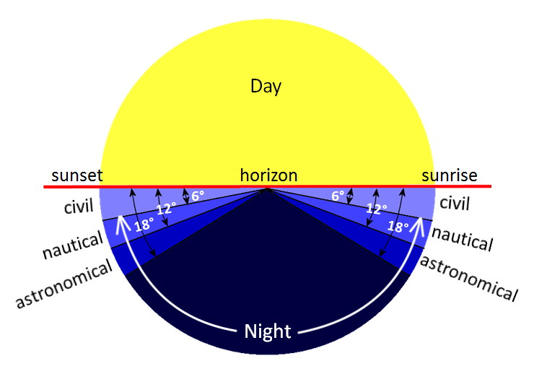
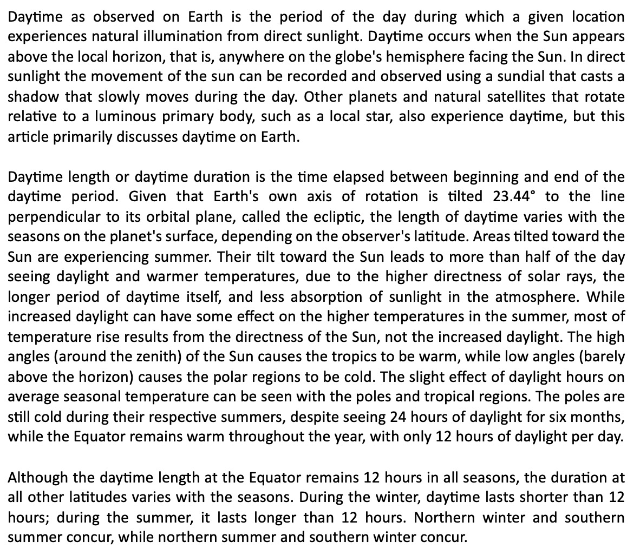
Angle | description
0.000 | center of sun touches a mathematical horizon
-0.250 | sun's upper limb touches mathematical horizon
-0.583 | center of sun's disk touches the horizon
-0.833 | sun's upper limb touches the horizon
-6.000 | civil twilight
-12.000 | nautical twilight
-15.000 | amateur astronomical twilight
-18.000 | astronomical twilight

