Introduction

The Lambda-CDM, Lambda cold dark matter, or ΛCDM model is a mathematical model of the Big Bang theory with three major components: 1. a cosmological constant denoted by lambda (Λ) associated with dark energy; 2. the postulated cold dark matter denoted by CDM; 3. ordinary matter.

 | Compiled by: Anton Viola (Astronomy Morsels). | Email

 | Latest update: 4th May, 2024. | V0.1

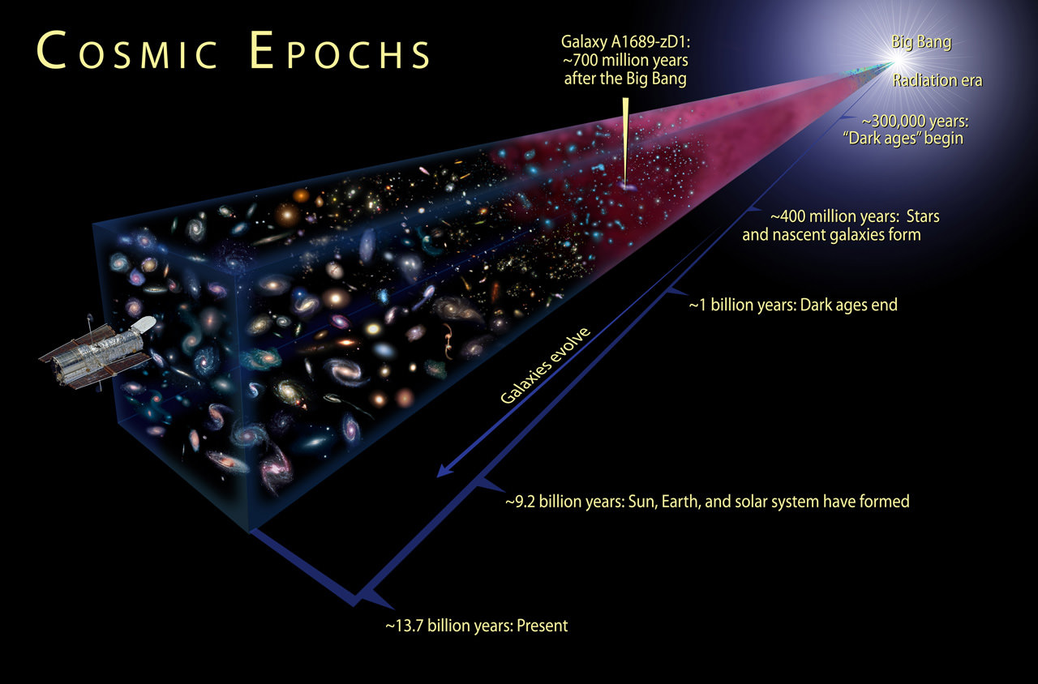

All Rights Reserved: © Astronomy Morsels.
I'm solely responsible for the input and express no warranty. Use at your own risk.
Nonetheless, this spreadsheet has been carefully reviewed, and calculation results have been compared with other applications.

Model
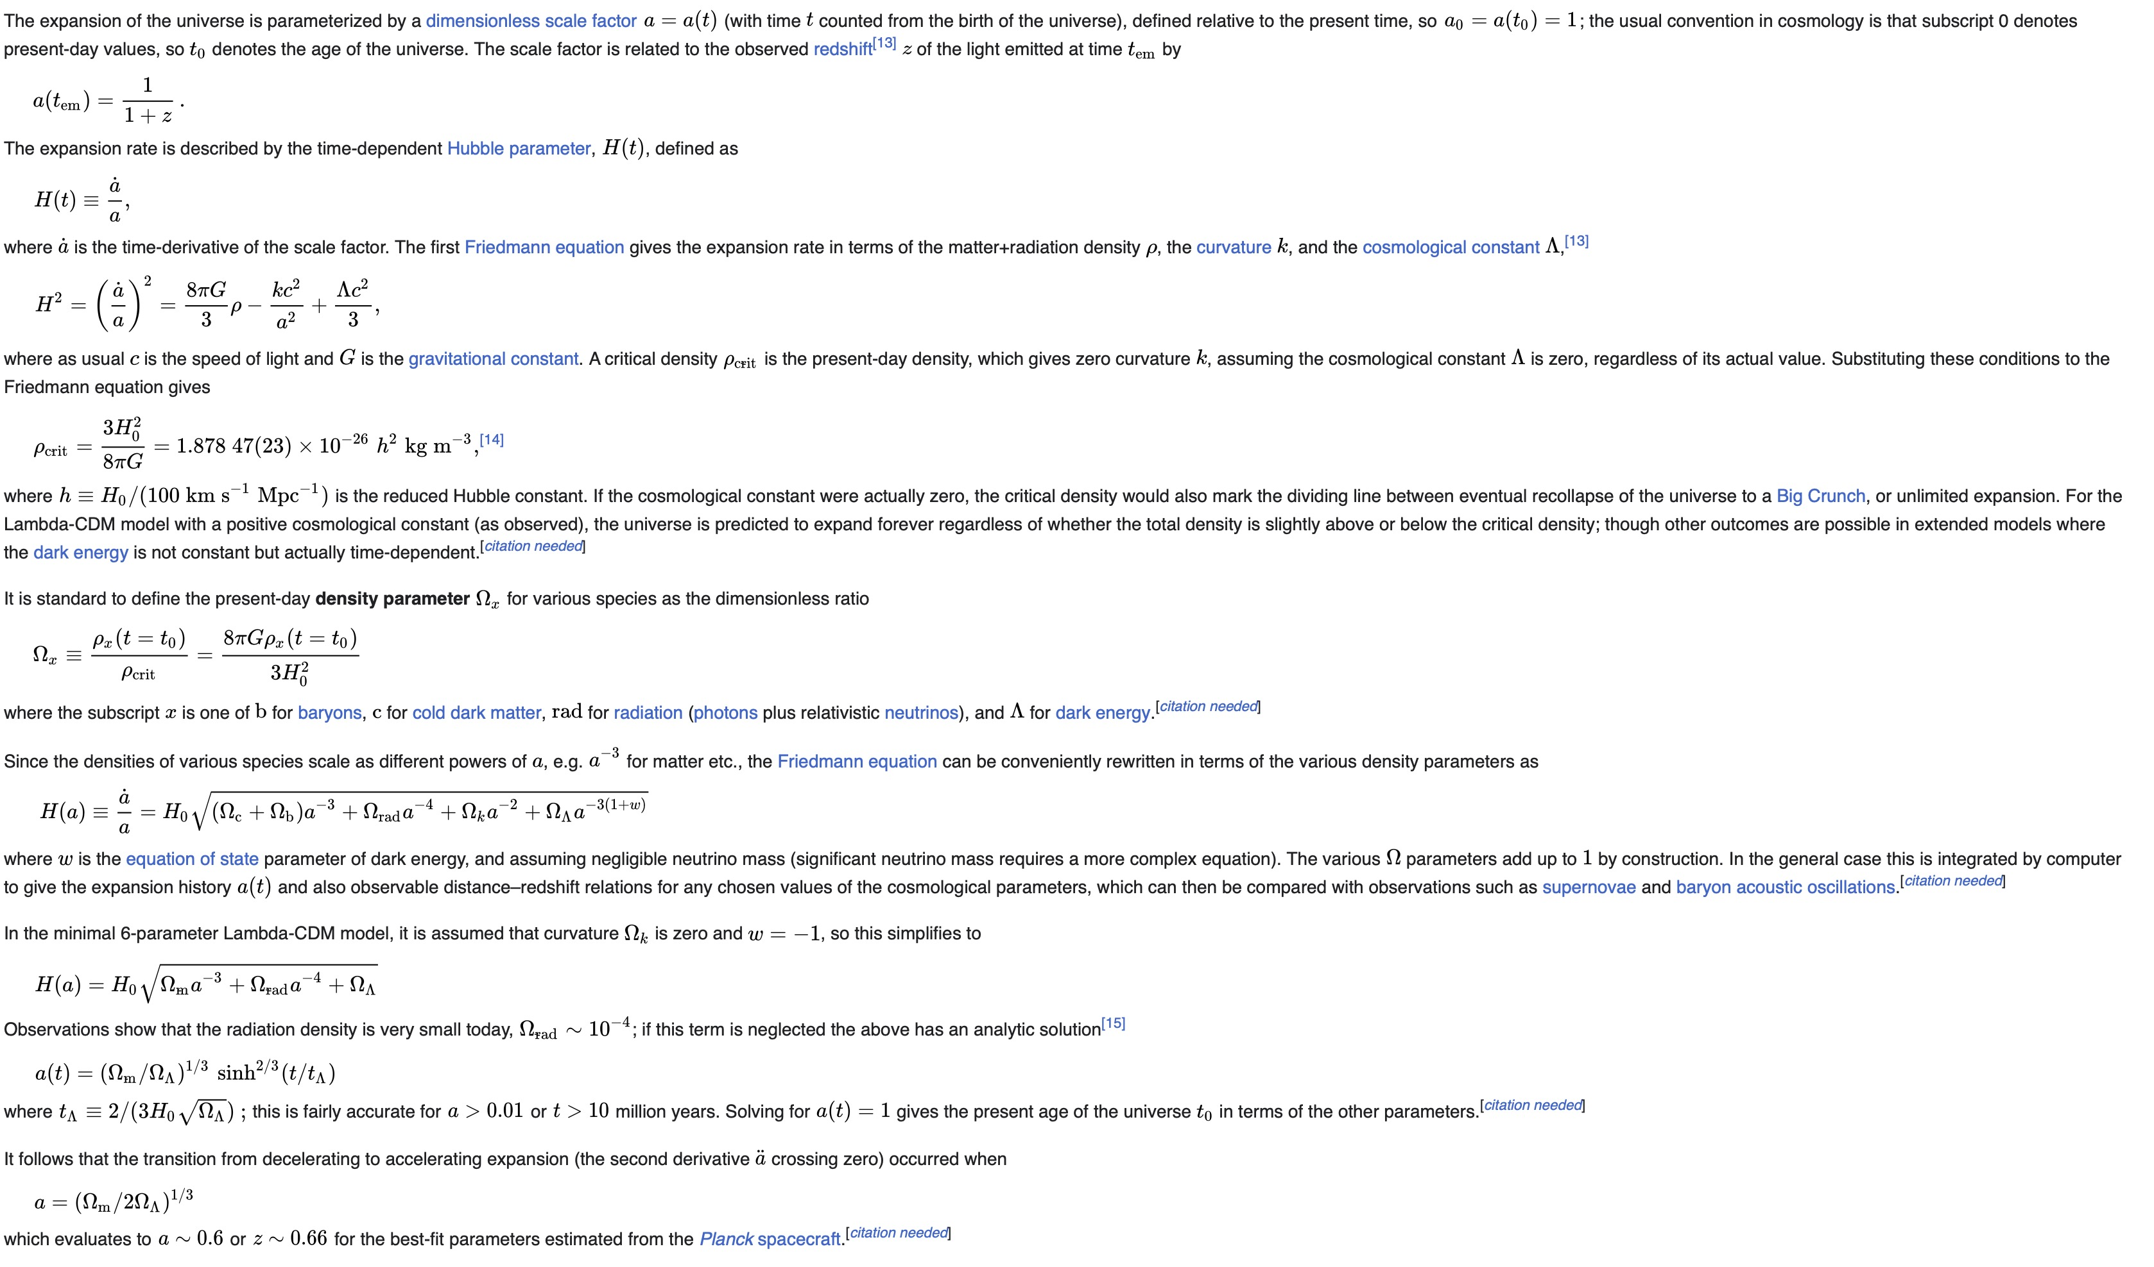
Source

To do: implement equations, perform tests.

Background
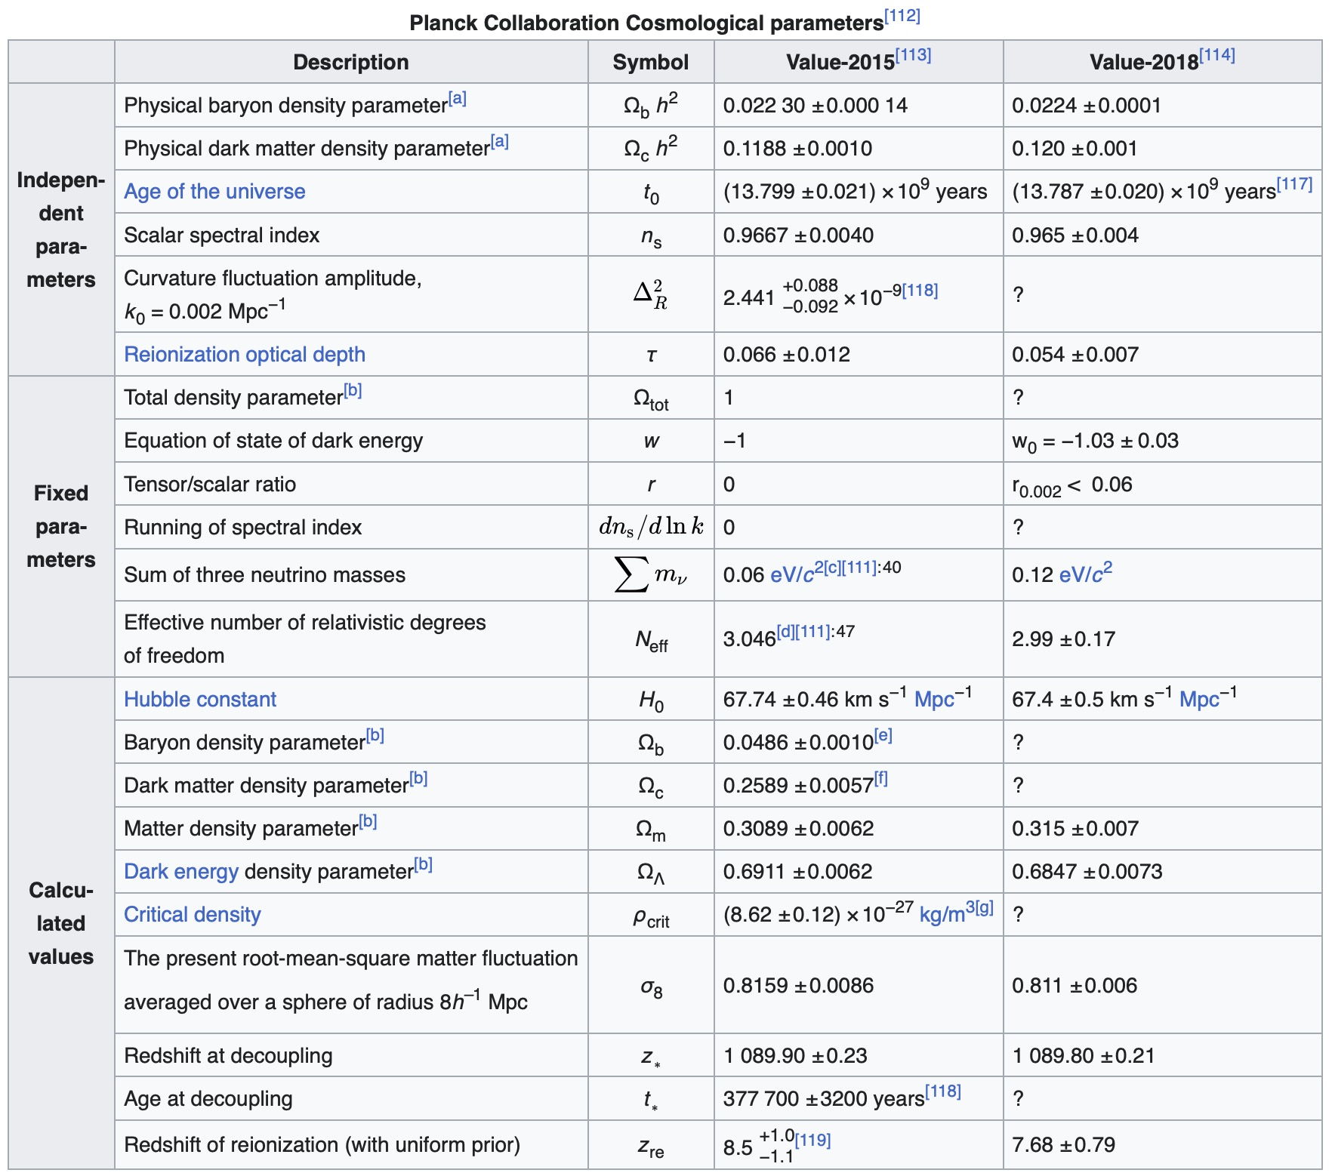
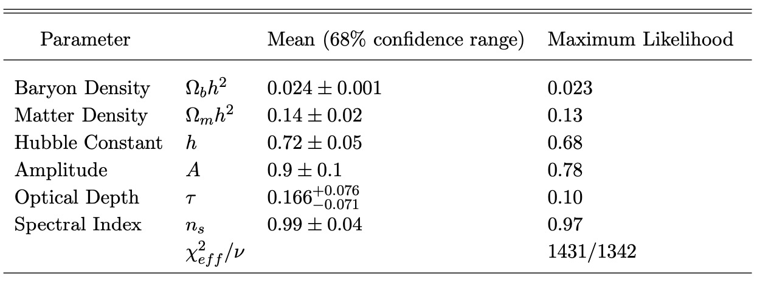
Source

