Introduction

Our solar system has eight planets. Moving outward from the Sun, the planets are: Mercury, Venus, Earth, Mars, Jupiter, Saturn, Uranus, and Neptune. This spreadsheets summarises the most important facts about these planets.

 | Compiled by: Anton Viola (Astronomy Morsels). | Email

 | Latest update: 7th September, 2000. | V1.0

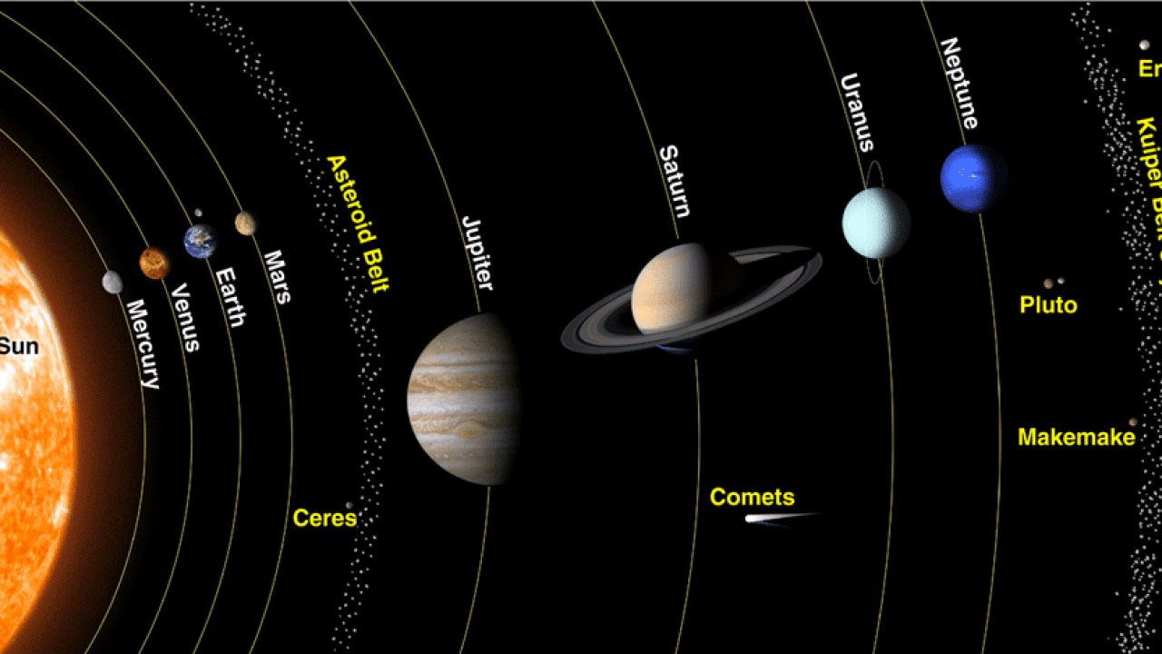

All Rights Reserved: © Astronomy Morsels.
I'm solely responsible for the input and express no warranty. Use at your own risk.
Nonetheless, this spreadsheet has been carefully reviewed, and calculation results have been compared with other applications.

Planet data
Source
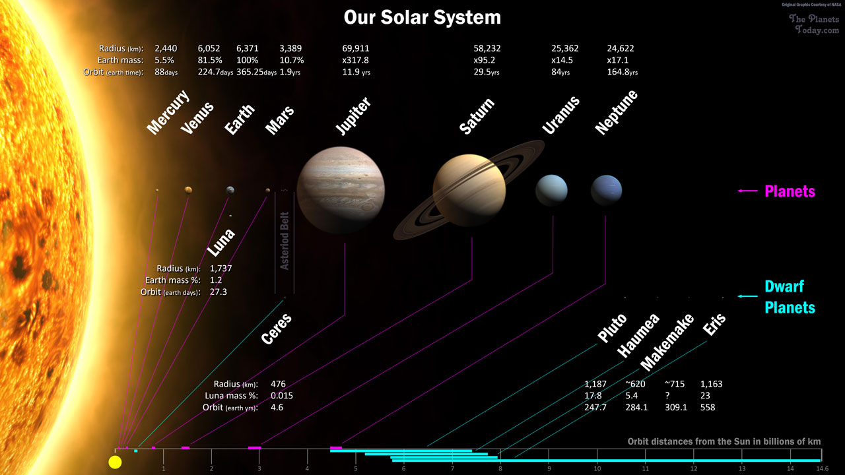

Source | MERCURY | VENUS | EARTH | MOON | MARS | JUPITER | SATURN | URANUS | NEPTUNE | PLUTO
Mass (1024kg) | 0.33 | 4.87 | 5.97 | 0.073 | 0.642 | 1898 | 568 | 86.8 | 102 | 0.0146
Diameter (km) | 4,879 | 12,104 | 12,756 | 3,475 | 6,792 | 142,984 | 120,536 | 51,118 | 49,528 | 2,370
Density (kg/m3) | 5,427 | 5,243 | 5,514 | 3,340 | 3,933 | 1,326 | 687 | 1,271 | 1,638 | 2,095
Gravity (m/s2) | 3.7 | 8.9 | 9.8 | 1.6 | 3.7 | 23.1 | 9 | 8.7 | 11 | 0.7
Escape Velocity (km/s) | 4.3 | 10.4 | 11.2 | 2.4 | 5 | 59.5 | 35.5 | 21.3 | 23.5 | 1.3
Rotation Period (hours) | 1,407.6 | -5,832.5 | 23.9 | 655.7 | 24.6 | 9.9 | 10.7 | -17.2 | 16.1 | -153.3
Length of Day (hours) | 4,222.6 | 2,802.0 | 24.0 | 708.7 | 24.7 | 9.9 | 10.7 | 17.2 | 16.1 | 153.3
Distance from Sun (106 km) | 57.9 | 108.2 | 149.6 | 0.384* | 227.9 | 778.6 | 1,433.5 | 2,872.5 | 4,495.1 | 5,906.4
Perihelion (106 km) | 46.0 | 107.5 | 147.1 | 0.363* | 206.6 | 740.5 | 1,352.6 | 2,741.3 | 4,444.5 | 4,436.8
Aphelion (106 km) | 69.8 | 108.9 | 152.1 | 0.406* | 249.2 | 816.6 | 1,514.5 | 3,003.6 | 4,545.7 | 7,375.9
Orbital Period (days) | 88.0 | 224.7 | 365.2 | 27.3 | 687.0 | 4,331.0 | 10,747.0 | 30,589.0 | 59,800.0 | 90,560.0
Orbital Velocity (km/s) | 47.4 | 35 | 29.8 | 1 | 24.1 | 13.1 | 9.7 | 6.8 | 5.4 | 4.7
Orbital Inclination (degrees) | 7 | 3.4 | 0 | 5.1 | 1.9 | 1.3 | 2.5 | 0.8 | 1.8 | 17.2
Orbital Eccentricity | 0.205 | 0.007 | 0.017 | 0.055 | 0.094 | 0.049 | 0.057 | 0.046 | 0.011 | 0.244
Obliquity to Orbit (degrees) | 0.034 | 177.4 | 23.4 | 6.7 | 25.2 | 3.1 | 26.7 | 97.8 | 28.3 | 122.5
Mean Temperature (C) | 167 | 464 | 15 | -20 | -65 | -110 | -140 | -195 | -200 | -225
Surface Pressure (bars) | 0 | 92 | 1 | 0 | 0.01 | Unknown* | Unknown* | Unknown* | Unknown* | 0.00001
Number of Moons | 0 | 0 | 1 | 0 | 2 | 79 | 62 | 27 | 14 | 5
Ring System? | No | No | No | No | No | Yes | Yes | Yes | Yes | No
Global Magnetic Field? | Yes | No | Yes | No | No | Yes | Yes | Yes | Yes | Unknown

Mass
Orbital Period

