Introduction

This spreadsheet contains data regarding our brightest and nearest stars, planets, planetary nebulae, clusters, etc. Data include the full list of Messier objects, Herschel 400 Catalogue and Caldwell objects.

 | Compiled by: Anton Viola (Astronomy Morsels). | Email

 | Latest update: 13th March, 2024. | V1.0

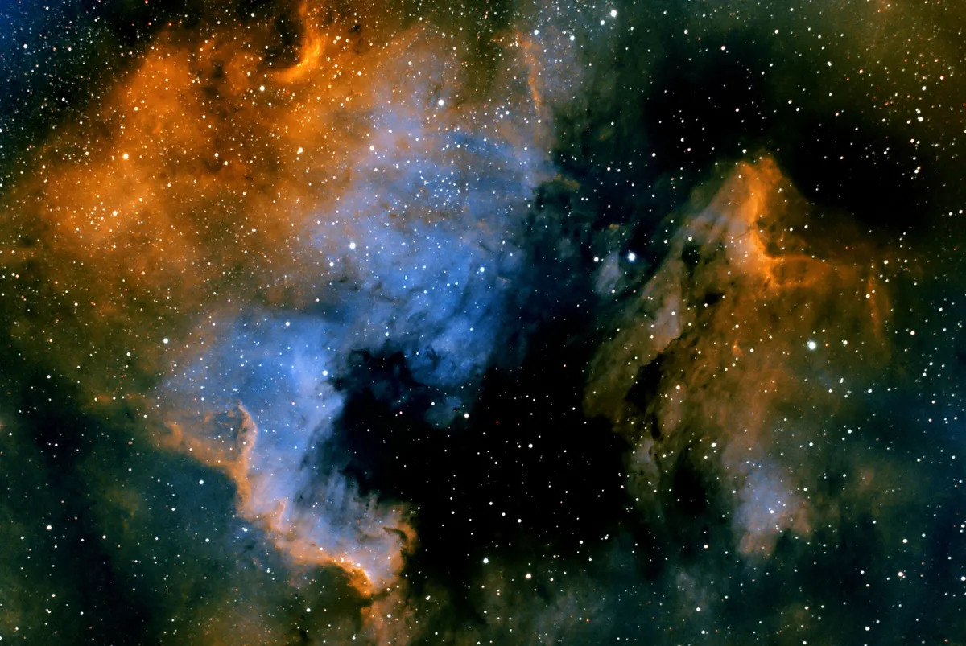

All Rights Reserved: © Astronomy Morsels.
I'm solely responsible for the input and express no warranty. Use at your own risk.
Nonetheless, this spreadsheet has been carefully reviewed, and calculation results have been compared with other applications.

