Introduction

We can express the Sun's location in the sky using two values, imaging it travels on a sphere's surface. Unlike a flat Cartesian plane, it is more convenient to use angles instead of x- and y-coordinates. The most common way to tell someone the Sun's position is to give its azimuth and altitude angles, which closely relate to spherical coordinates. This spreadsheet calculates the sun's position for a given date, time and location.

 | Compiled by: Anton Viola (Astronomy Morsels). | Email

 | Latest update: 5th May, 2024. | V1.0

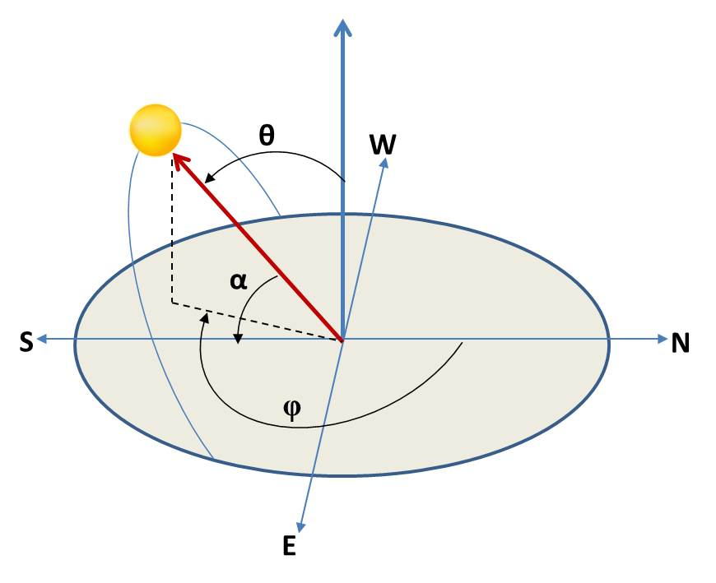

All Rights Reserved: © Astronomy Morsels.
I'm solely responsible for the input and express no warranty. Use at your own risk.
Nonetheless, this spreadsheet has been carefully reviewed, and calculation results have been compared with other applications.

Solar Coordinates
 | Reference: Meeus, Astronomical Algorithms, First Edition, pp. 151-157.

Sun position
 |  | Inputs
 | Date | 13/10/1992
 | Time | 0:00:00
 | Longitude | 0.0000 | (west: -, east: +)
 | Latitude | 35.0000
 | Year | 1992
 | Leap year? | Y
 | Month | 10
 | Day | 13
 | Day nr. | 287
 | Fraction | 0.000000
 | JDE | 2,448,908.50000

 | Azimuth | -172.62286 | 0
 | Altitude | -62.58631 | 0

 | P (deg - rad) | 0.01745
 | JDE (UT 00:0:0） | 2,448,908.50000
 | T (UT 00:00) | -0.07218
 | θ0 | 21.80134
 | Time (degrees) | 0.00000
 | Sideral Time (G) | 21.80134
 | LST | 21.80134

 | JDE (time) | 2,448,908.50000
 | T (time) | -0.07218
 | L0 | 201.80719 | mean longitude
 | M | 278.99396 | mean anomaly
 | e | 0.01671 | eccentricity Earth's orbit
 | C | -1.89732 | Sun's equation of center
 | θ | 199.90987 | Sun's true longitude
 | v | 277.09663 | Sun's true anomaly
 | R | 0.99766 | Sun's radius vector
 | Ω | 264.65258
 | λ | 199.90893
 | ε0 | 23.44023 | mean obliquity of ecliptic

 | D | 196.94030
 | M | 278.99210
 | M' | 249.10912
 | F | 134.08998
nutation effects | L | 201.80723709 | mean longitude Sun
 | L' | 38.747190008 | mean longitude Moon
 | Ω | 264.65713181 | longitude ascending node
 | Δε | -9.2747667618E-05 | nutation in obliquity
 | Δψ | 0.0044525354103 | nutation in longitude
 | ε | 23.44014 | true obliquity

 | α | 198.38167 | Sun's right ascension
 | δ | -7.78546 | Sun's declination
 | εcorrected | 23.43990 | for apparent position
 | αapp | 198.38083 | Sun's right ascension (apparent)
 | δapp | -7.78504 | Sun's declination (apparent)

 | β | 0.00000
 | X | -0.93804 | rectangular coordinates
 | Y | -0.31169
 | Z | -0.13514
 | RA | -161.61920
 | Dec | -7.76680

 | Local Hour Angle | 183.42054
 | X | -0.45660 | rectangular coordinates
 | Y | 0.05912
 | Z | -0.88771
 | Azimuth | -172.62286
 | Altitude | -62.58631

Background
