Introduction

The terms perihelion and aphelion describe different points in our planet’s orbit of the Sun. This can also apply to other planets, comets, or bodies. This spreadsheet calculates the values for all planets in our solar system.

 | Compiled by: Anton Viola (Astronomy Morsels). | Email

 | Latest update: 9th May, 2024. | V1.0

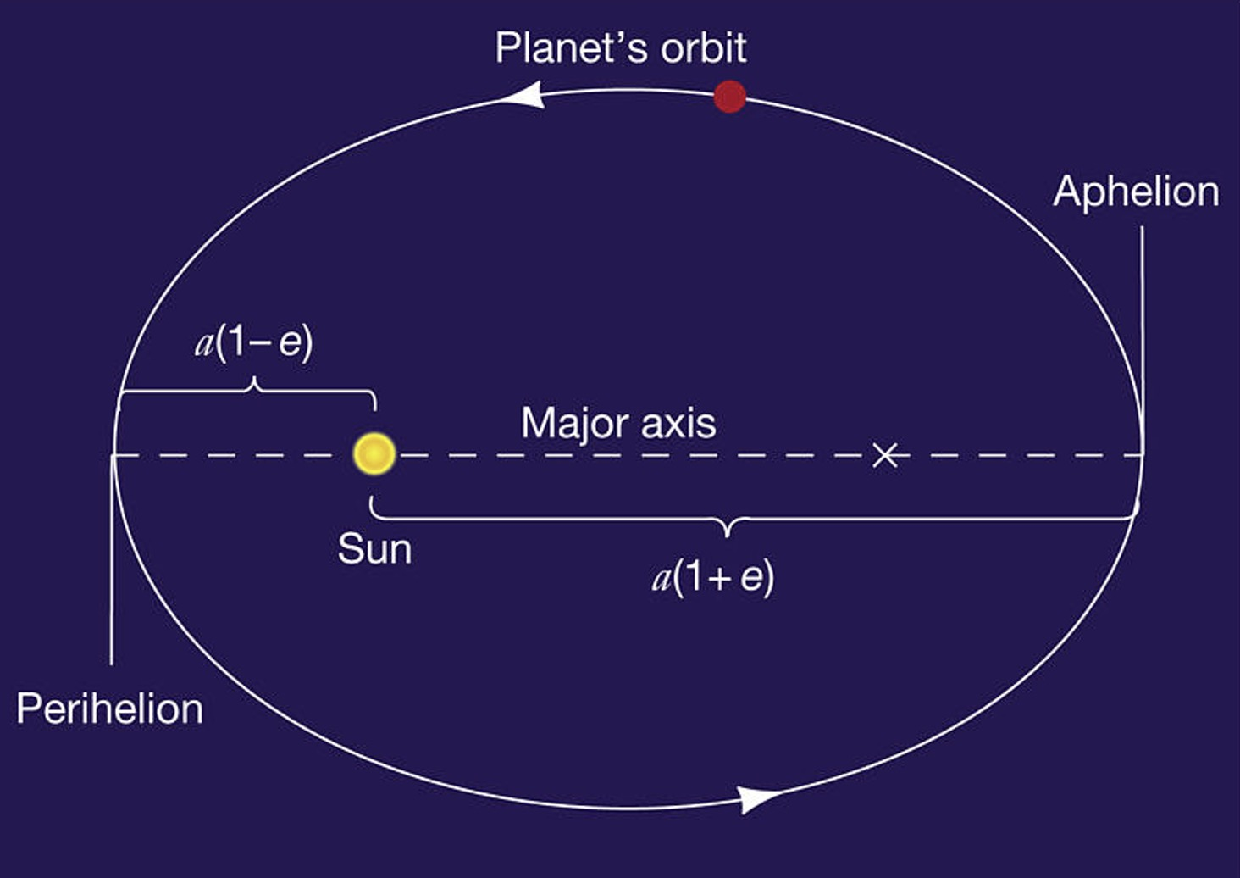

All Rights Reserved: © Astronomy Morsels.
I'm solely responsible for the input and express no warranty. Use at your own risk.
Nonetheless, this spreadsheet has been carefully reviewed, and calculation results have been compared with other applications.

Background
