Introduction

A binary star or binary star system is a system of two stars that are gravitationally bound to and in orbit around each other. Binary stars in the night sky that are seen as a single object to the naked eye are often resolved using a telescope as separate stars, in which case they are called visual binaries. Many visual binaries have long orbital periods of several centuries or millennia and therefore have orbits which are uncertain or poorly known. This spreadsheet calculates the seperation and position angle of a selected binary star for a year interval.

 | Compiled by: Anton Viola (Astronomy Morsels). | Email

 | Latest update: 2nd May, 2024. | V1.1

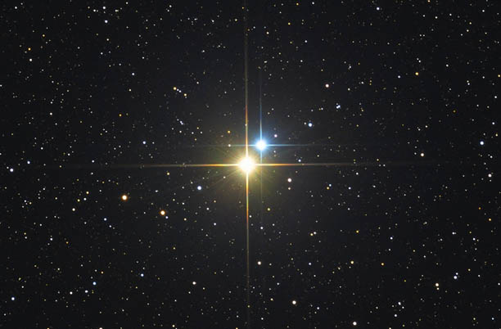

All Rights Reserved: © Astronomy Morsels.
I'm solely responsible for the input and express no warranty. Use at your own risk.
Nonetheless, this spreadsheet has been carefully reviewed, and calculation results have been compared with other applications.

Manual Input
Ephemeris (for orbital period P, max 100)
0.3350 | 1.0476 | 0.87485852224 | -1.0002301457
0.5174 | 0.9546
0.6889 | 0.8414
0.8464 | 0.7111
0.9873 | 0.5669
1.1092 | 0.4117
1.2098 | 0.2486
1.2871 | 0.0808
1.3391 | -0.0887
1.3641 | -0.2563
1.3605 | -0.4185
1.3267 | -0.5715
1.2618 | -0.7109
1.1648 | -0.8322
1.0356 | -0.9305
0.8749 | -1.0002
0.6845 | -1.0360
0.4683 | -1.0323
0.2322 | -0.9845
-0.0148 | -0.8895
-0.2608 | -0.7470
-0.4914 | -0.5611
-0.6913 | -0.3403
-0.8469 | -0.0977
-0.9485 | 0.1511
-0.9925 | 0.3909
-0.9804 | 0.6088
-0.9180 | 0.7957
-0.8133 | 0.9462
-0.6754 | 1.0582
-0.5129 | 1.1318
-0.3335 | 1.1687
-0.1443 | 1.1712
0.0488 | 1.1425
 |  | Inputs
 | P | 34.5000 | orbital period
 | T | 1,967.8000 | date periastron
 | a | 1.3550 | semimajor axis
 | e | 0.2000 | eccentricity
 | i | 132.9000 | inclination plane
 | w | 290.9000 | argument of periastron
 | Ω | 229.2000 | position angle of ascending node
 | Date | 01/01/1995
 | Year | 1995
 | Leap year? | N
 | # days | 365.242
 | Month | 1
 | Day | 1
 | Day nr. | 1

 |  | position angle | ang. separation
 |  | (degrees) | (arcsec) |  |  |  |  |  |  |  |  |  |  |  |  | displayed values for period P (max 100)
 | Start Year | θ | ρ | x | y |  |  |  |  |  |  |  |  |  |  | Year | x | y
 | 1980 | 162.26593 | 1.09990 | 0.33503 | 1.04764 |  |  |  |  |  |  |  |  |  |  | 1980 | 0.3350 | 1.0476
 | 1981 | 151.54235 | 1.08578 | 0.51739 | 0.95459 |  |  |  |  |  |  |  |  |  |  | 1981 | 0.5174 | 0.9546
 | 1982 | 140.69224 | 1.08741 | 0.68886 | 0.84139 |  |  |  |  |  |  |  |  |  |  | 1982 | 0.6889 | 0.8414
 | 1983 | 130.03660 | 1.10550 | 0.84641 | 0.71114 |  |  |  |  |  |  |  |  |  |  | 1983 | 0.8464 | 0.7111
 | 1984 | 119.86365 | 1.13851 | 0.98733 | 0.56691 |  |  |  |  |  |  |  |  |  |  | 1984 | 0.9873 | 0.5669
 | 1985 | 110.36442 | 1.18315 | 1.10920 | 0.41172 |  |  |  |  |  |  |  |  |  |  | 1985 | 1.1092 | 0.4117
 | 1986 | 101.61400 | 1.23508 | 1.20979 | 0.24864 |  |  |  |  |  |  |  |  |  |  | 1986 | 1.2098 | 0.2486
 | 1987 | 93.59108 | 1.28959 | 1.28706 | 0.08077 |  |  |  |  |  |  |  |  |  |  | 1987 | 1.2871 | 0.0808
 | 1988 | 86.21169 | 1.34201 | 1.33908 | -0.08867 |  |  |  |  |  |  |  |  |  |  | 1988 | 1.3391 | -0.0887
 | 1989 | 79.35868 | 1.38795 | 1.36409 | -0.25630 |  |  |  |  |  |  |  |  |  |  | 1989 | 1.3641 | -0.2563
 | 1990 | 72.90016 | 1.42337 | 1.36045 | -0.41853 |  |  |  |  |  |  |  |  |  |  | 1990 | 1.3605 | -0.4185
 | 1991 | 66.69715 | 1.44458 | 1.32674 | -0.57146 |  |  |  |  |  |  |  |  |  |  | 1991 | 1.3267 | -0.5715
 | 1992 | 60.60284 | 1.44827 | 1.26178 | -0.71090 |  |  |  |  |  |  |  |  |  |  | 1992 | 1.2618 | -0.7109
 | 1993 | 54.45502 | 1.43156 | 1.16480 | -0.83223 |  |  |  |  |  |  |  |  |  |  | 1993 | 1.1648 | -0.8322
 | 1994 | 48.06135 | 1.39220 | 1.03560 | -0.93045 |  |  |  |  |  |  |  |  |  |  | 1994 | 1.0356 | -0.9305
* | 1995 | 41.17480 | 1.32885 | 0.87486 | -1.00023 |  |  |  |  |  |  |  |  |  | * | 1995 | 0.8749 | -1.0002
 | 1996 | 33.45373 | 1.24171 | 0.68451 | -1.03600 |  |  |  |  |  |  |  |  |  |  | 1996 | 0.6845 | -1.0360
 | 1997 | 24.39898 | 1.13357 | 0.46826 | -1.03233 |  |  |  |  |  |  |  |  |  |  | 1997 | 0.4683 | -1.0323
 | 1998 | 13.26934 | 1.01152 | 0.23217 | -0.98451 |  |  |  |  |  |  |  |  |  |  | 1998 | 0.2322 | -0.9845
 | 1999 | 359.04382 | 0.88961 | -0.01485 | -0.88949 |  |  |  |  |  |  |  |  |  |  | 1999 | -0.0148 | -0.8895
 | 2000 | 340.75217 | 0.79128 | -0.26085 | -0.74705 |  |  |  |  |  |  |  |  |  |  | 2000 | -0.2608 | -0.7470
 | 2001 | 318.78661 | 0.74587 | -0.49143 | -0.56109 |  |  |  |  |  |  |  |  |  |  | 2001 | -0.4914 | -0.5611
 | 2002 | 296.20972 | 0.77054 | -0.69132 | -0.34032 |  |  |  |  |  |  |  |  |  |  | 2002 | -0.6913 | -0.3403
 | 2003 | 276.58426 | 0.85248 | -0.84686 | -0.09775 |  |  |  |  |  |  |  |  |  |  | 2003 | -0.8469 | -0.0977
 | 2004 | 260.94851 | 0.96050 | -0.94854 | 0.15111 |  |  |  |  |  |  |  |  |  |  | 2004 | -0.9485 | 0.1511
 | 2005 | 248.50208 | 1.06671 | -0.99250 | 0.39092 |  |  |  |  |  |  |  |  |  |  | 2005 | -0.9925 | 0.3909
 | 2006 | 238.15956 | 1.15404 | -0.98038 | 0.60882 |  |  |  |  |  |  |  |  |  |  | 2006 | -0.9804 | 0.6088
 | 2007 | 229.08094 | 1.21482 | -0.91796 | 0.79569 |  |  |  |  |  |  |  |  |  |  | 2007 | -0.9180 | 0.7957
 | 2008 | 220.68164 | 1.24774 | -0.81334 | 0.94621 |  | 0.87485852224 | -1.0002301457 |  |  |  |  |  |  |  | 2008 | -0.8133 | 0.9462
 | 2009 | 212.54908 | 1.25539 | -0.67543 | 1.05821 |  |  |  |  |  |  |  |  |  |  | 2009 | -0.6754 | 1.0582
 | 2010 | 204.37690 | 1.24259 | -0.51286 | 1.13182 |  |  |  |  |  |  |  |  |  |  | 2010 | -0.5129 | 1.1318
 | 2011 | 195.92829 | 1.21531 | -0.33352 | 1.16865 |  |  |  |  |  |  |  |  |  |  | 2011 | -0.3335 | 1.1687
 | 2012 | 187.02423 | 1.18008 | -0.14431 | 1.17122 |  |  |  |  |  |  |  |  |  |  | 2012 | -0.1443 | 1.1712
 | 2013 | 177.55249 | 1.14353 | 0.04883 | 1.14249 |  |  |  |  |  |  |  |  |  |  | 2013 | 0.0488 | 1.1425
 | 2014 | 167.49190 | 1.11201 | 0.24084 | 1.08562
 | 2015 | 167.49190 | 1.11201 | 0.24084 | 1.08562
 | 2016 | 146.11328 | 1.08453 | 0.60468 | 0.90031
 | 2017 | 135.32038 | 1.09444 | 0.76955 | 0.77820
 | 2018 | 124.87511 | 1.12031 | 0.91910 | 0.64058
 | 2019 | 115.02251 | 1.15963 | 1.05079 | 0.49049
 | 2020 | 105.89507 | 1.20850 | 1.16229 | 0.33098
 | 2021 | 97.51578 | 1.26231 | 1.25146 | 0.16511
 | 2022 | 89.82776 | 1.31634 | 1.31634 | -0.00396
 | 2023 | 82.72742 | 1.36605 | 1.35506 | -0.17293
 | 2024 | 76.08865 | 1.40722 | 1.36594 | -0.33832
 | 2025 | 69.77565 | 1.43597 | 1.34744 | -0.49641
 | 2026 | 63.64605 | 1.44880 | 1.29823 | -0.64315
 | 2027 | 57.54671 | 1.44262 | 1.21733 | -0.77413
 | 2028 | 51.30270 | 1.41482 | 1.10421 | -0.88456
 | 2029 | 44.69821 | 1.36355 | 0.95909 | -0.96924
 | 2030 | 37.44516 | 1.28816 | 0.78320 | -1.02271
 | 2031 | 29.13268 | 1.18995 | 0.57931 | -1.03941
 | 2032 | 19.15146 | 1.07360 | 0.35221 | -1.01418
 | 2033 | 6.61462 | 0.94932 | 0.10935 | -0.94300
 | 2034 | 350.43711 | 0.83567 | -0.13883 | -0.82406
 | 2035 | 330.09738 | 0.76030 | -0.37903 | -0.65908
 | 2036 | 307.31189 | 0.74953 | -0.59613 | -0.45433
 | 2037 | 285.89676 | 0.80618 | -0.77535 | -0.22082
 | 2038 | 268.29790 | 0.90521 | -0.90481 | 0.02689
 | 2039 | 254.39826 | 1.01516 | -0.97775 | 0.27303
 | 2040 | 243.12720 | 1.11340 | -0.99317 | 0.50327
 | 2041 | 233.50381 | 1.18795 | -0.95498 | 0.70655
 | 2042 | 224.82527 | 1.23466 | -0.87037 | 0.87570
 | 2043 | 216.60309 | 1.25446 | -0.74799 | 1.00706
 | 2044 | 208.48413 | 1.25120 | -0.59671 | 1.09974
 | 2045 | 200.19970 | 1.23036 | -0.42484 | 1.15469
 | 2046 | 191.54200 | 1.19827 | -0.23976 | 1.17404
 | 2047 | 182.36313 | 1.16156 | -0.04789 | 1.16057
 | 2048 | 172.59276 | 1.12677 | 0.14526 | 1.11737
 | 2049 | 162.26593 | 1.09990 | 0.33503 | 1.04764
 | 2050 | 151.54235 | 1.08578 | 0.51739 | 0.95459
 | 2051 | 140.69224 | 1.08741 | 0.68886 | 0.84139
 | 2052 | 130.03660 | 1.10550 | 0.84641 | 0.71114
 | 2053 | 119.86365 | 1.13851 | 0.98733 | 0.56691
 | 2054 | 110.36442 | 1.18315 | 1.10920 | 0.41172
 | 2055 | 101.61400 | 1.23508 | 1.20979 | 0.24864
 | 2056 | 93.59108 | 1.28959 | 1.28706 | 0.08077
 | 2057 | 86.21169 | 1.34201 | 1.33908 | -0.08867
 | 2058 | 79.35868 | 1.38795 | 1.36409 | -0.25630
 | 2059 | 72.90016 | 1.42337 | 1.36045 | -0.41853
 | 2060 | 66.69715 | 1.44458 | 1.32674 | -0.57146
 | 2061 | 60.60284 | 1.44827 | 1.26178 | -0.71090
 | 2062 | 54.45502 | 1.43156 | 1.16480 | -0.83223
 | 2063 | 48.06135 | 1.39220 | 1.03560 | -0.93045
 | 2064 | 41.17480 | 1.32885 | 0.87486 | -1.00023
 | 2065 | 33.45373 | 1.24171 | 0.68451 | -1.03600
 | 2066 | 24.39898 | 1.13357 | 0.46826 | -1.03233
 | 2067 | 13.26934 | 1.01152 | 0.23217 | -0.98451
 | 2068 | 359.04382 | 0.88961 | -0.01485 | -0.88949
 | 2069 | 340.75217 | 0.79128 | -0.26085 | -0.74705
 | 2070 | 318.78661 | 0.74587 | -0.49143 | -0.56109
 | 2071 | 296.20972 | 0.77054 | -0.69132 | -0.34032
 | 2072 | 276.58426 | 0.85248 | -0.84686 | -0.09775
 | 2073 | 260.94851 | 0.96050 | -0.94854 | 0.15111
 | 2074 | 248.50208 | 1.06671 | -0.99250 | 0.39092
 | 2075 | 238.15956 | 1.15404 | -0.98038 | 0.60882
 | 2076 | 229.08094 | 1.21482 | -0.91796 | 0.79569
 | 2077 | 220.68164 | 1.24774 | -0.81334 | 0.94621
 | 2078 | 212.54908 | 1.25539 | -0.67543 | 1.05821
 | 2079 | 204.37690 | 1.24259 | -0.51286 | 1.13182
 | 2080 | 195.92829 | 1.21531 | -0.33352 | 1.16865

 |  | 1980 | 1981 | 1982 | 1983 | 1984 | 1985 | 1986 | 1987 | 1988 | 1989 | 1990 | 1991 | 1992 | 1993 | 1994 | 1995 | 1996 | 1997 | 1998 | 1999 | 2000 | 2001 | 2002 | 2003 | 2004 | 2005 | 2006 | 2007 | 2008 | 2009 | 2010 | 2011 | 2012 | 2013 | 2014 | 2015 | 2016 | 2017 | 2018 | 2019 | 2020 | 2021 | 2022 | 2023 | 2024 | 2025 | 2026 | 2027 | 2028 | 2029 | 2030 | 2031 | 2032 | 2033 | 2034 | 2035 | 2036 | 2037 | 2038 | 2039 | 2040 | 2041 | 2042 | 2043 | 2044 | 2045 | 2046 | 2047 | 2048 | 2049 | 2050 | 2051 | 2052 | 2053 | 2054 | 2055 | 2056 | 2057 | 2058 | 2059 | 2060 | 2061 | 2062 | 2063 | 2064 | 2065 | 2066 | 2067 | 2068 | 2069 | 2070 | 2071 | 2072 | 2073 | 2074 | 2075 | 2076 | 2077 | 2078 | 2079 | 2080
 |  | Y | N | N | N | Y | N | N | N | Y | N | N | N | Y | N | N | N | Y | N | N | N | Y | N | N | N | Y | N | N | N | Y | N | N | N | Y | N | N | N | Y | N | N | N | Y | N | N | N | Y | N | N | N | Y | N | N | N | Y | N | N | N | Y | N | N | N | Y | N | N | N | Y | N | N | N | Y | N | N | N | Y | N | N | N | Y | N | N | N | Y | N | N | N | Y | N | N | N | Y | N | N | N | Y | N | N | N | Y | N | N | N | Y
 |  | 366 | 365.242 | 365.242 | 365.242 | 366 | 365.242 | 365.242 | 365.242 | 366 | 365.242 | 365.242 | 365.242 | 366 | 365.242 | 365.242 | 365.242 | 366 | 365.242 | 365.242 | 365.242 | 366 | 365.242 | 365.242 | 365.242 | 366 | 365.242 | 365.242 | 365.242 | 366 | 365.242 | 365.242 | 365.242 | 366 | 365.242 | 365.242 | 365.242 | 366 | 365.242 | 365.242 | 365.242 | 366 | 365.242 | 365.242 | 365.242 | 366 | 365.242 | 365.242 | 365.242 | 366 | 365.242 | 365.242 | 365.242 | 366 | 365.242 | 365.242 | 365.242 | 366 | 365.242 | 365.242 | 365.242 | 366 | 365.242 | 365.242 | 365.242 | 366 | 365.242 | 365.242 | 365.242 | 366 | 365.242 | 365.242 | 365.242 | 366 | 365.242 | 365.242 | 365.242 | 366 | 365.242 | 365.242 | 365.242 | 366 | 365.242 | 365.242 | 365.242 | 366 | 365.242 | 365.242 | 365.242 | 366 | 365.242 | 365.242 | 365.242 | 366 | 365.242 | 365.242 | 365.242 | 366 | 365.242 | 365.242 | 365.242 | 366
 |  | 1 | 1 | 1 | 1 | 1 | 1 | 1 | 1 | 1 | 1 | 1 | 1 | 1 | 1 | 1 | 1 | 1 | 1 | 1 | 1 | 1 | 1 | 1 | 1 | 1 | 1 | 1 | 1 | 1 | 1 | 1 | 1 | 1 | 1 | 1 | 1 | 1 | 1 | 1 | 1 | 1 | 1 | 1 | 1 | 1 | 1 | 1 | 1 | 1 | 1 | 1 | 1 | 1 | 1 | 1 | 1 | 1 | 1 | 1 | 1 | 1 | 1 | 1 | 1 | 1 | 1 | 1 | 1 | 1 | 1 | 1 | 1 | 1 | 1 | 1 | 1 | 1 | 1 | 1 | 1 | 1 | 1 | 1 | 1 | 1 | 1 | 1 | 1 | 1 | 1 | 1 | 1 | 1 | 1 | 1 | 1 | 1 | 1 | 1 | 1 | 1
 | P | 0.01745 | 0.01745 | 0.01745 | 0.01745 | 0.01745 | 0.01745 | 0.01745 | 0.01745 | 0.01745 | 0.01745 | 0.01745 | 0.01745 | 0.01745 | 0.01745 | 0.01745 | 0.01745 | 0.01745 | 0.01745 | 0.01745 | 0.01745 | 0.01745 | 0.01745 | 0.01745 | 0.01745 | 0.01745 | 0.01745 | 0.01745 | 0.01745 | 0.01745 | 0.01745 | 0.01745 | 0.01745 | 0.01745 | 0.01745 | 0.01745 | 0.01745 | 0.01745 | 0.01745 | 0.01745 | 0.01745 | 0.01745 | 0.01745 | 0.01745 | 0.01745 | 0.01745 | 0.01745 | 0.01745 | 0.01745 | 0.01745 | 0.01745 | 0.01745 | 0.01745 | 0.01745 | 0.01745 | 0.01745 | 0.01745 | 0.01745 | 0.01745 | 0.01745 | 0.01745 | 0.01745 | 0.01745 | 0.01745 | 0.01745 | 0.01745 | 0.01745 | 0.01745 | 0.01745 | 0.01745 | 0.01745 | 0.01745 | 0.01745 | 0.01745 | 0.01745 | 0.01745 | 0.01745 | 0.01745 | 0.01745 | 0.01745 | 0.01745 | 0.01745 | 0.01745 | 0.01745 | 0.01745 | 0.01745 | 0.01745 | 0.01745 | 0.01745 | 0.01745 | 0.01745 | 0.01745 | 0.01745 | 0.01745 | 0.01745 | 0.01745 | 0.01745 | 0.01745 | 0.01745 | 0.01745 | 0.01745 | 0.01745
 | t | 1,980.00000 | 1,981.00000 | 1,982.00000 | 1,983.00000 | 1,984.00000 | 1,985.00000 | 1,986.00000 | 1,987.00000 | 1,988.00000 | 1,989.00000 | 1,990.00000 | 1,991.00000 | 1,992.00000 | 1,993.00000 | 1,994.00000 | 1,995.00000 | 1,996.00000 | 1,997.00000 | 1,998.00000 | 1,999.00000 | 2,000.00000 | 2,001.00000 | 2,002.00000 | 2,003.00000 | 2,004.00000 | 2,005.00000 | 2,006.00000 | 2,007.00000 | 2,008.00000 | 2,009.00000 | 2,010.00000 | 2,011.00000 | 2,012.00000 | 2,013.00000 | 2,014.00000 | 2,015.00000 | 2,016.00000 | 2,017.00000 | 2,018.00000 | 2,019.00000 | 2,020.00000 | 2,021.00000 | 2,022.00000 | 2,023.00000 | 2,024.00000 | 2,025.00000 | 2,026.00000 | 2,027.00000 | 2,028.00000 | 2,029.00000 | 2,030.00000 | 2,031.00000 | 2,032.00000 | 2,033.00000 | 2,034.00000 | 2,035.00000 | 2,036.00000 | 2,037.00000 | 2,038.00000 | 2,039.00000 | 2,040.00000 | 2,041.00000 | 2,042.00000 | 2,043.00000 | 2,044.00000 | 2,045.00000 | 2,046.00000 | 2,047.00000 | 2,048.00000 | 2,049.00000 | 2,050.00000 | 2,051.00000 | 2,052.00000 | 2,053.00000 | 2,054.00000 | 2,055.00000 | 2,056.00000 | 2,057.00000 | 2,058.00000 | 2,059.00000 | 2,060.00000 | 2,061.00000 | 2,062.00000 | 2,063.00000 | 2,064.00000 | 2,065.00000 | 2,066.00000 | 2,067.00000 | 2,068.00000 | 2,069.00000 | 2,070.00000 | 2,071.00000 | 2,072.00000 | 2,073.00000 | 2,074.00000 | 2,075.00000 | 2,076.00000 | 2,077.00000 | 2,078.00000 | 2,079.00000 | 2,080.00000
 | n | 10.43478 | 10.43478 | 10.43478 | 10.43478 | 10.43478 | 10.43478 | 10.43478 | 10.43478 | 10.43478 | 10.43478 | 10.43478 | 10.43478 | 10.43478 | 10.43478 | 10.43478 | 10.43478 | 10.43478 | 10.43478 | 10.43478 | 10.43478 | 10.43478 | 10.43478 | 10.43478 | 10.43478 | 10.43478 | 10.43478 | 10.43478 | 10.43478 | 10.43478 | 10.43478 | 10.43478 | 10.43478 | 10.43478 | 10.43478 | 10.43478 | 10.43478 | 10.43478 | 10.43478 | 10.43478 | 10.43478 | 10.43478 | 10.43478 | 10.43478 | 10.43478 | 10.43478 | 10.43478 | 10.43478 | 10.43478 | 10.43478 | 10.43478 | 10.43478 | 10.43478 | 10.43478 | 10.43478 | 10.43478 | 10.43478 | 10.43478 | 10.43478 | 10.43478 | 10.43478 | 10.43478 | 10.43478 | 10.43478 | 10.43478 | 10.43478 | 10.43478 | 10.43478 | 10.43478 | 10.43478 | 10.43478 | 10.43478 | 10.43478 | 10.43478 | 10.43478 | 10.43478 | 10.43478 | 10.43478 | 10.43478 | 10.43478 | 10.43478 | 10.43478 | 10.43478 | 10.43478 | 10.43478 | 10.43478 | 10.43478 | 10.43478 | 10.43478 | 10.43478 | 10.43478 | 10.43478 | 10.43478 | 10.43478 | 10.43478 | 10.43478 | 10.43478 | 10.43478 | 10.43478 | 10.43478 | 10.43478 | 10.43478
 | threshold | 0.00100 | 0.00100 | 0.00100 | 0.00100 | 0.00100 | 0.00100 | 0.00100 | 0.00100 | 0.00100 | 0.00100 | 0.00100 | 0.00100 | 0.00100 | 0.00100 | 0.00100 | 0.00100 | 0.00100 | 0.00100 | 0.00100 | 0.00100 | 0.00100 | 0.00100 | 0.00100 | 0.00100 | 0.00100 | 0.00100 | 1.00100 | 2.00100 | 3.00100 | 4.00100 | 5.00100 | 6.00100 | 7.00100 | 8.00100 | 9.00100 | 10.00100 | 11.00100 | 12.00100 | 13.00100 | 14.00100 | 15.00100 | 16.00100 | 17.00100 | 18.00100 | 19.00100 | 20.00100 | 21.00100 | 22.00100 | 23.00100 | 24.00100 | 25.00100 | 26.00100 | 27.00100 | 28.00100 | 29.00100 | 30.00100 | 31.00100 | 32.00100 | 33.00100 | 34.00100 | 35.00100 | 36.00100 | 37.00100 | 38.00100 | 39.00100 | 40.00100 | 41.00100 | 42.00100 | 43.00100 | 44.00100 | 45.00100 | 46.00100 | 47.00100 | 48.00100 | 49.00100 | 50.00100 | 51.00100 | 52.00100 | 53.00100 | 54.00100 | 55.00100 | 56.00100 | 57.00100 | 58.00100 | 59.00100 | 60.00100 | 61.00100 | 62.00100 | 63.00100 | 64.00100 | 65.00100 | 66.00100 | 67.00100 | 68.00100 | 69.00100 | 70.00100 | 71.00100 | 72.00100 | 73.00100 | 74.00100 | 75.00100
 | M | 127.30435 | 137.73913 | 148.17391 | 158.60870 | 169.04348 | 179.47826 | 189.91304 | 200.34783 | 210.78261 | 221.21739 | 231.65217 | 242.08696 | 252.52174 | 262.95652 | 273.39130 | 283.82609 | 294.26087 | 304.69565 | 315.13043 | 325.56522 | 336.00000 | 346.43478 | 356.86957 | 7.30435 | 17.73913 | 28.17391 | 38.60870 | 49.04348 | 59.47826 | 69.91304 | 80.34783 | 90.78261 | 101.21739 | 111.65217 | 122.08696 | 132.52174 | 142.95652 | 153.39130 | 163.82609 | 174.26087 | 184.69565 | 195.13043 | 205.56522 | 216.00000 | 226.43478 | 236.86957 | 247.30435 | 257.73913 | 268.17391 | 278.60870 | 289.04348 | 299.47826 | 309.91304 | 320.34783 | 330.78261 | 341.21739 | 351.65217 | 2.08696 | 12.52174 | 22.95652 | 33.39130 | 43.82609 | 54.26087 | 64.69565 | 75.13043 | 85.56522 | 96.00000 | 106.43478 | 116.86957 | 127.30435 | 137.73913 | 148.17391 | 158.60870 | 169.04348 | 179.47826 | 189.91304 | 200.34783 | 210.78261 | 221.21739 | 231.65217 | 242.08696 | 252.52174 | 262.95652 | 273.39130 | 283.82609 | 294.26087 | 304.69565 | 315.13043 | 325.56522 | 336.00000 | 346.43478 | 356.86957 | 7.30435 | 17.73913 | 28.17391 | 38.60870 | 49.04348 | 59.47826 | 69.91304 | 80.34783 | 90.78261
 |  | 2.22188 | 2.40400 | 2.58612 | 2.76824 | 2.95037 | 3.13249 | 3.31461 | 3.49673 | 3.67885 | 3.86097 | 4.04309 | 4.22521 | 4.40734 | 4.58946 | 4.77158 | 4.95370 | 5.13582 | 5.31794 | 5.50006 | 5.68218 | 5.86431 | 6.04643 | 6.22855 | 0.12748 | 0.30961 | 0.49173 | 0.67385 | 0.85597 | 1.03809 | 1.22021 | 1.40233 | 1.58446 | 1.76658 | 1.94870 | 2.13082 | 2.31294 | 2.49506 | 2.67718 | 2.85930 | 3.04143 | 3.22355 | 3.40567 | 3.58779 | 3.76991 | 3.95203 | 4.13415 | 4.31628 | 4.49840 | 4.68052 | 4.86264 | 5.04476 | 5.22688 | 5.40900 | 5.59112 | 5.77325 | 5.95537 | 6.13749 | 0.03642 | 0.21855 | 0.40067 | 0.58279 | 0.76491 | 0.94703 | 1.12915 | 1.31127 | 1.49339 | 1.67552 | 1.85764 | 2.03976 | 2.22188 | 2.40400 | 2.58612 | 2.76824 | 2.95037 | 3.13249 | 3.31461 | 3.49673 | 3.67885 | 3.86097 | 4.04309 | 4.22521 | 4.40734 | 4.58946 | 4.77158 | 4.95370 | 5.13582 | 5.31794 | 5.50006 | 5.68218 | 5.86431 | 6.04643 | 6.22855 | 0.12748 | 0.30961 | 0.49173 | 0.67385 | 0.85597 | 1.03809 | 1.22021 | 1.40233 | 1.58446
 | E1 | 2.38097 | 2.53850 | 2.69159 | 2.84119 | 2.98838 | 3.13431 | 3.28018 | 3.42719 | 3.57649 | 3.72919 | 3.88624 | 4.04848 | 4.21657 | 4.39097 | 4.57193 | 4.75949 | 4.95348 | 5.15350 | 5.35896 | 5.56909 | 5.78296 | 5.99952 | 6.21763 | 0.15291 | 0.37054 | 0.58616 | 0.79865 | 1.00701 | 1.21038 | 1.40805 | 1.59950 | 1.78444 | 1.96276 | 2.13459 | 2.30027 | 2.46034 | 2.61555 | 2.76676 | 2.91502 | 3.06143 | 3.20717 | 3.35347 | 3.50148 | 3.65235 | 3.80711 | 3.96667 | 4.13176 | 4.30296 | 4.48062 | 4.66489 | 4.85571 | 5.05277 | 5.25560 | 5.46350 | 5.67562 | 5.89097 | 6.10845 | 0.04371 | 0.26191 | 0.47867 | 0.69286 | 0.90340 | 1.10937 | 1.30996 | 1.50458 | 1.69280 | 1.87442 | 2.04947 | 2.21817 | 2.38097 | 2.53850 | 2.69159 | 2.84119 | 2.98838 | 3.13431 | 3.28018 | 3.42719 | 3.57649 | 3.72919 | 3.88624 | 4.04848 | 4.21657 | 4.39097 | 4.57193 | 4.75949 | 4.95348 | 5.15350 | 5.35896 | 5.56909 | 5.78296 | 5.99952 | 6.21763 | 0.15291 | 0.37054 | 0.58616 | 0.79865 | 1.00701 | 1.21038 | 1.40805 | 1.59950 | 1.78444
 | E2 | 2.35976 | 2.51744 | 2.67312 | 2.82742 | 2.98089 | 3.13394 | 3.28698 | 3.44038 | 3.59459 | 3.75010 | 3.90755 | 4.06770 | 4.23142 | 4.39970 | 4.57355 | 4.75392 | 4.94161 | 5.13709 | 5.34043 | 5.55120 | 5.76838 | 5.99045 | 6.21545 | 0.15795 | 0.38203 | 0.60236 | 0.81713 | 1.02502 | 1.22524 | 1.41757 | 1.60225 | 1.77991 | 1.95141 | 2.11775 | 2.27992 | 2.43889 | 2.59549 | 2.75041 | 2.90423 | 3.05744 | 3.21044 | 3.36361 | 3.51736 | 3.67214 | 3.82854 | 3.98723 | 4.14905 | 4.31493 | 4.48587 | 4.66286 | 4.84681 | 5.03836 | 5.23779 | 5.44494 | 5.65907 | 5.87892 | 6.10272 | 0.04516 | 0.27033 | 0.49279 | 0.71054 | 0.92200 | 1.12611 | 1.32239 | 1.51084 | 1.69191 | 1.86637 | 2.03516 | 2.19929 | 2.35976 | 2.51744 | 2.67312 | 2.82742 | 2.98089 | 3.13394 | 3.28698 | 3.44038 | 3.59459 | 3.75010 | 3.90755 | 4.06770 | 4.23142 | 4.39970 | 4.57355 | 4.75392 | 4.94161 | 5.13709 | 5.34043 | 5.55120 | 5.76838 | 5.99045 | 6.21545 | 0.15795 | 0.38203 | 0.60236 | 0.81713 | 1.02502 | 1.22524 | 1.41757 | 1.60225 | 1.77991
 | E3 | 2.36280 | 2.52088 | 2.67643 | 2.83005 | 2.98237 | 3.13402 | 3.28563 | 3.43786 | 3.59132 | 3.74664 | 3.90445 | 4.06536 | 4.23003 | 4.39916 | 4.57350 | 4.75387 | 4.94105 | 5.13571 | 5.33823 | 5.54852 | 5.76583 | 5.98871 | 6.21501 | 0.15894 | 0.38417 | 0.60505 | 0.81969 | 1.02691 | 1.22627 | 1.41787 | 1.60224 | 1.78010 | 1.95226 | 2.11952 | 2.28261 | 2.44220 | 2.59893 | 2.75344 | 2.90633 | 3.05824 | 3.20979 | 3.36163 | 3.51439 | 3.66871 | 3.82520 | 3.98447 | 4.14718 | 4.31399 | 4.48563 | 4.66288 | 4.84656 | 5.03741 | 5.23598 | 5.44243 | 5.65637 | 5.87670 | 6.10159 | 0.04545 | 0.27196 | 0.49528 | 0.71324 | 0.92427 | 1.12758 | 1.32301 | 1.51091 | 1.69193 | 1.86684 | 2.03646 | 2.20154 | 2.36280 | 2.52088 | 2.67643 | 2.83005 | 2.98237 | 3.13402 | 3.28563 | 3.43786 | 3.59132 | 3.74664 | 3.90445 | 4.06536 | 4.23003 | 4.39916 | 4.57350 | 4.75387 | 4.94105 | 5.13571 | 5.33823 | 5.54852 | 5.76583 | 5.98871 | 6.21501 | 0.15894 | 0.38417 | 0.60505 | 0.81969 | 1.02691 | 1.22627 | 1.41787 | 1.60224 | 1.78010
 | E4 | 2.36236 | 2.52032 | 2.67584 | 2.82955 | 2.98208 | 3.13400 | 3.28590 | 3.43834 | 3.59191 | 3.74721 | 3.90490 | 4.06564 | 4.23016 | 4.39919 | 4.57350 | 4.75387 | 4.94103 | 5.13560 | 5.33797 | 5.54812 | 5.76539 | 5.98838 | 6.21492 | 0.15914 | 0.38456 | 0.60549 | 0.82004 | 1.02711 | 1.22634 | 1.41788 | 1.60224 | 1.78009 | 1.95220 | 2.11934 | 2.28226 | 2.44169 | 2.59834 | 2.75288 | 2.90592 | 3.05808 | 3.20992 | 3.36202 | 3.51494 | 3.66930 | 3.82571 | 3.98484 | 4.14738 | 4.31406 | 4.48564 | 4.66288 | 4.84656 | 5.03735 | 5.23580 | 5.44209 | 5.65593 | 5.87629 | 6.10137 | 0.04551 | 0.27227 | 0.49572 | 0.71365 | 0.92455 | 1.12771 | 1.32304 | 1.51091 | 1.69193 | 1.86682 | 2.03634 | 2.20128 | 2.36236 | 2.52032 | 2.67584 | 2.82955 | 2.98208 | 3.13400 | 3.28590 | 3.43834 | 3.59191 | 3.74721 | 3.90490 | 4.06564 | 4.23016 | 4.39919 | 4.57350 | 4.75387 | 4.94103 | 5.13560 | 5.33797 | 5.54812 | 5.76539 | 5.98838 | 6.21492 | 0.15914 | 0.38456 | 0.60549 | 0.82004 | 1.02711 | 1.22634 | 1.41788 | 1.60224 | 1.78009
 | E5 | 2.36243 | 2.52041 | 2.67594 | 2.82964 | 2.98213 | 3.13400 | 3.28585 | 3.43825 | 3.59180 | 3.74712 | 3.90483 | 4.06561 | 4.23014 | 4.39919 | 4.57350 | 4.75387 | 4.94103 | 5.13559 | 5.33794 | 5.54806 | 5.76531 | 5.98832 | 6.21491 | 0.15918 | 0.38464 | 0.60556 | 0.82008 | 1.02713 | 1.22634 | 1.41788 | 1.60224 | 1.78009 | 1.95221 | 2.11936 | 2.28230 | 2.44177 | 2.59845 | 2.75298 | 2.90600 | 3.05811 | 3.20989 | 3.36194 | 3.51484 | 3.66920 | 3.82563 | 3.98479 | 4.14736 | 4.31405 | 4.48564 | 4.66288 | 4.84656 | 5.03735 | 5.23578 | 5.44205 | 5.65586 | 5.87621 | 6.10132 | 0.04552 | 0.27233 | 0.49580 | 0.71371 | 0.92458 | 1.12772 | 1.32305 | 1.51091 | 1.69193 | 1.86682 | 2.03635 | 2.20131 | 2.36243 | 2.52041 | 2.67594 | 2.82964 | 2.98213 | 3.13400 | 3.28585 | 3.43825 | 3.59180 | 3.74712 | 3.90483 | 4.06561 | 4.23014 | 4.39919 | 4.57350 | 4.75387 | 4.94103 | 5.13559 | 5.33794 | 5.54806 | 5.76531 | 5.98832 | 6.21491 | 0.15918 | 0.38464 | 0.60556 | 0.82008 | 1.02713 | 1.22634 | 1.41788 | 1.60224 | 1.78009
 | E6 | 2.36242 | 2.52040 | 2.67592 | 2.82963 | 2.98212 | 3.13400 | 3.28586 | 3.43826 | 3.59182 | 3.74713 | 3.90484 | 4.06561 | 4.23014 | 4.39919 | 4.57350 | 4.75387 | 4.94103 | 5.13559 | 5.33794 | 5.54805 | 5.76530 | 5.98830 | 6.21490 | 0.15919 | 0.38465 | 0.60557 | 0.82009 | 1.02713 | 1.22634 | 1.41788 | 1.60224 | 1.78009 | 1.95220 | 2.11935 | 2.28230 | 2.44176 | 2.59843 | 2.75296 | 2.90599 | 3.05810 | 3.20990 | 3.36195 | 3.51486 | 3.66922 | 3.82565 | 3.98480 | 4.14736 | 4.31405 | 4.48564 | 4.66288 | 4.84656 | 5.03735 | 5.23578 | 5.44204 | 5.65585 | 5.87620 | 6.10132 | 0.04553 | 0.27234 | 0.49581 | 0.71372 | 0.92458 | 1.12772 | 1.32305 | 1.51091 | 1.69193 | 1.86682 | 2.03635 | 2.20130 | 2.36242 | 2.52040 | 2.67592 | 2.82963 | 2.98212 | 3.13400 | 3.28586 | 3.43826 | 3.59182 | 3.74713 | 3.90484 | 4.06561 | 4.23014 | 4.39919 | 4.57350 | 4.75387 | 4.94103 | 5.13559 | 5.33794 | 5.54805 | 5.76530 | 5.98830 | 6.21490 | 0.15919 | 0.38465 | 0.60557 | 0.82009 | 1.02713 | 1.22634 | 1.41788 | 1.60224 | 1.78009
 | E7 | 2.36242 | 2.52040 | 2.67593 | 2.82963 | 2.98212 | 3.13400 | 3.28585 | 3.43826 | 3.59182 | 3.74713 | 3.90484 | 4.06561 | 4.23014 | 4.39919 | 4.57350 | 4.75387 | 4.94103 | 5.13559 | 5.33794 | 5.54805 | 5.76530 | 5.98830 | 6.21490 | 0.15919 | 0.38465 | 0.60557 | 0.82009 | 1.02713 | 1.22634 | 1.41788 | 1.60224 | 1.78009 | 1.95220 | 2.11935 | 2.28230 | 2.44176 | 2.59843 | 2.75297 | 2.90599 | 3.05810 | 3.20990 | 3.36195 | 3.51486 | 3.66921 | 3.82564 | 3.98480 | 4.14736 | 4.31405 | 4.48564 | 4.66288 | 4.84656 | 5.03735 | 5.23578 | 5.44204 | 5.65585 | 5.87620 | 6.10131 | 0.04553 | 0.27234 | 0.49582 | 0.71372 | 0.92458 | 1.12772 | 1.32305 | 1.51091 | 1.69193 | 1.86682 | 2.03635 | 2.20130 | 2.36242 | 2.52040 | 2.67593 | 2.82963 | 2.98212 | 3.13400 | 3.28585 | 3.43826 | 3.59182 | 3.74713 | 3.90484 | 4.06561 | 4.23014 | 4.39919 | 4.57350 | 4.75387 | 4.94103 | 5.13559 | 5.33794 | 5.54805 | 5.76530 | 5.98830 | 6.21490 | 0.15919 | 0.38465 | 0.60557 | 0.82009 | 1.02713 | 1.22634 | 1.41788 | 1.60224 | 1.78009
 | E8 | 2.36242 | 2.52040 | 2.67593 | 2.82963 | 2.98212 | 3.13400 | 3.28586 | 3.43826 | 3.59182 | 3.74713 | 3.90484 | 4.06561 | 4.23014 | 4.39919 | 4.57350 | 4.75387 | 4.94103 | 5.13559 | 5.33793 | 5.54805 | 5.76530 | 5.98830 | 6.21490 | 0.15919 | 0.38465 | 0.60557 | 0.82009 | 1.02713 | 1.22634 | 1.41788 | 1.60224 | 1.78009 | 1.95220 | 2.11935 | 2.28230 | 2.44176 | 2.59843 | 2.75297 | 2.90599 | 3.05810 | 3.20990 | 3.36195 | 3.51486 | 3.66922 | 3.82564 | 3.98480 | 4.14736 | 4.31405 | 4.48564 | 4.66288 | 4.84656 | 5.03735 | 5.23578 | 5.44204 | 5.65585 | 5.87620 | 6.10131 | 0.04553 | 0.27234 | 0.49582 | 0.71372 | 0.92458 | 1.12772 | 1.32305 | 1.51091 | 1.69193 | 1.86682 | 2.03635 | 2.20130 | 2.36242 | 2.52040 | 2.67593 | 2.82963 | 2.98212 | 3.13400 | 3.28586 | 3.43826 | 3.59182 | 3.74713 | 3.90484 | 4.06561 | 4.23014 | 4.39919 | 4.57350 | 4.75387 | 4.94103 | 5.13559 | 5.33793 | 5.54805 | 5.76530 | 5.98830 | 6.21490 | 0.15919 | 0.38465 | 0.60557 | 0.82009 | 1.02713 | 1.22634 | 1.41788 | 1.60224 | 1.78009
 | E9 | 2.36242 | 2.52040 | 2.67593 | 2.82963 | 2.98212 | 3.13400 | 3.28586 | 3.43826 | 3.59182 | 3.74713 | 3.90484 | 4.06561 | 4.23014 | 4.39919 | 4.57350 | 4.75387 | 4.94103 | 5.13559 | 5.33793 | 5.54805 | 5.76530 | 5.98830 | 6.21490 | 0.15919 | 0.38465 | 0.60557 | 0.82009 | 1.02713 | 1.22634 | 1.41788 | 1.60224 | 1.78009 | 1.95220 | 2.11935 | 2.28230 | 2.44176 | 2.59843 | 2.75297 | 2.90599 | 3.05810 | 3.20990 | 3.36195 | 3.51486 | 3.66922 | 3.82564 | 3.98480 | 4.14736 | 4.31405 | 4.48564 | 4.66288 | 4.84656 | 5.03735 | 5.23578 | 5.44204 | 5.65585 | 5.87620 | 6.10131 | 0.04553 | 0.27234 | 0.49582 | 0.71372 | 0.92458 | 1.12772 | 1.32305 | 1.51091 | 1.69193 | 1.86682 | 2.03635 | 2.20130 | 2.36242 | 2.52040 | 2.67593 | 2.82963 | 2.98212 | 3.13400 | 3.28586 | 3.43826 | 3.59182 | 3.74713 | 3.90484 | 4.06561 | 4.23014 | 4.39919 | 4.57350 | 4.75387 | 4.94103 | 5.13559 | 5.33793 | 5.54805 | 5.76530 | 5.98830 | 6.21490 | 0.15919 | 0.38465 | 0.60557 | 0.82009 | 1.02713 | 1.22634 | 1.41788 | 1.60224 | 1.78009
 | E10 | 2.36242 | 2.52040 | 2.67593 | 2.82963 | 2.98212 | 3.13400 | 3.28586 | 3.43826 | 3.59182 | 3.74713 | 3.90484 | 4.06561 | 4.23014 | 4.39919 | 4.57350 | 4.75387 | 4.94103 | 5.13559 | 5.33793 | 5.54805 | 5.76530 | 5.98830 | 6.21490 | 0.15919 | 0.38465 | 0.60557 | 0.82009 | 1.02713 | 1.22634 | 1.41788 | 1.60224 | 1.78009 | 1.95220 | 2.11935 | 2.28230 | 2.44176 | 2.59843 | 2.75297 | 2.90599 | 3.05810 | 3.20990 | 3.36195 | 3.51486 | 3.66922 | 3.82564 | 3.98480 | 4.14736 | 4.31405 | 4.48564 | 4.66288 | 4.84656 | 5.03735 | 5.23578 | 5.44204 | 5.65585 | 5.87620 | 6.10131 | 0.04553 | 0.27234 | 0.49582 | 0.71372 | 0.92458 | 1.12772 | 1.32305 | 1.51091 | 1.69193 | 1.86682 | 2.03635 | 2.20130 | 2.36242 | 2.52040 | 2.67593 | 2.82963 | 2.98212 | 3.13400 | 3.28586 | 3.43826 | 3.59182 | 3.74713 | 3.90484 | 4.06561 | 4.23014 | 4.39919 | 4.57350 | 4.75387 | 4.94103 | 5.13559 | 5.33793 | 5.54805 | 5.76530 | 5.98830 | 6.21490 | 0.15919 | 0.38465 | 0.60557 | 0.82009 | 1.02713 | 1.22634 | 1.41788 | 1.60224 | 1.78009
...

Background
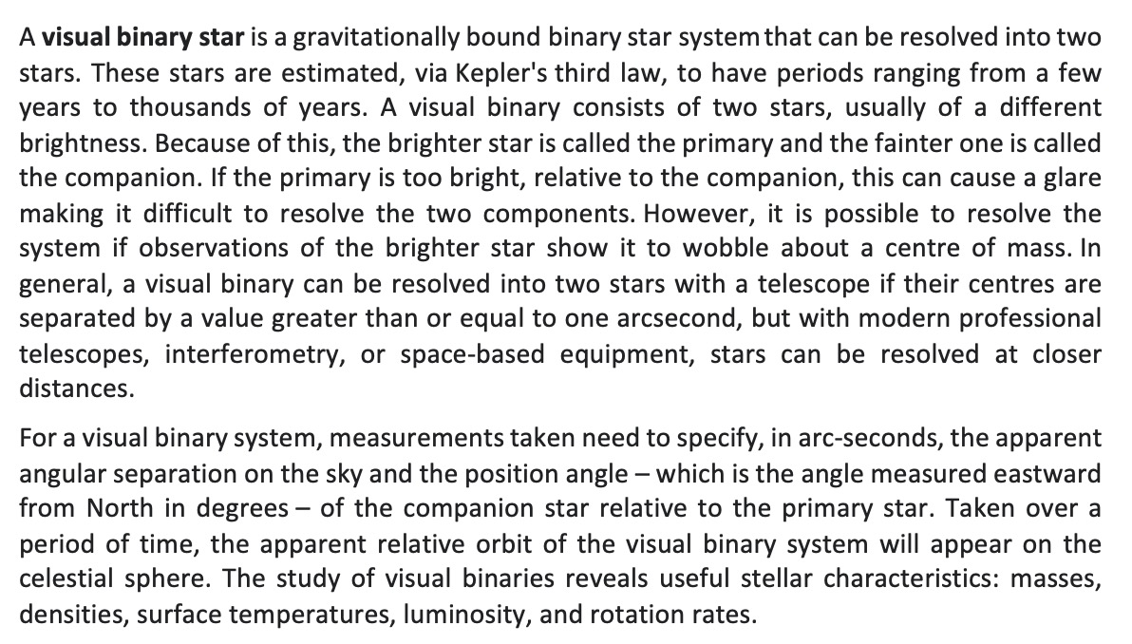

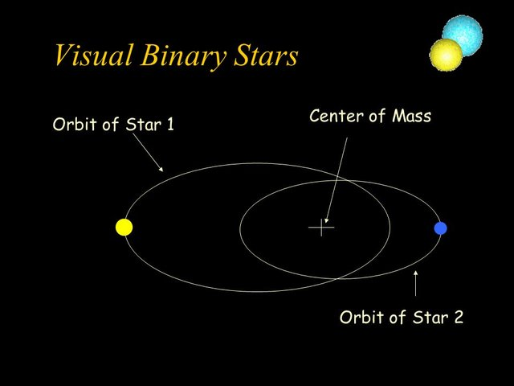

To Be Considered (1)
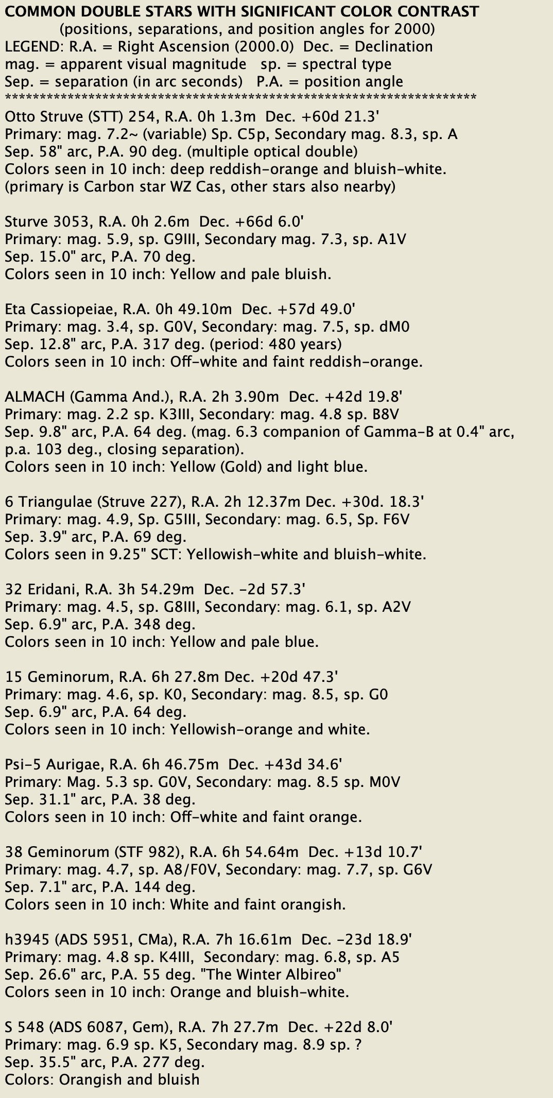
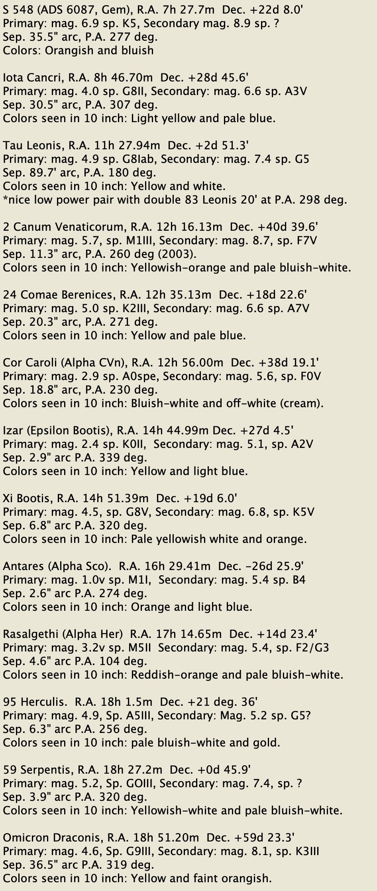
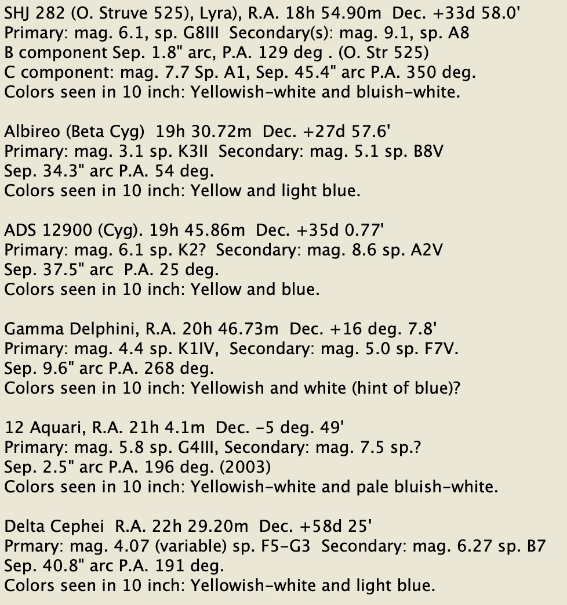
Source

