Introduction

The Antikythera Mechanism (also known as the Antikythera Device), dated to the late 2nd century/early 1st century BCE (roughly 205-60 BCE) is understood as the world's first analog computer, created to accurately calculate the position of the sun, moon, and planets. It was found in 1901 off the Greek island of Antikythera, giving it its name. This spreadsheet contains a model of the Antikythera gear train.

 | Compiled by: Anton Viola (Astronomy Morsels). | Email

 | Latest update: 12th December, 2024. | V1.1

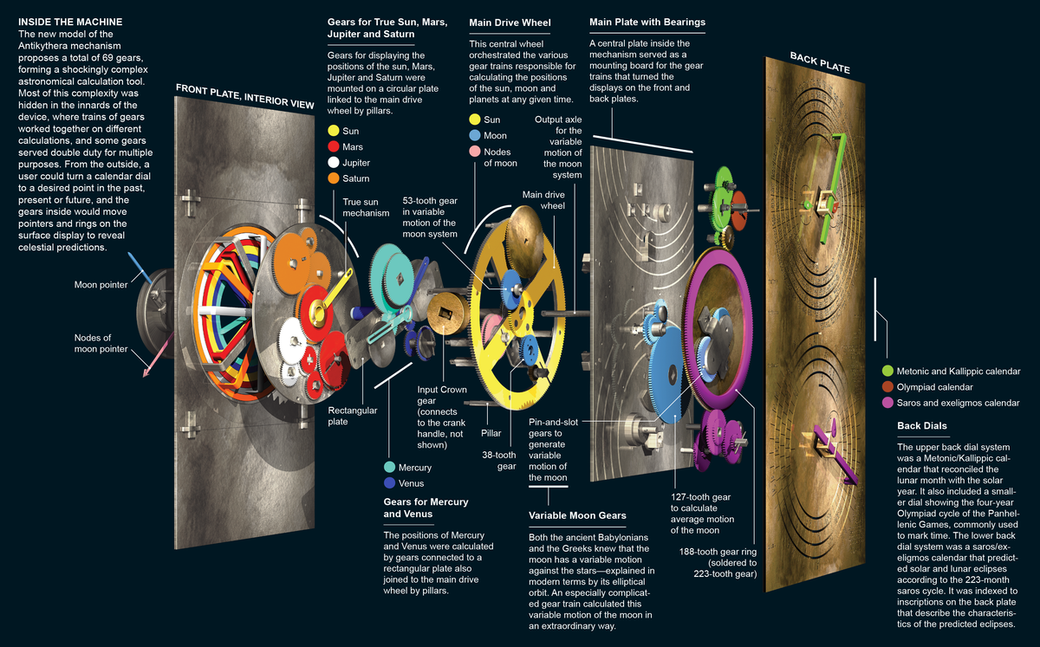

All Rights Reserved: © Astronomy Morsels.
I'm solely responsible for the input and express no warranty. Use at your own risk.
Nonetheless, this spreadsheet has been carefully reviewed, and calculation results have been compared with other applications.

Front, Back Dial
 |  | Inputs
 | # days | 0.000 | 0 |  |  |  |  | 10000

 | Train-id | Computed | Offset | True angle |  |  |  |  |  |  | Train-id | Computed | Offset | True angle
 | Metonic | 0.00 | 143.000 | 143.00 |  |  |  |  |  |  | Date | 0.00 | 81.000 | 81.00
 | Olympiad | 0.00 | 230.000 | 230.00 |  |  |  |  |  |  | Mercury | 0.00 | 310.000 | 310.00
 | Callippic | 0.00 | 340.000 | 340.00 |  |  |  |  |  |  | Mars | 0.00 | 252.000 | 252.00
 | Saros | 0.00 | 175.000 | 175.00 |  |  |  |  |  |  | Jupiter | 0.00 | 290.000 | 290.00
 | Exeligmos | 0.00 | 340.000 | 340.00 |  |  |  |  |  |  | Venus | 0.00 | 180.000 | 180.00 |  |  |  |  |  | ,
 |  |  |  |  |  |  |  |  |  |  | Saturn | 0.00 | 49.000 | 49.00
 |  |  |  |  |  |  |  |  |  |  | lunar orbit prec. | 0.00 | 0.000 | 0.00
 |  |  |  |  |  |  |  |  |  |  | moon's orbit | 0.00 | 108.000 | 108.00

 | Mercury-Pointer |  | Mercury-Body |  | Mars-Pointer |  | Mars-Body |  | Jupiter-Pointer |  | Jupiter-Body |  | Venus-Pointer |  | Venus-Body |  | Saturn-Pointer |  | Saturn-Body |  | Date-Pointer |  | Lunar-Origin
0.00 | 0.00 | 1.93 | -2.30 | 0.00 | 0.00 | -1.39 | -4.28 | 0.00 | 0.00 | 1.78 | -4.89 | 0.00 | 0.00 | -3.80 | 0.00 | 0.00 | 0.00 | 3.94 | 4.53 | 0.00 | 0.00 | 0 | 0
4.82 | -5.75 |  |  | -2.32 | -7.13 |  |  | 2.57 | -7.05 |  |  | -7.50 | 0.00 |  |  | 4.92 | 5.66 |  |  | 1.17 | 7.41

 |  |  |  |  |  |  |  |  |  |  | Only the Date Pointer is shown here, assuming it represents the mean sun.
 |  |  |  |  |  |  |  |  |  |  | The Solar Pointer, assumed to represent the true solar time, is not modelled and not displayed.

 |  |  |  |  |  |  |  |  |  |  | Open: correct modeling of the moon's (lunar) phase.

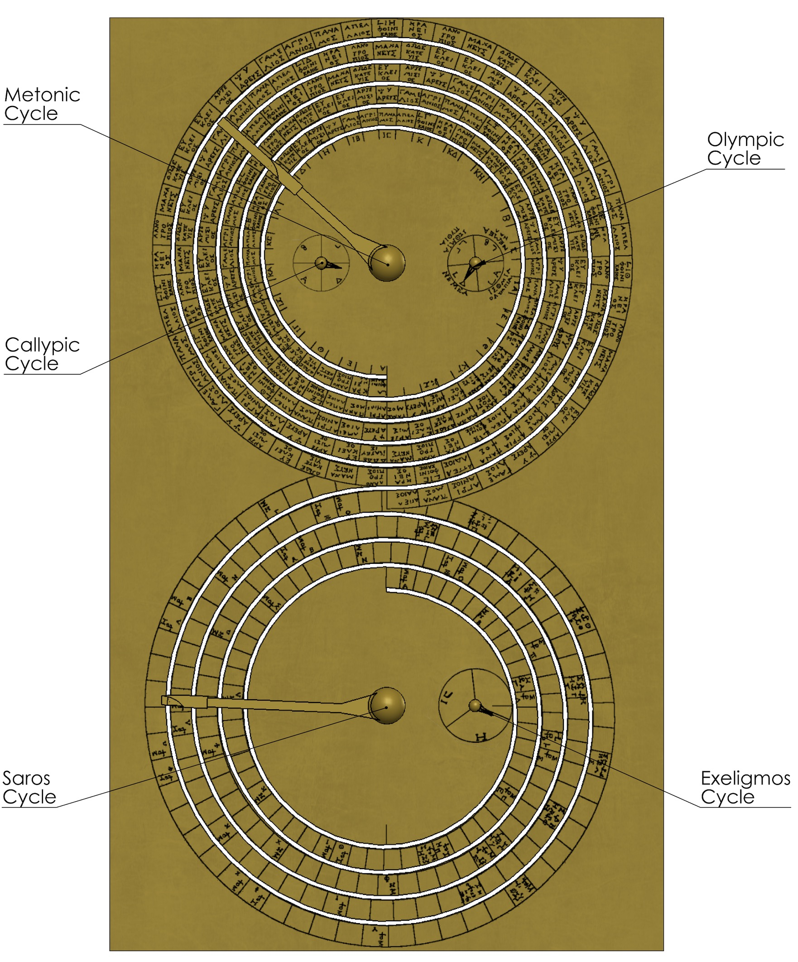

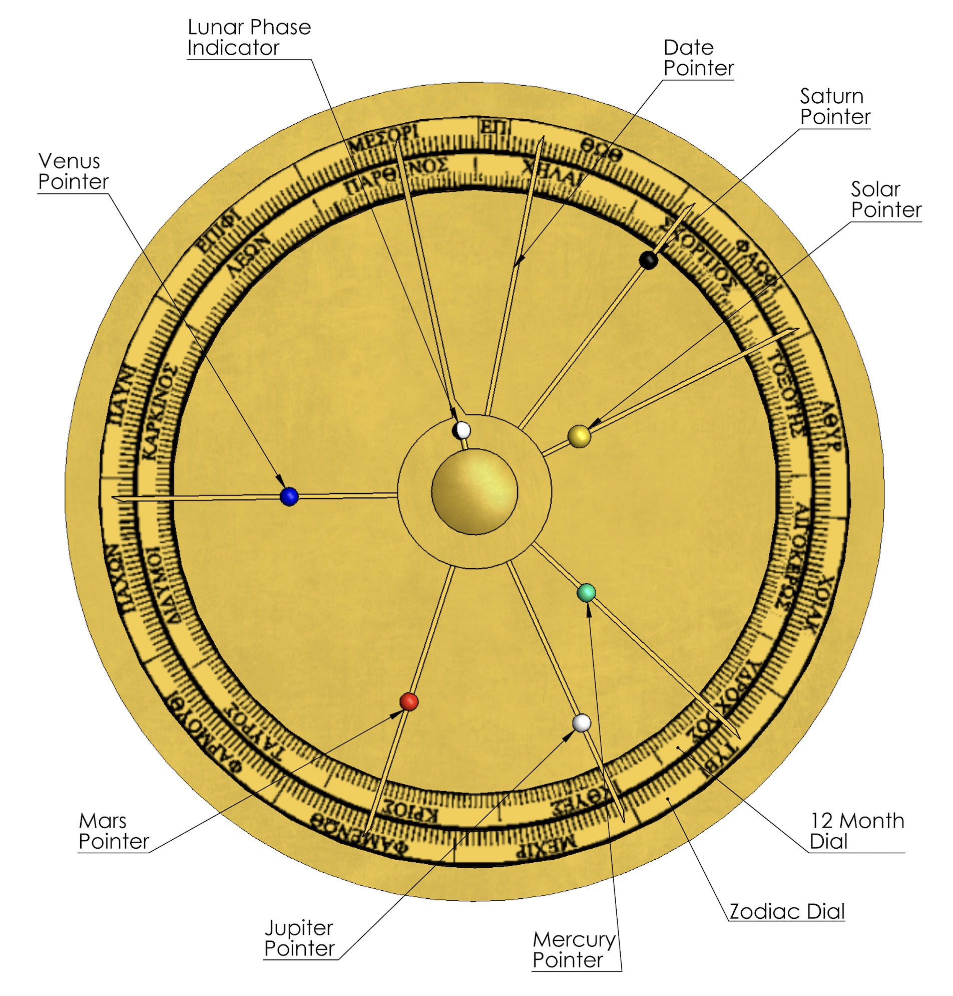

 | Proposal: Freeth et al., modelled by Scott Shambaugh. |  |  |  |  |  |  |  |  |  | Proposal: Freeth et al., modelled by Scott Shambaugh.

 | A. Back Dial |  |  |  |  |  |  |  |  |  | B. Front Dial

 | Metonic Cycle |  |  |  |  |  |  |  |  |  |  | Mercury Pointer
 | origin | actual |  |  |  |  |  |  |  |  |  | origin | actual | body
x | 0.00 | -3.99 |  |  |  |  |  |  |  |  | x | 0.00 | 4.82 | 1.93
y | 5.00 | 8.01 |  |  |  |  |  |  |  |  | y | 0.00 | -5.75 | -2.30
r |  | 5.00 |  |  |  |  |  |  |  |  | r |  | 7.50 | 3.00
angle |  | 143.00 |  |  |  |  |  |  |  |  | angle |  |  | 310.00

 |  |  |  |  |  |  |  |  |  |  |  | Mars Pointer
 |  |  |  |  |  |  |  |  |  |  |  | origin | actual | body
 |  |  |  |  |  |  |  |  |  |  | x | 0.00 | -2.32 | -1.39
 | Olympic Cycle |  |  |  |  |  |  |  |  |  | y | 0.00 | -7.13 | -4.28
 | origin | actual |  |  |  |  |  |  |  |  | r |  | 7.50 | 4.50
x | 2.00 | 1.68 |  |  |  |  |  |  |  |  | angle |  |  | 252.00
y | 5.00 | 4.62
r |  | 0.50 |  |  |  |  |  |  |  |  |  | Jupiter Pointer
angle |  | 230.00 |  |  |  |  |  |  |  |  |  | origin | actual | body
 |  |  |  |  |  |  |  |  |  |  | x | 0.00 | 2.57 | 1.78
 |  |  |  |  |  |  |  |  |  |  | y | 0.00 | -7.05 | -4.89
 |  |  |  |  |  |  |  |  |  |  | r |  | 7.50 | 5.20
 |  |  |  |  |  |  |  |  |  |  | angle |  |  | 290.00
 | Callypic Cycle
 | origin | actual |  |  |  |  |  |  |  |  |  | Venus Pointer
x | -1.50 | -1.03 |  |  |  |  |  |  |  |  |  | origin | actual | body
y | 5.00 | 4.83 |  |  |  |  |  |  |  |  | x | 0.00 | -7.50 | -3.80
r |  | 0.50 |  |  |  |  |  |  |  |  | y | 0.00 | 0.00 | 0.00
angle |  | 340.00 |  |  |  |  |  |  |  |  | r |  | 7.50 | 3.80
 |  |  |  |  |  |  |  |  |  |  | angle |  |  | 180.00

 |  |  |  |  |  |  |  |  |  |  |  | Saturn Pointer
 |  |  |  |  |  |  |  |  |  |  |  | origin | actual | body
 | Saros Cycle |  |  |  |  |  |  |  |  |  | x | 0.00 | 4.92 | 3.94
 | origin | actual |  |  |  |  |  |  |  |  | y | 0.00 | 5.66 | 4.53
x | 0.00 | -4.98 |  |  |  |  |  |  |  |  | r |  | 7.50 | 6.00
y | -5.00 | -4.56 |  |  |  |  |  |  |  |  | angle |  |  | 49.00
r |  | 5.00
angle |  | 175.00 |  |  |  |  |  |  |  |  |  | Date Pointer
 |  |  |  |  |  |  |  |  |  |  |  | origin | actual | body
 |  |  |  |  |  |  |  |  |  |  | x | 0.00 | 1.17 | 0.94
 |  |  |  |  |  |  |  |  |  |  | y | 0.00 | 7.41 | 5.93
 |  |  |  |  |  |  |  |  |  |  | r |  | 7.50 | 6.00
 | Exeligmos Cycle |  |  |  |  |  |  |  |  |  | angle |  |  | 81.00
 | origin | actual
x | 2.00 | 2.47 |  |  |  |  |  |  |  |  |  | Moon Pointer
y | -5.00 | -5.17 |  |  |  |  |  |  |  |  |  | origin | actual | body
r |  | 0.50 |  |  |  |  |  |  |  |  | x | 0.00 | -2.32 | -0.25
angle |  | 340.00 |  |  |  |  |  |  |  |  | y | 0.00 | 7.13 | 0.76
 |  |  |  |  |  |  |  |  |  |  | r |  | 7.50 | 0.80
 |  |  |  |  |  |  |  |  |  |  | angle |  |  | 108.00

Circles + Lines

Metonic Cycle |  |  |  | Olympic Cycle |  |  |  | Callypic Cycle |  |  |  | Saros Cycle |  |  |  | Exeligmos Cycle |  |  | 12 Month Dial (inner) |  |  | 12 Month Dial (outer) |  |  | Zodiac Dial |  |  | Month Dial lines |  |  | Zodiac Dial lines
r | 5.00 |  |  | r | 0.6 |  |  | r | 0.6 |  |  | r | 5.00 |  |  | r | 1 |  | r | 6.2 |  | r | 7 |  | r | 7.7
angle | x | y |  | angle | x | y |  | angle | x | y |  | angle | x | y |  | angle | x | y | angle | x | y | angle | x | y | angle | x | y | angle | x | y | angle | x | y
0 | 5.00 | 5.00 |  | 0 | 2.60 | 5.00 |  | 0 | -0.90 | 5.00 |  | 0 | 5.00 | -5.00 |  | 0 | 3.00 | -5.00 | 0 | 6.20 | 0.00 | 0 | 7.00 | 0.00 | 0 | 7.70 | 0.00 | 0 | 6.20 | 0.00 | 21 | 6.54 | 2.51
5 | 4.98 | 5.44 |  | 5 | 2.60 | 5.05 |  | 5 | -0.90 | 5.05 |  | 5 | 4.98 | -4.56 |  | 5 | 3.00 | -4.91 | 5 | 6.18 | 0.54 | 5 | 6.97 | 0.61 | 5 | 7.67 | 0.67 |  | 7.00 | 0.00 |  | 7.19 | 2.76
10 | 4.92 | 5.87 |  | 10 | 2.59 | 5.10 |  | 10 | -0.91 | 5.10 |  | 10 | 4.92 | -4.13 |  | 10 | 2.98 | -4.83 | 10 | 6.11 | 1.08 | 10 | 6.89 | 1.22 | 10 | 7.58 | 1.34 | 30 | 5.37 | 3.10 | 51 | 4.41 | 5.44
15 | 4.83 | 6.29 |  | 15 | 2.58 | 5.16 |  | 15 | -0.92 | 5.16 |  | 15 | 4.83 | -3.71 |  | 15 | 2.97 | -4.74 | 15 | 5.99 | 1.60 | 15 | 6.76 | 1.81 | 15 | 7.44 | 1.99 |  | 6.06 | 3.50 |  | 4.85 | 5.98
20 | 4.70 | 6.71 |  | 20 | 2.56 | 5.21 |  | 20 | -0.94 | 5.21 |  | 20 | 4.70 | -3.29 |  | 20 | 2.94 | -4.66 | 20 | 5.83 | 2.12 | 20 | 6.58 | 2.39 | 20 | 7.24 | 2.63 | 60 | 3.10 | 5.37 | 81 | 1.10 | 6.91
25 | 4.53 | 7.11 |  | 25 | 2.54 | 5.25 |  | 25 | -0.96 | 5.25 |  | 25 | 4.53 | -2.89 |  | 25 | 2.91 | -4.58 | 25 | 5.62 | 2.62 | 25 | 6.34 | 2.96 | 25 | 6.98 | 3.25 |  | 3.50 | 6.06 |  | 1.20 | 7.61
30 | 4.33 | 7.50 |  | 30 | 2.52 | 5.30 |  | 30 | -0.98 | 5.30 |  | 30 | 4.33 | -2.50 |  | 30 | 2.87 | -4.50 | 30 | 5.37 | 3.10 | 30 | 6.06 | 3.50 | 30 | 6.67 | 3.85 | 90 | 0.00 | 6.20 | 111 | -2.51 | 6.54
35 | 4.10 | 7.87 |  | 35 | 2.49 | 5.34 |  | 35 | -1.01 | 5.34 |  | 35 | 4.10 | -2.13 |  | 35 | 2.82 | -4.43 | 35 | 5.08 | 3.56 | 35 | 5.73 | 4.02 | 35 | 6.31 | 4.42 |  | 0.00 | 7.00 |  | -2.76 | 7.19
40 | 3.83 | 8.21 |  | 40 | 2.46 | 5.39 |  | 40 | -1.04 | 5.39 |  | 40 | 3.83 | -1.79 |  | 40 | 2.77 | -4.36 | 40 | 4.75 | 3.99 | 40 | 5.36 | 4.50 | 40 | 5.90 | 4.95 | 120 | -3.10 | 5.37 | 141 | -5.44 | 4.41
45 | 3.54 | 8.54 |  | 45 | 2.42 | 5.42 |  | 45 | -1.08 | 5.42 |  | 45 | 3.54 | -1.46 |  | 45 | 2.71 | -4.29 | 45 | 4.38 | 4.38 | 45 | 4.95 | 4.95 | 45 | 5.44 | 5.44 |  | -3.50 | 6.06 |  | -5.98 | 4.85
50 | 3.21 | 8.83 |  | 50 | 2.39 | 5.46 |  | 50 | -1.11 | 5.46 |  | 50 | 3.21 | -1.17 |  | 50 | 2.64 | -4.23 | 50 | 3.99 | 4.75 | 50 | 4.50 | 5.36 | 50 | 4.95 | 5.90 | 150 | -5.37 | 3.10 | 171 | -6.91 | 1.10
55 | 2.87 | 9.10 |  | 55 | 2.34 | 5.49 |  | 55 | -1.16 | 5.49 |  | 55 | 2.87 | -0.90 |  | 55 | 2.57 | -4.18 | 55 | 3.56 | 5.08 | 55 | 4.02 | 5.73 | 55 | 4.42 | 6.31 |  | -6.06 | 3.50 |  | -7.61 | 1.20
60 | 2.50 | 9.33 |  | 60 | 2.30 | 5.52 |  | 60 | -1.20 | 5.52 |  | 60 | 2.50 | -0.67 |  | 60 | 2.50 | -4.13 | 60 | 3.10 | 5.37 | 60 | 3.50 | 6.06 | 60 | 3.85 | 6.67 | 180 | -6.20 | 0.00 | 201 | -6.54 | -2.51
65 | 2.11 | 9.53 |  | 65 | 2.25 | 5.54 |  | 65 | -1.25 | 5.54 |  | 65 | 2.11 | -0.47 |  | 65 | 2.42 | -4.09 | 65 | 2.62 | 5.62 | 65 | 2.96 | 6.34 | 65 | 3.25 | 6.98 |  | -7.00 | 0.00 |  | -7.19 | -2.76
70 | 1.71 | 9.70 |  | 70 | 2.21 | 5.56 |  | 70 | -1.29 | 5.56 |  | 70 | 1.71 | -0.30 |  | 70 | 2.34 | -4.06 | 70 | 2.12 | 5.83 | 70 | 2.39 | 6.58 | 70 | 2.63 | 7.24 | 210 | -5.37 | -3.10 | 231 | -4.41 | -5.44
75 | 1.29 | 9.83 |  | 75 | 2.16 | 5.58 |  | 75 | -1.34 | 5.58 |  | 75 | 1.29 | -0.17 |  | 75 | 2.26 | -4.03 | 75 | 1.60 | 5.99 | 75 | 1.81 | 6.76 | 75 | 1.99 | 7.44 |  | -6.06 | -3.50 |  | -4.85 | -5.98
80 | 0.87 | 9.92 |  | 80 | 2.10 | 5.59 |  | 80 | -1.40 | 5.59 |  | 80 | 0.87 | -0.08 |  | 80 | 2.17 | -4.02 | 80 | 1.08 | 6.11 | 80 | 1.22 | 6.89 | 80 | 1.34 | 7.58 | 240 | -3.10 | -5.37 | 261 | -1.10 | -6.91
85 | 0.44 | 9.98 |  | 85 | 2.05 | 5.60 |  | 85 | -1.45 | 5.60 |  | 85 | 0.44 | -0.02 |  | 85 | 2.09 | -4.00 | 85 | 0.54 | 6.18 | 85 | 0.61 | 6.97 | 85 | 0.67 | 7.67 |  | -3.50 | -6.06 |  | -1.20 | -7.61
90 | 0.00 | 10.00 |  | 90 | 2.00 | 5.60 |  | 90 | -1.50 | 5.60 |  | 90 | 0.00 | 0.00 |  | 90 | 2.00 | -4.00 | 90 | 0.00 | 6.20 | 90 | 0.00 | 7.00 | 90 | 0.00 | 7.70 | 270 | 0.00 | -6.20 | 291 | 2.51 | -6.54
95 | -0.44 | 9.98 |  | 95 | 1.95 | 5.60 |  | 95 | -1.55 | 5.60 |  | 95 | -0.44 | -0.02 |  | 95 | 1.91 | -4.00 | 95 | -0.54 | 6.18 | 95 | -0.61 | 6.97 | 95 | -0.67 | 7.67 |  | 0.00 | -7.00 |  | 2.76 | -7.19
100 | -0.87 | 9.92 |  | 100 | 1.90 | 5.59 |  | 100 | -1.60 | 5.59 |  | 100 | -0.87 | -0.08 |  | 100 | 1.83 | -4.02 | 100 | -1.08 | 6.11 | 100 | -1.22 | 6.89 | 100 | -1.34 | 7.58 | 300 | 3.10 | -5.37 | 321 | 5.44 | -4.41
105 | -1.29 | 9.83 |  | 105 | 1.84 | 5.58 |  | 105 | -1.66 | 5.58 |  | 105 | -1.29 | -0.17 |  | 105 | 1.74 | -4.03 | 105 | -1.60 | 5.99 | 105 | -1.81 | 6.76 | 105 | -1.99 | 7.44 |  | 3.50 | -6.06 |  | 5.98 | -4.85
110 | -1.71 | 9.70 |  | 110 | 1.79 | 5.56 |  | 110 | -1.71 | 5.56 |  | 110 | -1.71 | -0.30 |  | 110 | 1.66 | -4.06 | 110 | -2.12 | 5.83 | 110 | -2.39 | 6.58 | 110 | -2.63 | 7.24 | 330 | 5.37 | -3.10 | 351 | 6.91 | -1.10
115 | -2.11 | 9.53 |  | 115 | 1.75 | 5.54 |  | 115 | -1.75 | 5.54 |  | 115 | -2.11 | -0.47 |  | 115 | 1.58 | -4.09 | 115 | -2.62 | 5.62 | 115 | -2.96 | 6.34 | 115 | -3.25 | 6.98 |  | 6.06 | -3.50 |  | 7.61 | -1.20
120 | -2.50 | 9.33 |  | 120 | 1.70 | 5.52 |  | 120 | -1.80 | 5.52 |  | 120 | -2.50 | -0.67 |  | 120 | 1.50 | -4.13 | 120 | -3.10 | 5.37 | 120 | -3.50 | 6.06 | 120 | -3.85 | 6.67
125 | -2.87 | 9.10 |  | 125 | 1.66 | 5.49 |  | 125 | -1.84 | 5.49 |  | 125 | -2.87 | -0.90 |  | 125 | 1.43 | -4.18 | 125 | -3.56 | 5.08 | 125 | -4.02 | 5.73 | 125 | -4.42 | 6.31
130 | -3.21 | 8.83 |  | 130 | 1.61 | 5.46 |  | 130 | -1.89 | 5.46 |  | 130 | -3.21 | -1.17 |  | 130 | 1.36 | -4.23 | 130 | -3.99 | 4.75 | 130 | -4.50 | 5.36 | 130 | -4.95 | 5.90
135 | -3.54 | 8.54 |  | 135 | 1.58 | 5.42 |  | 135 | -1.92 | 5.42 |  | 135 | -3.54 | -1.46 |  | 135 | 1.29 | -4.29 | 135 | -4.38 | 4.38 | 135 | -4.95 | 4.95 | 135 | -5.44 | 5.44
140 | -3.83 | 8.21 |  | 140 | 1.54 | 5.39 |  | 140 | -1.96 | 5.39 |  | 140 | -3.83 | -1.79 |  | 140 | 1.23 | -4.36 | 140 | -4.75 | 3.99 | 140 | -5.36 | 4.50 | 140 | -5.90 | 4.95
145 | -4.10 | 7.87 |  | 145 | 1.51 | 5.34 |  | 145 | -1.99 | 5.34 |  | 145 | -4.10 | -2.13 |  | 145 | 1.18 | -4.43 | 145 | -5.08 | 3.56 | 145 | -5.73 | 4.02 | 145 | -6.31 | 4.42
150 | -4.33 | 7.50 |  | 150 | 1.48 | 5.30 |  | 150 | -2.02 | 5.30 |  | 150 | -4.33 | -2.50 |  | 150 | 1.13 | -4.50 | 150 | -5.37 | 3.10 | 150 | -6.06 | 3.50 | 150 | -6.67 | 3.85
155 | -4.53 | 7.11 |  | 155 | 1.46 | 5.25 |  | 155 | -2.04 | 5.25 |  | 155 | -4.53 | -2.89 |  | 155 | 1.09 | -4.58 | 155 | -5.62 | 2.62 | 155 | -6.34 | 2.96 | 155 | -6.98 | 3.25
160 | -4.70 | 6.71 |  | 160 | 1.44 | 5.21 |  | 160 | -2.06 | 5.21 |  | 160 | -4.70 | -3.29 |  | 160 | 1.06 | -4.66 | 160 | -5.83 | 2.12 | 160 | -6.58 | 2.39 | 160 | -7.24 | 2.63
165 | -4.83 | 6.29 |  | 165 | 1.42 | 5.16 |  | 165 | -2.08 | 5.16 |  | 165 | -4.83 | -3.71 |  | 165 | 1.03 | -4.74 | 165 | -5.99 | 1.60 | 165 | -6.76 | 1.81 | 165 | -7.44 | 1.99
170 | -4.92 | 5.87 |  | 170 | 1.41 | 5.10 |  | 170 | -2.09 | 5.10 |  | 170 | -4.92 | -4.13 |  | 170 | 1.02 | -4.83 | 170 | -6.11 | 1.08 | 170 | -6.89 | 1.22 | 170 | -7.58 | 1.34
175 | -4.98 | 5.44 |  | 175 | 1.40 | 5.05 |  | 175 | -2.10 | 5.05 |  | 175 | -4.98 | -4.56 |  | 175 | 1.00 | -4.91 | 175 | -6.18 | 0.54 | 175 | -6.97 | 0.61 | 175 | -7.67 | 0.67
180 | -5.00 | 5.00 |  | 180 | 1.40 | 5.00 |  | 180 | -2.10 | 5.00 |  | 180 | -5.00 | -5.00 |  | 180 | 1.00 | -5.00 | 180 | -6.20 | 0.00 | 180 | -7.00 | 0.00 | 180 | -7.70 | 0.00
185 | -4.98 | 4.56 |  | 185 | 1.40 | 4.95 |  | 185 | -2.10 | 4.95 |  | 185 | -4.98 | -5.44 |  | 185 | 1.00 | -5.09 | 185 | -6.18 | -0.54 | 185 | -6.97 | -0.61 | 185 | -7.67 | -0.67
190 | -4.92 | 4.13 |  | 190 | 1.41 | 4.90 |  | 190 | -2.09 | 4.90 |  | 190 | -4.92 | -5.87 |  | 190 | 1.02 | -5.17 | 190 | -6.11 | -1.08 | 190 | -6.89 | -1.22 | 190 | -7.58 | -1.34
195 | -4.83 | 3.71 |  | 195 | 1.42 | 4.84 |  | 195 | -2.08 | 4.84 |  | 195 | -4.83 | -6.29 |  | 195 | 1.03 | -5.26 | 195 | -5.99 | -1.60 | 195 | -6.76 | -1.81 | 195 | -7.44 | -1.99
200 | -4.70 | 3.29 |  | 200 | 1.44 | 4.79 |  | 200 | -2.06 | 4.79 |  | 200 | -4.70 | -6.71 |  | 200 | 1.06 | -5.34 | 200 | -5.83 | -2.12 | 200 | -6.58 | -2.39 | 200 | -7.24 | -2.63
205 | -4.53 | 2.89 |  | 205 | 1.46 | 4.75 |  | 205 | -2.04 | 4.75 |  | 205 | -4.53 | -7.11 |  | 205 | 1.09 | -5.42 | 205 | -5.62 | -2.62 | 205 | -6.34 | -2.96 | 205 | -6.98 | -3.25
210 | -4.33 | 2.50 |  | 210 | 1.48 | 4.70 |  | 210 | -2.02 | 4.70 |  | 210 | -4.33 | -7.50 |  | 210 | 1.13 | -5.50 | 210 | -5.37 | -3.10 | 210 | -6.06 | -3.50 | 210 | -6.67 | -3.85
215 | -4.10 | 2.13 |  | 215 | 1.51 | 4.66 |  | 215 | -1.99 | 4.66 |  | 215 | -4.10 | -7.87 |  | 215 | 1.18 | -5.57 | 215 | -5.08 | -3.56 | 215 | -5.73 | -4.02 | 215 | -6.31 | -4.42
220 | -3.83 | 1.79 |  | 220 | 1.54 | 4.61 |  | 220 | -1.96 | 4.61 |  | 220 | -3.83 | -8.21 |  | 220 | 1.23 | -5.64 | 220 | -4.75 | -3.99 | 220 | -5.36 | -4.50 | 220 | -5.90 | -4.95
225 | -3.54 | 1.46 |  | 225 | 1.58 | 4.58 |  | 225 | -1.92 | 4.58 |  | 225 | -3.54 | -8.54 |  | 225 | 1.29 | -5.71 | 225 | -4.38 | -4.38 | 225 | -4.95 | -4.95 | 225 | -5.44 | -5.44
230 | -3.21 | 1.17 |  | 230 | 1.61 | 4.54 |  | 230 | -1.89 | 4.54 |  | 230 | -3.21 | -8.83 |  | 230 | 1.36 | -5.77 | 230 | -3.99 | -4.75 | 230 | -4.50 | -5.36 | 230 | -4.95 | -5.90
235 | -2.87 | 0.90 |  | 235 | 1.66 | 4.51 |  | 235 | -1.84 | 4.51 |  | 235 | -2.87 | -9.10 |  | 235 | 1.43 | -5.82 | 235 | -3.56 | -5.08 | 235 | -4.02 | -5.73 | 235 | -4.42 | -6.31
240 | -2.50 | 0.67 |  | 240 | 1.70 | 4.48 |  | 240 | -1.80 | 4.48 |  | 240 | -2.50 | -9.33 |  | 240 | 1.50 | -5.87 | 240 | -3.10 | -5.37 | 240 | -3.50 | -6.06 | 240 | -3.85 | -6.67
245 | -2.11 | 0.47 |  | 245 | 1.75 | 4.46 |  | 245 | -1.75 | 4.46 |  | 245 | -2.11 | -9.53 |  | 245 | 1.58 | -5.91 | 245 | -2.62 | -5.62 | 245 | -2.96 | -6.34 | 245 | -3.25 | -6.98
250 | -1.71 | 0.30 |  | 250 | 1.79 | 4.44 |  | 250 | -1.71 | 4.44 |  | 250 | -1.71 | -9.70 |  | 250 | 1.66 | -5.94 | 250 | -2.12 | -5.83 | 250 | -2.39 | -6.58 | 250 | -2.63 | -7.24
255 | -1.29 | 0.17 |  | 255 | 1.84 | 4.42 |  | 255 | -1.66 | 4.42 |  | 255 | -1.29 | -9.83 |  | 255 | 1.74 | -5.97 | 255 | -1.60 | -5.99 | 255 | -1.81 | -6.76 | 255 | -1.99 | -7.44
260 | -0.87 | 0.08 |  | 260 | 1.90 | 4.41 |  | 260 | -1.60 | 4.41 |  | 260 | -0.87 | -9.92 |  | 260 | 1.83 | -5.98 | 260 | -1.08 | -6.11 | 260 | -1.22 | -6.89 | 260 | -1.34 | -7.58
265 | -0.44 | 0.02 |  | 265 | 1.95 | 4.40 |  | 265 | -1.55 | 4.40 |  | 265 | -0.44 | -9.98 |  | 265 | 1.91 | -6.00 | 265 | -0.54 | -6.18 | 265 | -0.61 | -6.97 | 265 | -0.67 | -7.67
270 | 0.00 | 0.00 |  | 270 | 2.00 | 4.40 |  | 270 | -1.50 | 4.40 |  | 270 | 0.00 | -10.00 |  | 270 | 2.00 | -6.00 | 270 | 0.00 | -6.20 | 270 | 0.00 | -7.00 | 270 | 0.00 | -7.70
275 | 0.44 | 0.02 |  | 275 | 2.05 | 4.40 |  | 275 | -1.45 | 4.40 |  | 275 | 0.44 | -9.98 |  | 275 | 2.09 | -6.00 | 275 | 0.54 | -6.18 | 275 | 0.61 | -6.97 | 275 | 0.67 | -7.67
280 | 0.87 | 0.08 |  | 280 | 2.10 | 4.41 |  | 280 | -1.40 | 4.41 |  | 280 | 0.87 | -9.92 |  | 280 | 2.17 | -5.98 | 280 | 1.08 | -6.11 | 280 | 1.22 | -6.89 | 280 | 1.34 | -7.58
285 | 1.29 | 0.17 |  | 285 | 2.16 | 4.42 |  | 285 | -1.34 | 4.42 |  | 285 | 1.29 | -9.83 |  | 285 | 2.26 | -5.97 | 285 | 1.60 | -5.99 | 285 | 1.81 | -6.76 | 285 | 1.99 | -7.44
290 | 1.71 | 0.30 |  | 290 | 2.21 | 4.44 |  | 290 | -1.29 | 4.44 |  | 290 | 1.71 | -9.70 |  | 290 | 2.34 | -5.94 | 290 | 2.12 | -5.83 | 290 | 2.39 | -6.58 | 290 | 2.63 | -7.24
295 | 2.11 | 0.47 |  | 295 | 2.25 | 4.46 |  | 295 | -1.25 | 4.46 |  | 295 | 2.11 | -9.53 |  | 295 | 2.42 | -5.91 | 295 | 2.62 | -5.62 | 295 | 2.96 | -6.34 | 295 | 3.25 | -6.98
300 | 2.50 | 0.67 |  | 300 | 2.30 | 4.48 |  | 300 | -1.20 | 4.48 |  | 300 | 2.50 | -9.33 |  | 300 | 2.50 | -5.87 | 300 | 3.10 | -5.37 | 300 | 3.50 | -6.06 | 300 | 3.85 | -6.67
305 | 2.87 | 0.90 |  | 305 | 2.34 | 4.51 |  | 305 | -1.16 | 4.51 |  | 305 | 2.87 | -9.10 |  | 305 | 2.57 | -5.82 | 305 | 3.56 | -5.08 | 305 | 4.02 | -5.73 | 305 | 4.42 | -6.31
310 | 3.21 | 1.17 |  | 310 | 2.39 | 4.54 |  | 310 | -1.11 | 4.54 |  | 310 | 3.21 | -8.83 |  | 310 | 2.64 | -5.77 | 310 | 3.99 | -4.75 | 310 | 4.50 | -5.36 | 310 | 4.95 | -5.90
315 | 3.54 | 1.46 |  | 315 | 2.42 | 4.58 |  | 315 | -1.08 | 4.58 |  | 315 | 3.54 | -8.54 |  | 315 | 2.71 | -5.71 | 315 | 4.38 | -4.38 | 315 | 4.95 | -4.95 | 315 | 5.44 | -5.44
320 | 3.83 | 1.79 |  | 320 | 2.46 | 4.61 |  | 320 | -1.04 | 4.61 |  | 320 | 3.83 | -8.21 |  | 320 | 2.77 | -5.64 | 320 | 4.75 | -3.99 | 320 | 5.36 | -4.50 | 320 | 5.90 | -4.95
325 | 4.10 | 2.13 |  | 325 | 2.49 | 4.66 |  | 325 | -1.01 | 4.66 |  | 325 | 4.10 | -7.87 |  | 325 | 2.82 | -5.57 | 325 | 5.08 | -3.56 | 325 | 5.73 | -4.02 | 325 | 6.31 | -4.42
330 | 4.33 | 2.50 |  | 330 | 2.52 | 4.70 |  | 330 | -0.98 | 4.70 |  | 330 | 4.33 | -7.50 |  | 330 | 2.87 | -5.50 | 330 | 5.37 | -3.10 | 330 | 6.06 | -3.50 | 330 | 6.67 | -3.85
335 | 4.53 | 2.89 |  | 335 | 2.54 | 4.75 |  | 335 | -0.96 | 4.75 |  | 335 | 4.53 | -7.11 |  | 335 | 2.91 | -5.42 | 335 | 5.62 | -2.62 | 335 | 6.34 | -2.96 | 335 | 6.98 | -3.25
340 | 4.70 | 3.29 |  | 340 | 2.56 | 4.79 |  | 340 | -0.94 | 4.79 |  | 340 | 4.70 | -6.71 |  | 340 | 2.94 | -5.34 | 340 | 5.83 | -2.12 | 340 | 6.58 | -2.39 | 340 | 7.24 | -2.63
345 | 4.83 | 3.71 |  | 345 | 2.58 | 4.84 |  | 345 | -0.92 | 4.84 |  | 345 | 4.83 | -6.29 |  | 345 | 2.97 | -5.26 | 345 | 5.99 | -1.60 | 345 | 6.76 | -1.81 | 345 | 7.44 | -1.99
350 | 4.92 | 4.13 |  | 350 | 2.59 | 4.90 |  | 350 | -0.91 | 4.90 |  | 350 | 4.92 | -5.87 |  | 350 | 2.98 | -5.17 | 350 | 6.11 | -1.08 | 350 | 6.89 | -1.22 | 350 | 7.58 | -1.34
355 | 4.98 | 4.56 |  | 355 | 2.60 | 4.95 |  | 355 | -0.90 | 4.95 |  | 355 | 4.98 | -5.44 |  | 355 | 3.00 | -5.09 | 355 | 6.18 | -0.54 | 355 | 6.97 | -0.61 | 355 | 7.67 | -0.67
360 | 5.00 | 5.00 |  | 360 | 2.60 | 5.00 |  | 360 | -0.90 | 5.00 |  | 360 | 5.00 | -5.00 |  | 360 | 3.00 | -5.00 | 360 | 6.20 | 0.00 | 360 | 7.00 | 0.00 | 360 | 7.70 | 0.00

 |  |  | L1 | 5 | 2.60 | 5.05 | L1 | 355 | -0.90 | 4.95 |  |  |  |  | L1 | 95 | 1.91 | -4.00
 |  |  |  | 185 | 1.40 | 4.95 |  | 175 | -2.10 | 5.05 |  |  |  |  |  |  | 2.00 | -5.00
 |  |  | L2 | 95 | 1.95 | 5.60 | L2 | 85 | -1.45 | 5.60 |  |  |  |  | L2 | 215 | 1.18 | -5.57
 |  |  |  | 275 | 2.05 | 4.40 |  | 265 | -1.55 | 4.40 |  |  |  |  |  |  | 2.00 | -5.00
 |  |  |  |  |  |  |  |  |  |  |  |  |  |  | L3 | 335 | 2.91 | -5.42
 |  |  |  |  |  |  |  |  |  |  |  |  |  |  |  |  | 2.00 | -5.00

Background
