Introduction

The Maya calendar consists of several cycles or counts of different lengths. The 260-day count is known to scholars as the Tzolkin, or Tzolkʼin. The Tzolkin was combined with a 365-day vague solar year known as the Haabʼ to form a synchronized cycle lasting for 52 Haabʼ called the Calendar Round. In this spreadsheet, a conversion between the Maya and Gregorian calendar has been implemented. Further, solar system of the ancient Maya is analysed by looking at the different gear ratios.

 | Compiled by: Anton Viola (Astronomy Morsels). | Email

 | Latest update: 29th December, 2022. | V1.0

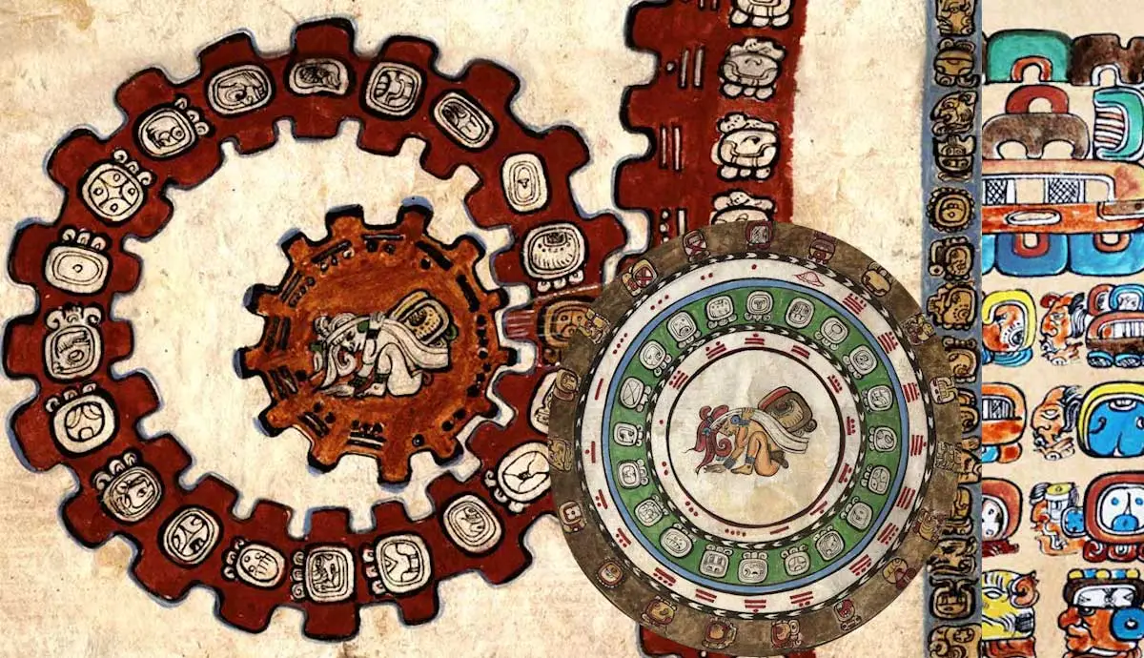

All Rights Reserved: © Astronomy Morsels.
I'm solely responsible for the input and express no warranty. Use at your own risk.
Nonetheless, this spreadsheet has been carefully reviewed, and calculation results have been compared with other applications.

Maya Calendar
A. Calendar Round

religious month | religious day | civil day | civil month
13 | 20 | 20 | 19 |  |  | # days | LCM | factor
Trecena cycle | Named Days |  | Haab' |  | Tzolk'in | 260 | 18,980 | 73
1 | Imix | 0 | Pop |  | Haab' | 365 |  | 52
2 | Ik | 1 | Uo
3 | Akbal | 2 | Zip |  | Calendar Round | = aXbY | a: | religious month | 1-13 (Trecena cycle)
4 | Kan | 3 | Zotz |  |  |  | X: | religious day | 1-20 (Imix-Ahau)
5 | Chicchan | 4 | Tzec |  |  |  | b: | civil day | 0-19 (0 <= b <= 4 for Uayeb)
6 | Cimi | 5 | Xul |  |  |  | Y: | civil month | 0-18 (Haab)
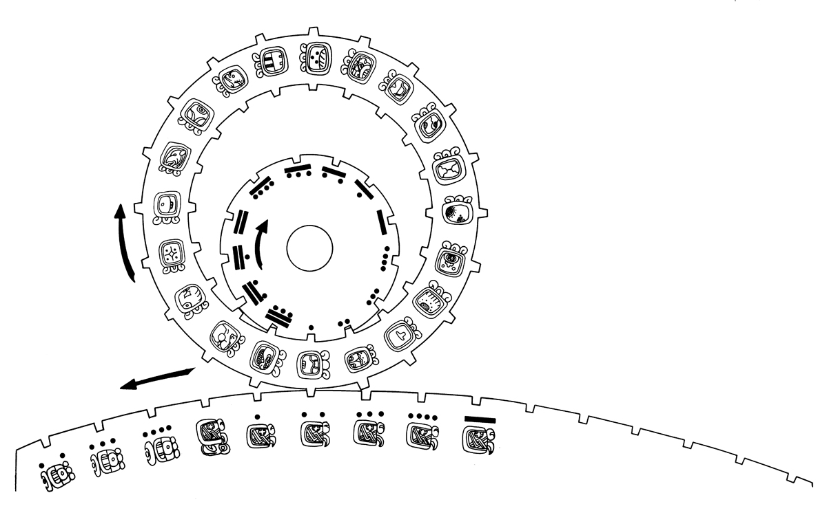
7 | Manik | 6 | Yaxkin
8 | Lamat | 7 | Mol
9 | Muluc | 8 | Chen
10 | Oc | 9 | Yax
11 | Chuen | 10 | Zac
12 | Eb | 11 | Ceh
13 | Ben | 12 | Mac
 | Ix | 13 | Kankin
 | Men | 14 | Muan
 | Cib | 15 | Pax
 | Caban | 16 | Kayab
 | Etznab | 17 | Cumku
 | Cauac | 18 | Uayeb
 | Ahau | 19

B. Conversion between Maya and Gregorian Calendar

 | Inputs |  |  |  |  | Inputs
Long Count |  | JDN | Gregorian |  | Gregorian |  | JDN | Long Count
Baktun | 9 | 1,941,382.50 | 603 | Year | Year | 1929 | 2,425,660.50 | 12 | Baktun
Katun | 8 | Fixed | March | Month | Month | February | Fixed | 15 | Katun
Tun | 9 | 219,958.00 | 24 | Day | Day | 18 | 704,236.00 | 14 | Tun
Uinal | 13 | long count |  |  | Hours | 0 | long count | 16 | Uinal
Kin | 0 | 1,357,100 | Thursday | Day of week | Minutes | 0 | 1,841,378 | 18 | Kin
Start date: 0.0.0.0.0 4 Ahau 8 Cumku, equal to 11 Aug -3113, and equal to 11 Aug 3114 BC (no year zero). |  | CR cycle |  |  |  |  | CR cycle
 |  | 71 |  |  | Day of week | Monday | 97
a | 8 | Tzolk'in | Delta (JDN): | 1,357,100 | Delta (JDN): | 1,841,378 | Tzolk'in | 10 | a
X | Ahau |  |  |  |  |  |  | Etznab | X
b | 13 | Haab' | Day number: | 348 | Day number: | 348 | Haab' | 1 | b
Y | Pop |  |  | 13 |  | 301 |  | Pax | Y

 | factor | # days | # Tzolk'in | # Haab'
Kin | - | 1 | - | -
Uinal | 20 | 20 | - | -
Tun | 18 | 360 | 1.38 | 0.99
Katun | 20 | 7,200 | 27.69 | 19.73
Baktun | 20 | 144,000 | 553.85 | 394.52
Long Count | 13 | 1,872,000 | 7,200.00 | 5,128.77

Creation date: | 4 | Ahau | JDN | Gregorian
13.0.0.0.0.0 | 8 | Cumku | 584,282.50 | 11-Aug-3113 BC

Cycles, Gear Train
A. Tzolk'in, Haab' cycle

 | # days | LCM | factor
Tzolk'in | 260 | 18,980 | 73
Haab' | 365 |  | 52

B. Planetary cycles

LCM |  | Tzolk'in | Haab' | Saturn | 13 moons | Jupiter | 3 eclipse years | Venus | Mars | 819-day cycle
 |  | 260 | 365 | 378 | 384 | 399 | 520 | 584 | 780 | 819
Tzolk'in | 260 | 260 | 18,980 | 49,140 | 24,960 | 103,740 | 520 | 37,960 | 780 | 16,380
Haab' | 365 | 18,980 | 365 | 137,970 | 140,160 | 145,635 | 37,960 | 2,920 | 56,940 | 298,935
Saturn | 378 | 49,140 | 137,970 | 378 | 24,192 | 7,182 | 98,280 | 110,376 | 49,140 | 4,914
13 moons | 384 | 24,960 | 140,160 | 24,192 | 384 | 51,072 | 24,960 | 28,032 | 24,960 | 104,832
Jupiter | 399 | 103,740 | 145,635 | 7,182 | 51,072 | 399 | 207,480 | 233,016 | 103,740 | 15,561
3 eclipse years | 520 | 520 | 37,960 | 98,280 | 24,960 | 207,480 | 520 | 37,960 | 1,560 | 32,760
Venus | 584 | 37,960 | 2,920 | 110,376 | 28,032 | 233,016 | 37,960 | 584 | 113,880 | 478,296
Mars | 780 | 780 | 56,940 | 49,140 | 24,960 | 103,740 | 1,560 | 113,880 | 780 | 16,380
819-day cycle | 819 | 16,380 | 298,935 | 4,914 | 104,832 | 15,561 | 32,760 | 478,296 | 16,380 | 819

Gear ratios from LCM |  | Tzolk'in | Haab' | Saturn | 13 moons | Jupiter | 3 eclipse years | Venus | Mars | 819-day cycle
 |  | 260 | 365 | 378 | 384 | 399 | 520 | 584 | 780 | 819
Tzolk'in | 260 | 1 | 52 | 130 | 65 | 260 | 1 | 65 | 1 | 20
Haab' | 365 | 73 | 1 | 365 | 365 | 365 | 73 | 5 | 73 | 365
Saturn | 378 | 189 | 378 | 1 | 63 | 18 | 189 | 189 | 63 | 6
13 moons | 384 | 96 | 384 | 64 | 1 | 128 | 48 | 48 | 32 | 128
Jupiter | 399 | 399 | 399 | 19 | 133 | 1 | 399 | 399 | 133 | 19
3 eclipse years | 520 | 2 | 104 | 260 | 65 | 520 | 1 | 65 | 2 | 40
Venus | 584 | 146 | 8 | 292 | 73 | 584 | 73 | 1 | 146 | 584
Mars | 780 | 3 | 156 | 130 | 65 | 260 | 3 | 195 | 1 | 20
819-day cycle | 819 | 63 | 819 | 13 | 273 | 39 | 63 | 819 | 21 | 1

C. Gear Ratios (see Solar System on next worksheet)

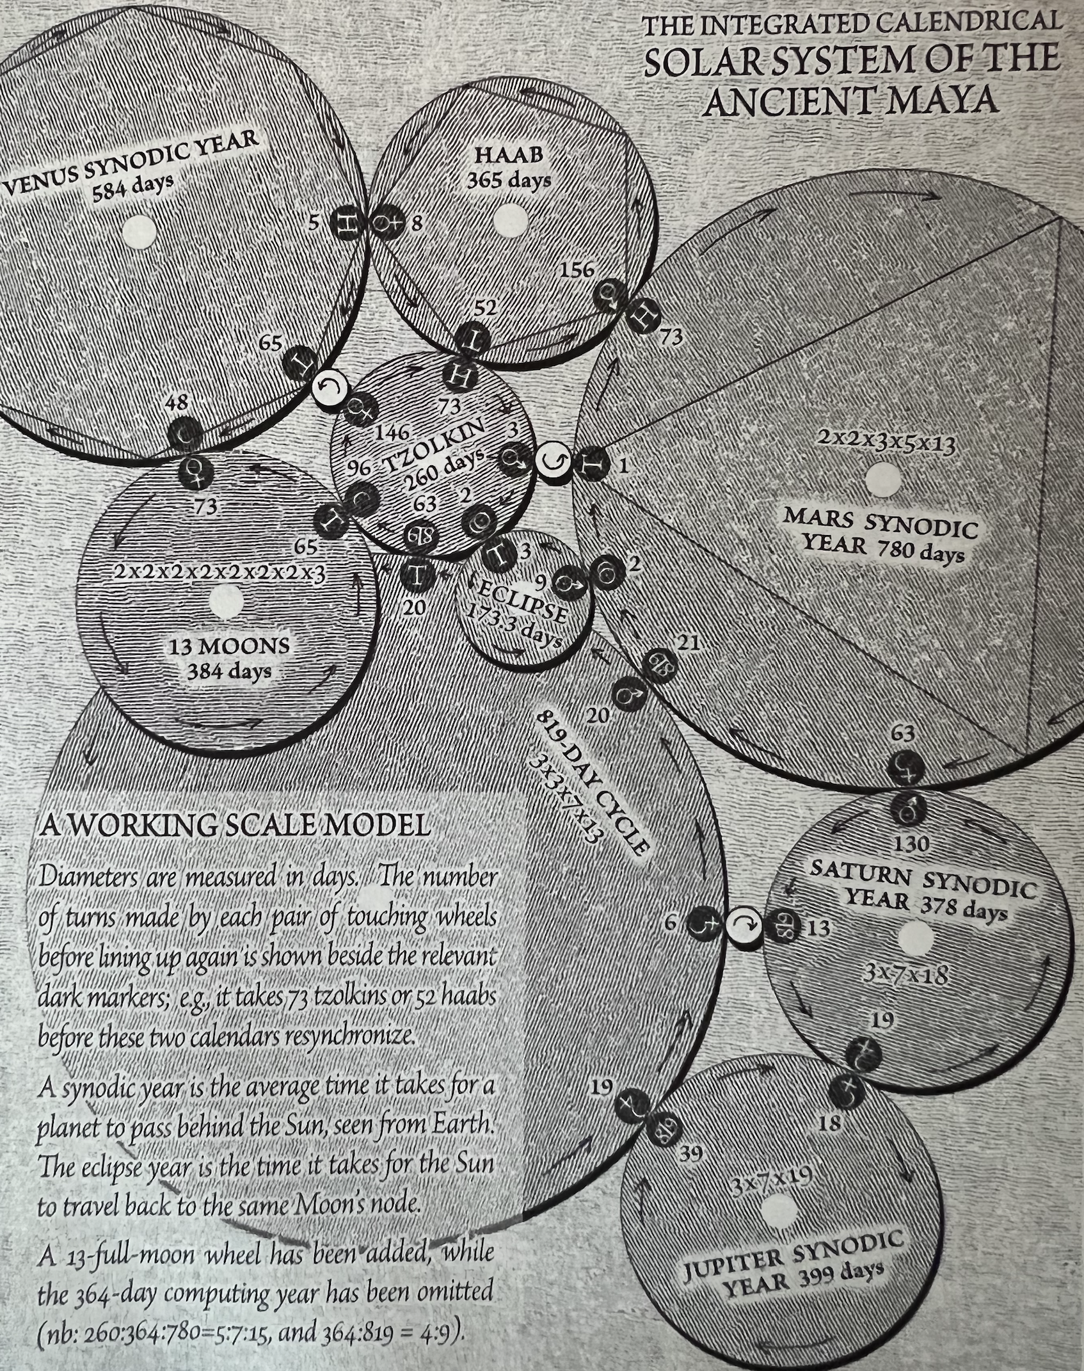
 | Cycle 1 | * (Gear 1 / Gear 2) |  | = Cycle 2
Tzolk'in | 260 | 146 | 65 | 584.00 | Venus
 | 260 | 73 | 52 | 365.00 | Haab'
 | 260 | 3 | 1 | 780.00 | Mars
 | 260 | 2 | 3 | 173.33 | Eclipse
 | 260 | 63 | 20 | 819.00 | 819-day cycle
 | 260 | 96 | 65 | 384.00 | Moons (13)
Mars | 780 | 73 | 156 | 365.00 | Haab'
 | 780 | 1 | 3 | 260.00 | Tzolk'in
 | 780 | 2 | 9 | 173.33 | Eclipse
 | 780 | 21 | 20 | 819.00 | 819-day cycle
 | 780 | 63 | 130 | 378.00 | Saturn
Venus | 584 | 5 | 8 | 365.00 | Haab'
 | 584 | 65 | 146 | 260.00 | Tzolk'in
 | 584 | 48 | 73 | 384.00 | Moons (13)
Saturn | 378 | 130 | 63 | 780.00 | Mars
 | 378 | 13 | 6 | 819.00 | 819-day cycle
 | 378 | 19 | 18 | 399.00 | Jupiter

Other possibilies:

 | Cycle 1 | * (Gear 1 / Gear 2) |  | = Cycle 2
Tropical year | 365.242 | 42 | 59 | 260.0028 | Tzolk'in
 | 365.242 | 1507 | 1508 | 364.9998 | Haab'
Synodic month | 29.53059 | 405 | 46 | 259.9976 | Tzolk'in

Background
