Introduction

This spreadsheet contains data regarding Messier objects. The Messier objects are a set of 110 astronomical objects catalogued by the French astronomer Charles Messier in his Catalogue des Nébuleuses et des Amas d'Étoiles (Catalogue of Nebulae and Star Clusters).

 | Compiled by: Anton Viola (Astronomy Morsels). | Email

 | Latest update: 09th February, 2024. | V1.0

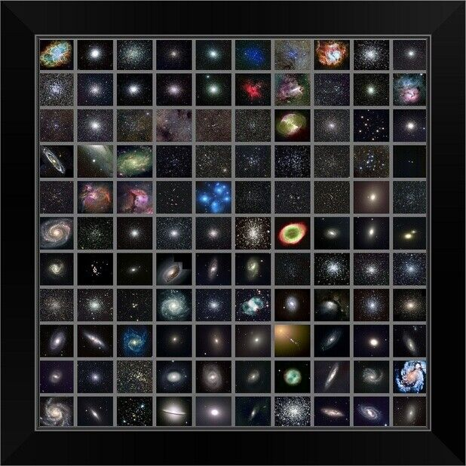

All Rights Reserved: © Astronomy Morsels.
I'm solely responsible for the input and express no warranty. Use at your own risk.
Nonetheless, this spreadsheet has been carefully reviewed, and calculation results have been compared with other applications.

Catalogue
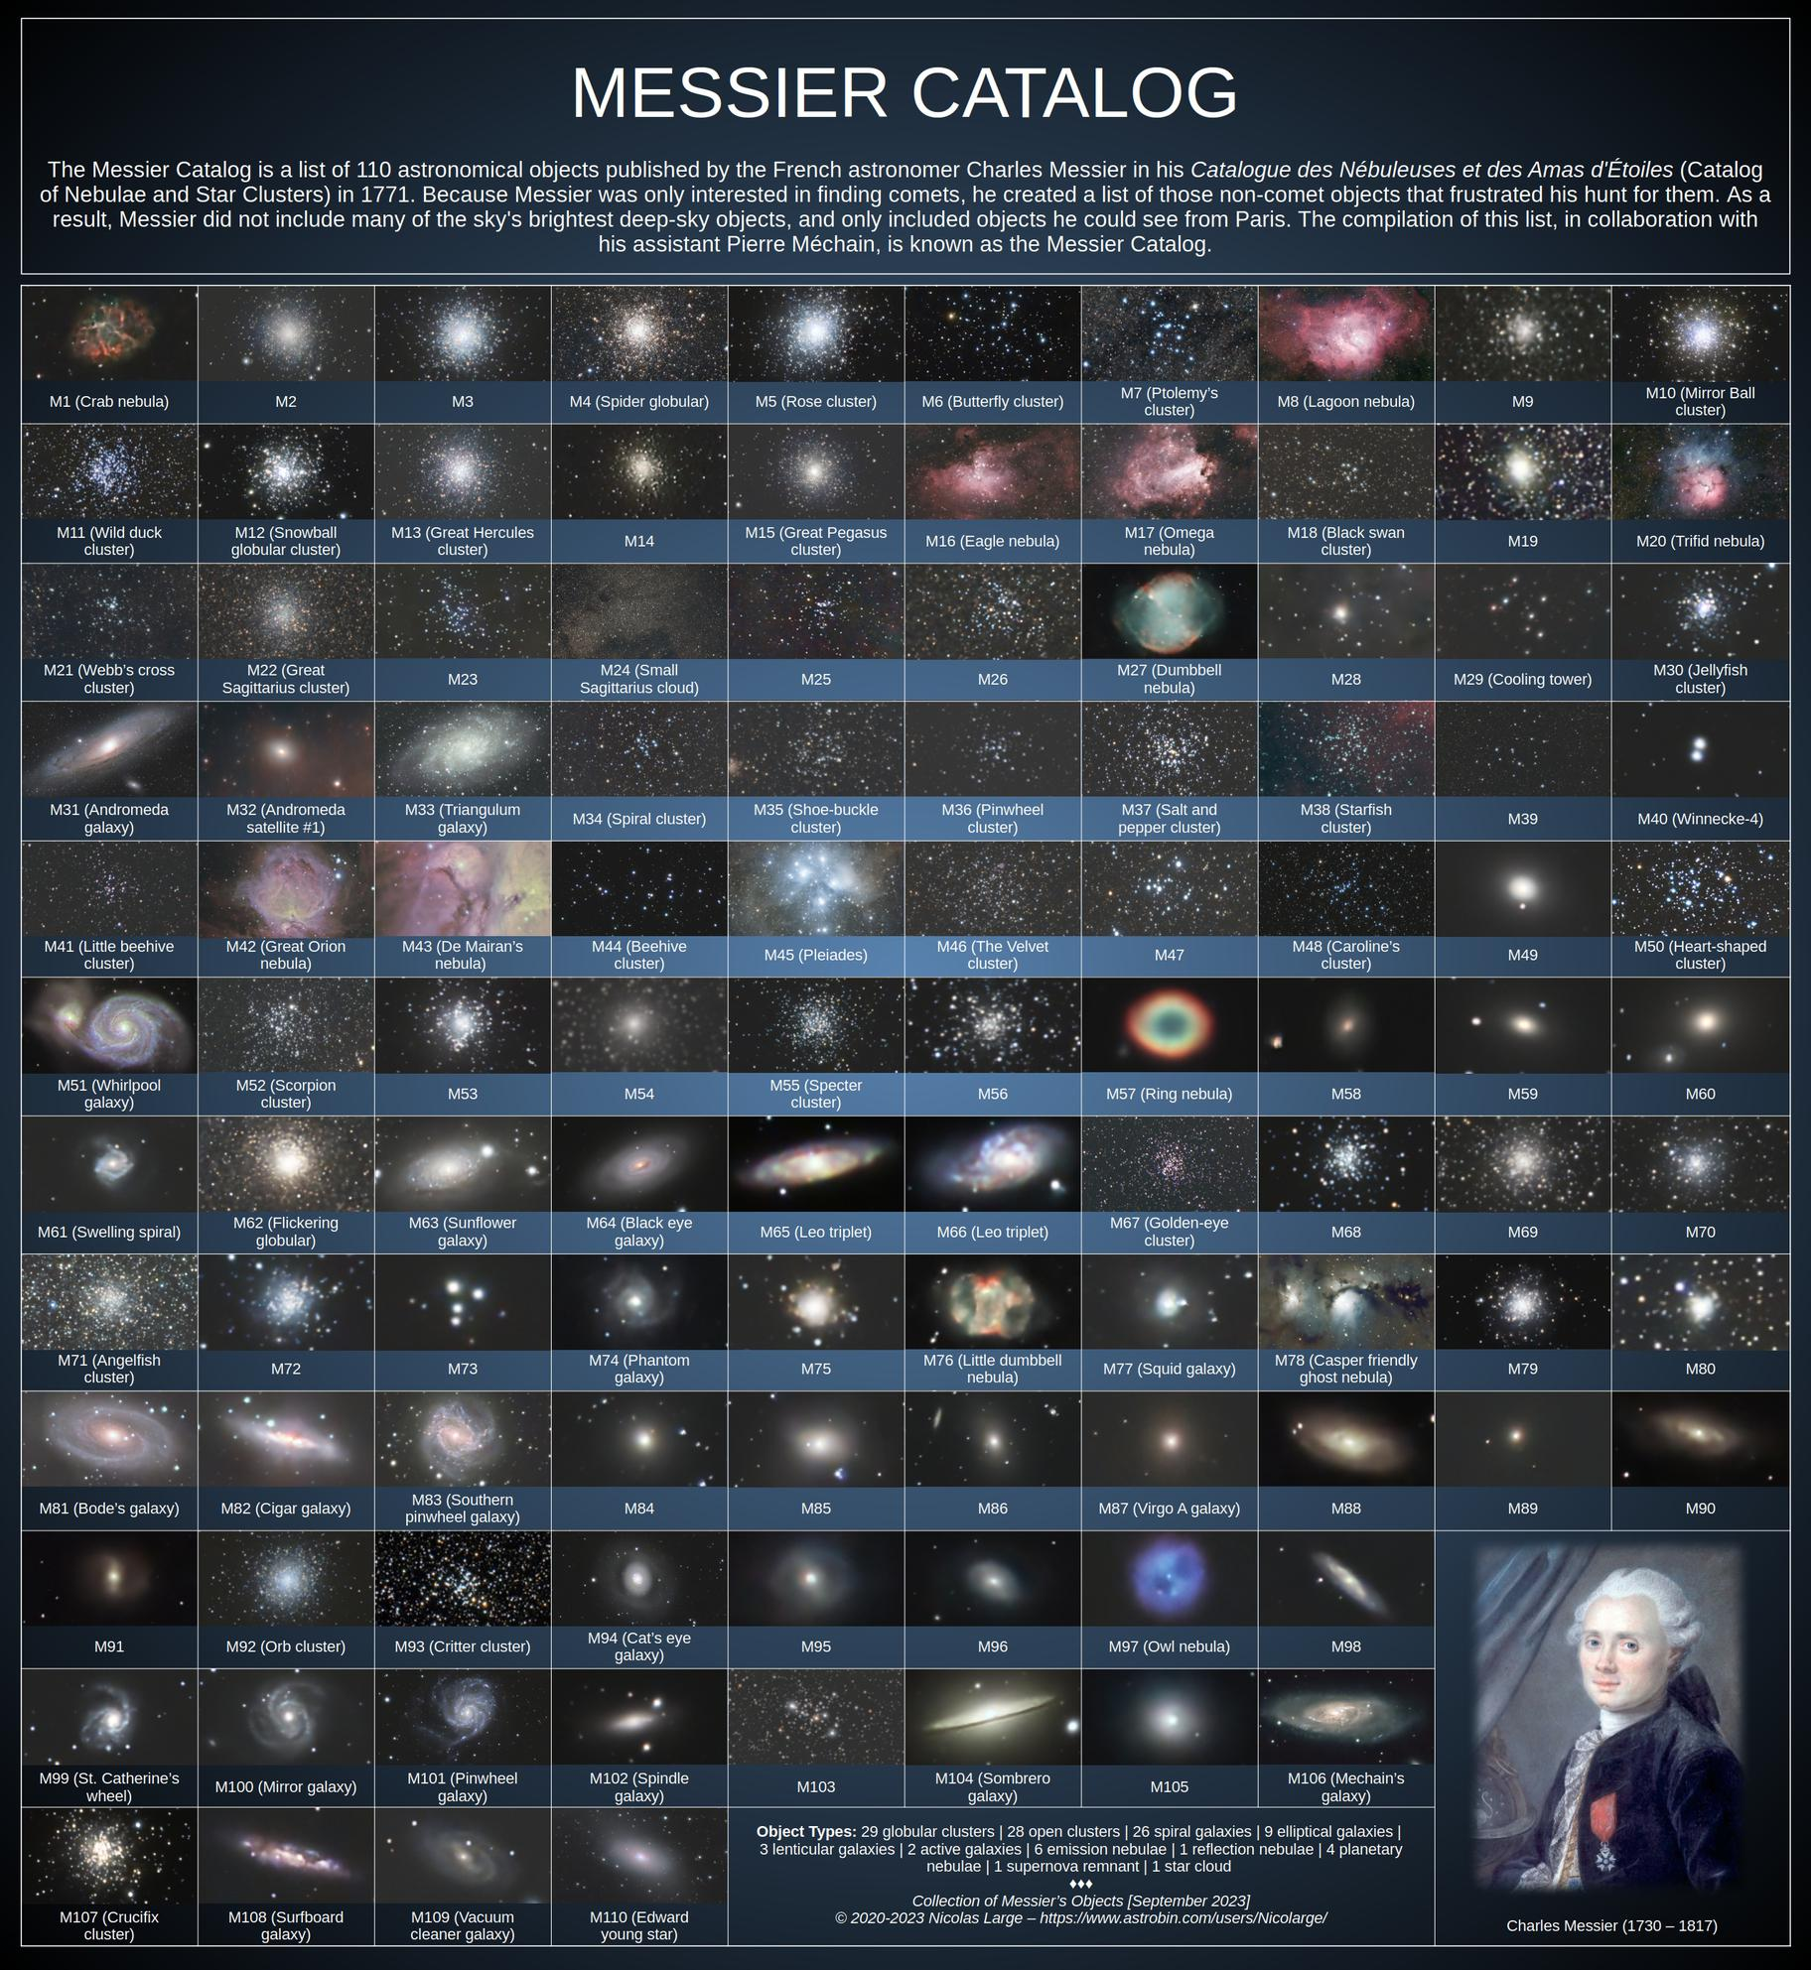
Source

