Introduction
The astronomical clock in Prague, otherwise known as The Orloj, shows the relative positions of the Sun, Moon, Earth, and Zodiac constellations. It also tells the time, provides the date, and, best of all, provides some theater for its viewers on the hour, every hour. In order to provide this level of functionality, the clock is split into several distinct parts. The first is the astronomical dial. This represents the position of the Sun and Moon in the sky and other various astronomical details.This part is simulated in this spreadsheet.

 | Compiled by: Anton Viola (Astronomy Morsels). | Email

 | Latest update: 16th April, 2024. | V1.0

 | (original source: www.wijzerweb.be, website no longer existing)

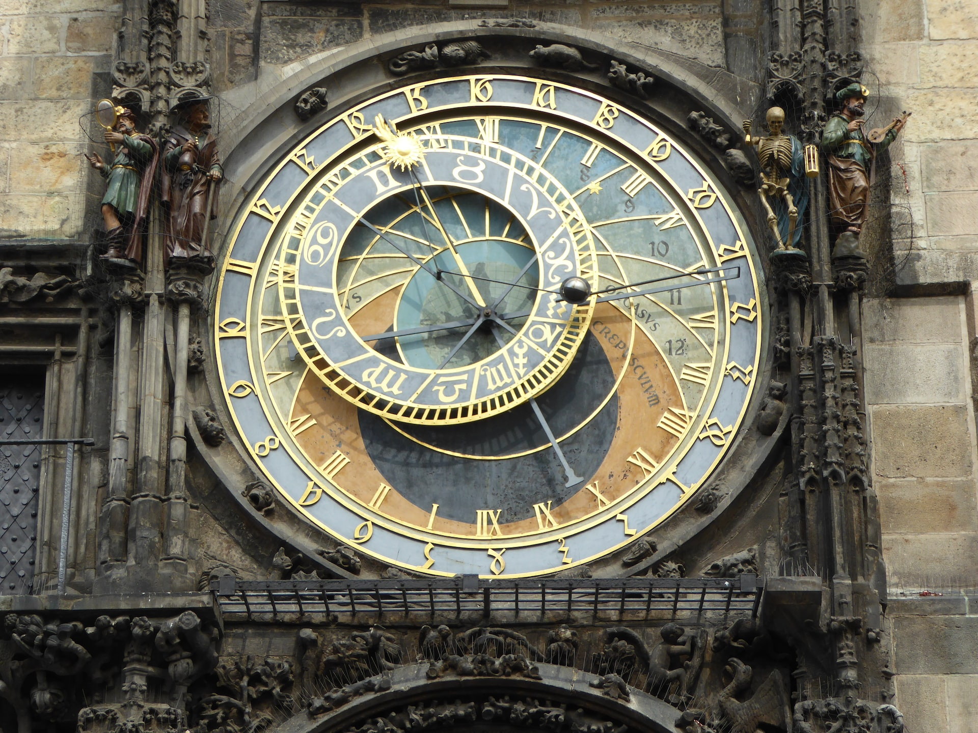

All Rights Reserved: © Astronomy Morsels.
I'm solely responsible for the input and express no warranty. Use at your own risk.
Nonetheless, this spreadsheet has been carefully reviewed, and calculation results have been compared with other applications.

Clock
-90.05 | -43.48 | -99.36 | -11.28 | -97.51 | 22.18 | -84.70 | 53.16 | -62.38 | 78.16 | -33.04 | 94.38 | 0.00 | 100.00 | 33.04 | 94.38 | 62.38 | 78.16 | 84.70 | 53.16 | 97.51 | 22.18 | 99.36 | -11.28
-87.73 | -34.72 | -94.23 | -4.93 | -90.88 | 25.38 | -78.04 | 53.04 | -57.04 | 75.16 | -30.09 | 89.43 | 0.00 | 94.35 | 30.09 | 89.43 | 57.04 | 75.16 | 78.04 | 53.04 | 90.88 | 25.38 | 94.23 | -4.93
-78.32 | -16.29 | -79.67 | 7.26 | -74.09 | 30.18 | -62.06 | 50.48 | -44.64 | 66.39 | -23.33 | 76.52 | 0.00 | 80.00 | 23.33 | 76.52 | 44.64 | 66.39 | 62.06 | 50.48 | 74.09 | 30.18 | 79.67 | 7.26
-63.25 | 0.00 | -61.09 | 16.37 | -54.77 | 31.62 | -44.72 | 44.72 | -31.62 | 54.77 | -16.37 | 61.09 | 0.00 | 63.25 | 16.37 | 61.09 | 31.62 | 54.77 | 44.72 | 44.72 | 54.77 | 31.62 | 61.09 | 16.37
-48.95 | 10.18 | -45.39 | 20.97 | -39.49 | 30.67 | -31.55 | 38.79 | -21.98 | 44.91 | -11.28 | 48.71 | 0.00 | 50.00 | 11.28 | 48.71 | 21.98 | 44.91 | 31.55 | 38.79 | 39.49 | 30.67 | 45.39 | 20.97
-39.42 | 15.60 | -35.56 | 23.09 | -30.29 | 29.66 | -23.83 | 35.06 | -16.43 | 39.08 | -8.38 | 41.56 | 0.00 | 42.39 | 8.38 | 41.56 | 16.43 | 39.08 | 23.83 | 35.06 | 30.29 | 29.66 | 35.56 | 23.09
-36.02 | 17.39 | -32.16 | 23.78 | -27.19 | 29.34 | -21.26 | 33.88 | -14.60 | 37.24 | -7.43 | 39.30 | 0.00 | 40.00 | 7.43 | 39.30 | 14.60 | 37.24 | 21.26 | 33.88 | 27.19 | 29.34 | 32.16 | 23.78
-90.98 | -19.83 | -92.55 | 10.23 | -84.46 | 39.21 | -67.54 | 64.10 | -43.57 | 82.29 | -15.05 | 91.89 | 15.05 | 91.89 | 43.57 | 82.29 | 67.54 | 64.10 | 84.46 | 39.21 | 92.55 | 10.23 | 90.98 | -19.83
 |  |  |  | Inputs
 |  |  |  | latitude
 |  |  | degrees | 45.00
 |  |  | minutes | 5.00

 |  |  |  | date
 |  |  | day | 21
 |  |  | month | 8

 |  |  |  | local solar time
 |  |  | hours | 7
 |  |  | minutes | 15

Indicator | where? | what?
blue clock's hand | on the blue ring | the local solar time (blue roman figures)
 | on the green ring | the bohemian or italian hours (24 = sunset)
orange dot | between the curved red lines | the unequal or temporal hours (time between sunrise and sunset divided in 12 hours)
 |  | the position of the sun in de zodiac
small blue hand with the yellow dot | on the blue ring | the sidereal time (blue roman figures)

