Introduction

In the past, as an amateur astronomer, I often made the mistake of buying new equipment without knowing exactly how it fitted into my existing equipment. This led to a nice, but somewhat motley collection of telescopes, eyepieces and cameras, where I struggled to make the right combinations. It was then decided to take stock of everything and build a tool (this spreadsheet) to calculate various combinations. This gave me a much better understanding of the optics of telescopes with accessories.

 | Compiled by: Anton Viola (Astronomy Morsels). | Email

 | Latest update: 26th March, 2024. | V1.0

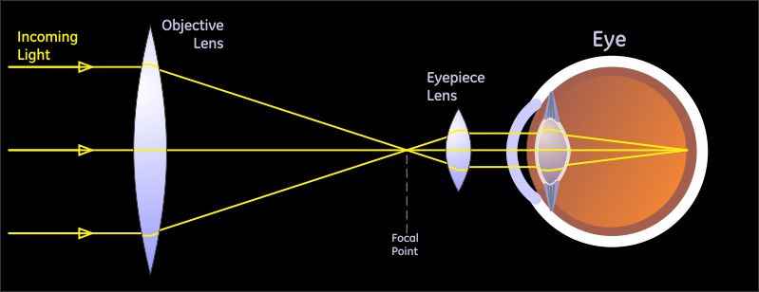

All Rights Reserved: © Astronomy Morsels.
I'm solely responsible for the input and express no warranty. Use at your own risk.
Nonetheless, this spreadsheet has been carefully reviewed, and calculation results have been compared with other applications.

Equations
 | Main Source: Randy Culp. |  | Site

 | This spreadsheet is an implementation of the powerful and very practical telescope equations, mainly defined and derived by Randy Culp (see Source). The equations with some additional definitons, especially regarding camera, are shown below. It is important to note, that telescope specifications (including eyepiece, multiplier, camera) can be derived from a limited number of input parameters (shown in yellow below): the operating points including some special cases. In the following worksheets, a user is enabled to see from values for the input parameters what the "yield" is in terms of magnitude, eyepiece focal length, exit pupil diameter, surface brightness, pixel size and pixel scale. This allows one to quickly assess whether a combination of telescope with chosen eyepiece and multiplier makes sense or not. For feedback and/or suggestions, please feel free to contact me (see Email).

 | Note that all sheets in this spreadsheet are protected except for the input fields. However, you can easily unprotect sheets (no password), in that case do not accidentally modify formulas, as this may affect calculations. But, feel free to modify this spreadsheet according to your own views/experiences. Again, for feedback and/or suggestions, please feel free to contact me (see Email).

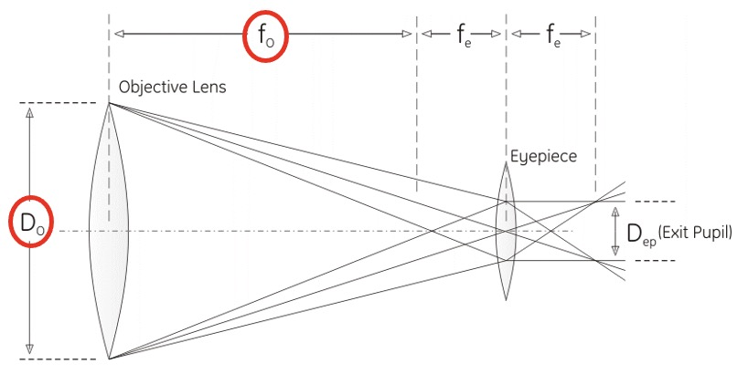
 | Symbol | Meaning | Equation | Explanation
Telescope parameters | DO | Diameter of the objective | - | The "objective" can be either the large lens at the front of the telescope (in a refractor) or the large mirror at the back of the telescope (in a reflector).
 | fR | f-Ratio | - | The ratio of the focal length to the diameter of the objective. so it is the number of lens diameters from the lens to its focal point. This is written "f/" and then the value (or along with the diameter of the objective to describe the scope).
 | fO | Focal length of the objective | fo = fR . Do | The distance from the center of the objective lens (or mirror) to the point at which incoming light is brought to a focus. This diameter can be calculated directly from the 2 basic parameters of a telescope.
Multiplier | Extender | Focal extender (Barlow) | - | A focal extender (Barlow) lens may be placed before an eyepiece to effectively decrease the eyepiece's focal length by the amount of the Barlow's divergence. Since the magnification provided by a telescope and eyepiece is equal to the telescope's focal length divided by the eyepiece's focal length, this has the effect of increasing the magnification of the image.
 | Reducer | Focal reducer | - | A reducer is a set of converging (or positive) lenses that cause the light from a telescope objective to converge at a steeper angle to the focal plane as if it were coming from an objective with a faster (lower) focal ratio and a shorter focal length. A focal reducer leads to a wider field of view and a brighter image of extended objects.
 | Gmag | Magnitude (Scope) Gain | Gmag = 5 log (Do/Deye) = 5 log(Do) - 4 | This represents how many more magnitudes the scope lets one see, over and above what one's eye alone can see. Then to find the faintest magnitude one can see in the scope, the calculated value (taking 7 mm for the eye diameter) is added to the faintest magnitude our eye can see, magnitude 6. This is the (star) magnitude limit of the scope, see below. | 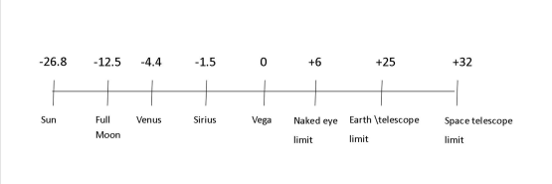
 | Lmag | Star magnitude limit | Lmag = 2 + 5 log (Do) | The faintest star you can see in the scope, expressed in terms of star magnitude. The majority of visible stars have magnitudes in the range of 1-6, where the brightest stars have the lowest magnitude number 1, and the faintest ones magnitude 6.
 | PR | Resolving Power (Resolution) | PR = 115.8 / Do or PR = 138.0 / Do | The smallest separation between two stars (called Dawes' Limit resp. Rayleigh Limit) that can possibly be distinguished with the scope, expressed in arc seconds or arcsec (1/21'600 of a turn). This is an indication of the finest detail the scope is capable of seeing, regardless of the magnifying power. Also called resolution.
 | LGPratio | Light Gathering Power ratio | LGPratio = ( Do / Deye ) 2 | Tells you how many times bigger the area of the scope is to the area of the human eye. What the telescope does is to collect light over a much wider area than the 7mm of your eye pupil. It then focuses that light down to the size of your eye pupil resulting in much more light passing into your eye, enabling you to see much fainter stars with a telescope than you could without.
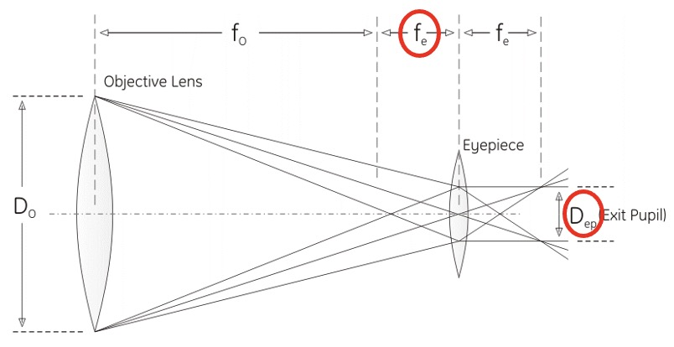
Eyepiece parameters | fe | Focal length of the eyepiece | - | The distance from the center of the eyepiece lens to the point at which light passing through the lens is brought to a focus.
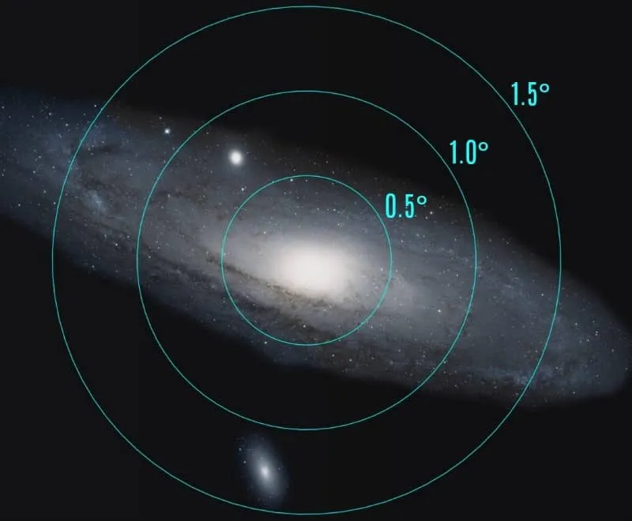
 | FOVe | Field of view of the eyepiece | - | A measure of the area you can see when looking through the eyepiece alone. This is expressed as the angle from one side of the area to the other (with you at the vertex). The parameters fe and FOVe are the two primary eyepiece specifications.
 | M | Magnification | M = fo / fe = Do / Dep | The apparent increase in size of an object when looking through the telescope, compared with viewing it directly.
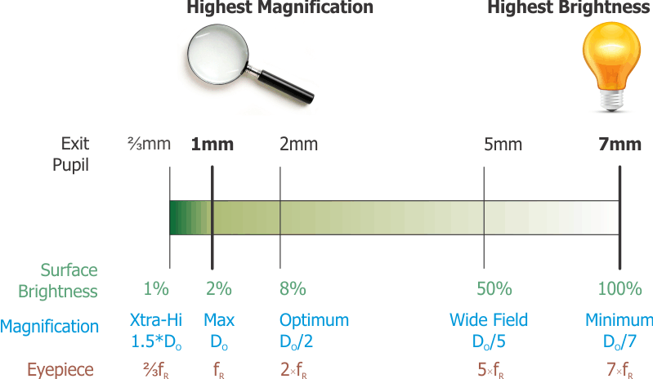
 | FOVscope | Field of view of the scope | FOVscope = FOVe / M | Tells you how much of the sky you see in the image in the telescope. This is the distance from one side of the eyepiece image to the other, expressed in degrees or minutes of arc across the sky.
 | - | Exit pupil | - | Exit pupil is the diameter of the beam of light that leaves the eyepiece and enters the eye. Generally, the smaller the magnification, the larger the exit pupil (EP). It should definitely not be larger than 7 mm. Using this value, you can calculate the minimum magnification that should be used with a particular telescope.
 | Dep | Diameter of the exit pupil | Dep = Do / M = fe / fR | The exit pupil is where the light leaving the eyepiece converges to its smallest circle. You find the exit pupil when you bring your eye up to the eyepiece until you can see the whole image.
 | SB | Surface Brightness | SB = 2 . Dep2 | This is the brightness (density) of bodies that cover an area, such as planets, nebulae and galaxies. These are distinct from bodies that appear as points, such as stars or asteroids. When an object has area, that area gets larger as magnification is increased, so the light is spread thinner. As a result, surface brightness decreases with increasing magnification.
Practical Limits | Atmosphere | Highest practical magnifcation | - | A realistic upper limit to magnification on an average night would be about 250x. On a bad night, you might not be able to exceed 100-150x of increasing the magnification of the image. This is caused by atmospherical limitations. The corollary to the misconception that more magnification is better is that, if that's not the case, less magnification must be better.
 | Eyepiece | Maximum eyepiece focal length | - | The minimum magnification is determined by the exit pupil, which is the diameter of the beam of light coming out of the eyepiece. The minimum magnification should give us an exit pupil that just matches a "typical" pupil diameter of 7 mm, the maximum eyepiece focal length is easily found as 7 times fR with an upper limit of 40-50mm. | 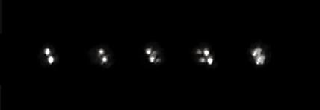
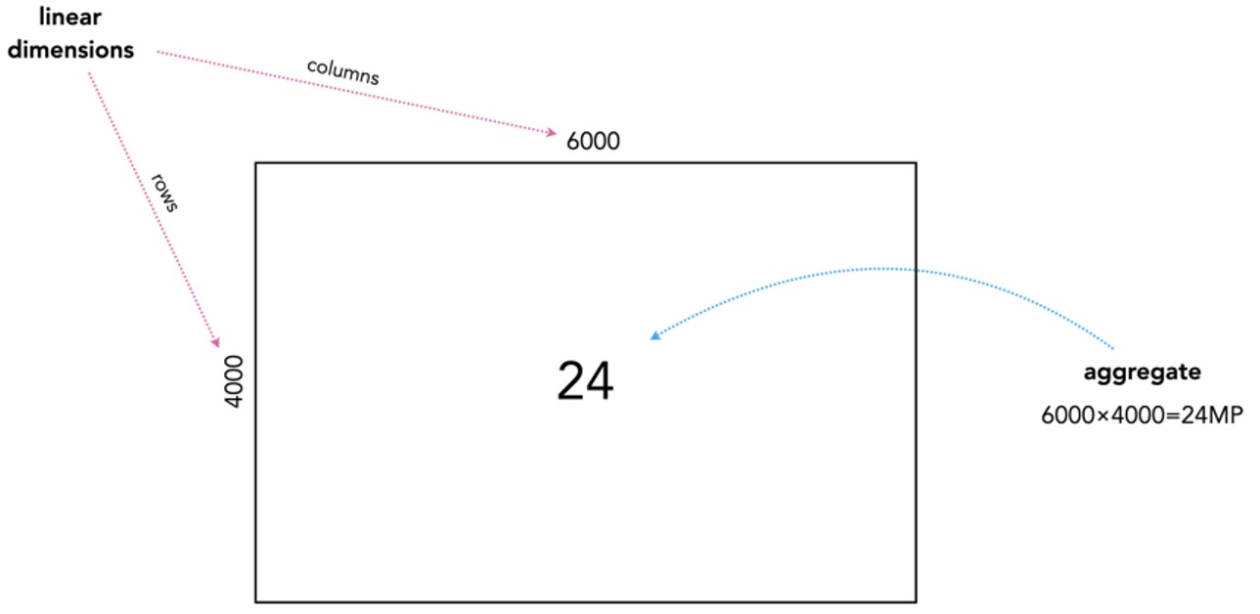
 | Rcamera | Camera resolution | Rcamera = ISw . ISh | Camera resolution refers to the number of pixels in an image (width, height) captured by a camera. A pixel is the smallest unit of an image that can be displayed on a screen or printed. The higher the number of pixels in an image, the sharper and more detailed the image will be. Camera resolution is typically measured in megapixels (MP).
Camera parameters | ISw.h | Image size | ISw,h = SSw,h / PSw,h | Image size equals the horizontal (width) and vertical (height) measurement of an image expressed in pixels. When referencing the resolution of an image, numbers like 1'920 x 1'080 refer to an image with a width of 1'920 pixels and a height of 1'080 pixels.
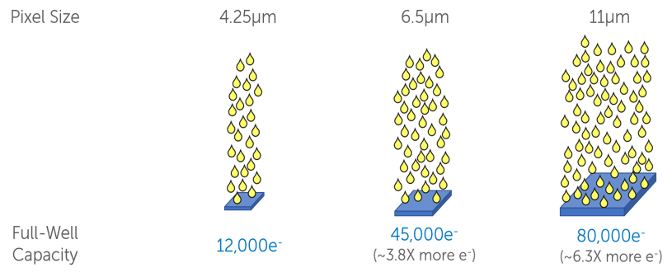
 | SSw,h | Sensor size | SSw,h = PSw,h . ISw,h | Sensor size describes the physical dimensions (area) of a sensor, usually measured in mm width (horizontal) multiplied by height (vertical). Sensor size is determined by both the size of the pixels and number of pixels on the sensor.
 | FWcapacity | Full Well capacity | - | Full well capacity is defined as the amount of charge that can be stored within an individual pixel without the pixel becoming saturated. It is dependent on the pixel size of the sensor and the camera operating voltages. This limitation can be an important consideration when choosing a camera. It is measured in the units of charge "e-".
 | PSw,h | Pixel size | PSh, v = SSw,h / ISw,h | Pixel size is an important factor in determining the image quality and performance of a digital camera. It refers to the physical dimensions of an individual photosensitive element, or pixel, on the camera's image sensor.
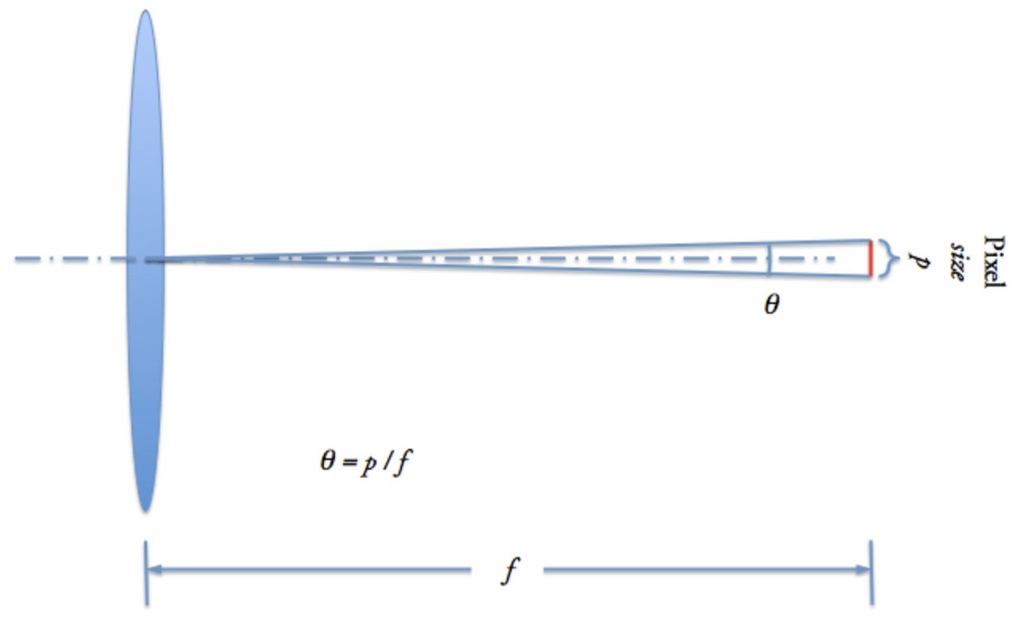
 | FOVcam-w,h | Field of view of camera | FOVcam-w,h = 57.296 . SSw,h / fo | Field of view defines the maximum area of a sample that a camera can image, expressed in degrees (180˚ / π radians) = 57.296 degrees), determined by the focal length of the lens and the sensor size.
 | FOVcam-dia | Diameter of field of view of camera | FOVcam-dia = √(FOVcam-w)2+ (FOVcam-h)2 | Diameter of the field of view of the camera (diagonal).
 | FOVcam-area | Area of field of view of camera | FOVcam-area = FOVcam-w . FOVcam-h | Size of the field of view of the camera (width times height).
 | Pscale-w,h | Pixel scale | Pscale-w,h = 206.265 . PSw,h / fo | Pixel scale, expressed in arcsec per pixel, is the field of view of a single pixel. The small angle approximation θ = p / f (for the angle subtended by the pixel at the focal length) is in radians. To convert from radians to arcsec(onds), multiply by 180˚ / π radians × 3'600" / 1˚ = 206'264.806. Since the formula is in microns per millimeter, the final result used here will be 206.265.
Pixel combination | Binning | Pixel grouping | - | Binning is the camera feature that combines the readout of adjacent pixels on the sensor, usually in rows/columns, more often in 2x2 or 4x4 squares. Although resolution obviously decreases, there are a number of other features improving. For example, with 2x2 binning, resolution is halved, but sensitivity and dynamic range are increased by a factor of 4. | 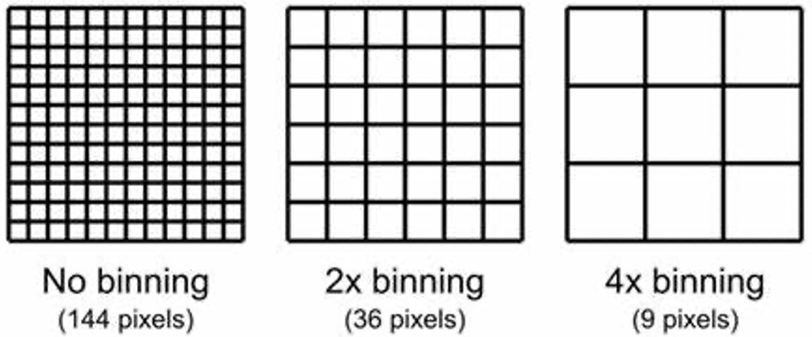
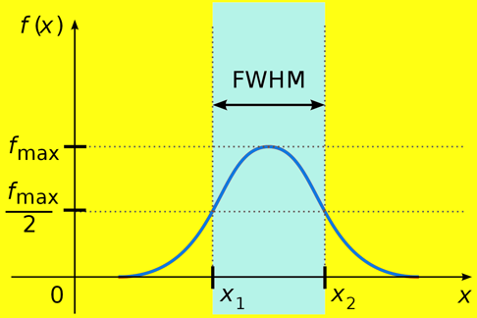
Seeing/focus quality | FWHM | Seeing quality (focus sharpness) | - | In astronomy, FWHM is used as a metric for seeing quality, typically measured in units of arcsec. Smaller FWHM values indicate a narrower, more well-defined peak, and correspond to better image quality and higher resolution. Conversely, larger FWHM values indicate a broader, more diffuse peak, with poorer image quality and lower resolution.
 | HFD/HFR | Seeing quality (focus sharpness) | - | Half-Flux Diameter (or Half-Flux Radius) is another metric for seeing quality. It measures the Diameter (or Radius) of a circle where half of the total light from a star is inside the circle, and half is outside. HFR is more robust against seeing variations than FWHM, because it doesn’t require a “peak” value to be determined; instead, it measures the total signal collected. |  | 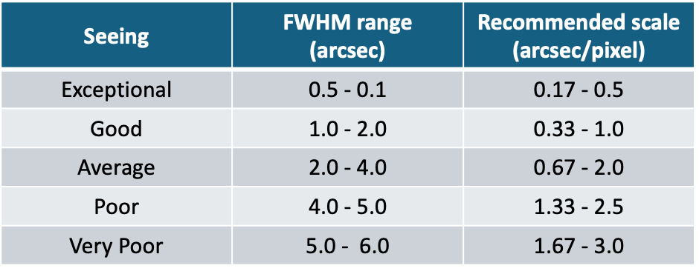
Practical Limit | Pscale-min,max | Selected pixel scale range | - | For high resolution work, such as planetary or small faint fuzzies (small galaxies and deep-sky objects) an image scale is needed that is usually 0.5"-0.6"/pixel and lower. Seeing quality is a limiting factor here. With larger deep-sky objects, usually 1"-2"/pixel or even higher is recommended.

 | Exit pupil (mm) | SB (%)
 | 1 | 2
 | 2 | 8
 | 3 | 18
 | 4 | 32
 | 5 | 50
 | 6 | 72
 | 7 | 100

Scope + Eyepiece (1)
This worksheet allows the user to choose existing equipment (listed on the corresponding worksheet) for the various input parameters (telescope and eyepiece, including practical limits for atmosphere and focal length eyepiece) can be indicated. Further calculations are based on the defined equations.

1. Input parameters

Telescope Selection |  | Do (mm) | fR
Sky-Watcher / Virtuoso GTi |  | 127.0 | 11.8
Extender/Reducer Selection |  | Factor
None |  | 1.0
Eyepiece Selection |  | fe (mm) | FOVe (0)
Celestron / E-lux / 40 |  | 40 | 56
Practical Limits |  | Value
Atmosphere (magnification) |  | 250
Focal length eyepiece (mm) |  | 75

2. Operating Points

Scope | fo | 1,498.6 | mm
 | Gmag | 6.52 | magnitude
 | Lmag | 12.52 | magnitude
 | PR (Dawes' Limit) | 0.91 | arcsec
 | LGPratio | 329 | 645 | (for Deye = 7 mm, resp. 5 mm)

Scope + Eyepiece | M | 37 |  | (between Mmin and Mmax?)
 | FOVscope | 1.49 | degrees
 | Dep | 3.39 | mm | (between 1 - 7 mm?)
 | SB | 23.0 | %

 | start with M | Maximum Magnification | Optimum Magnification | Wide Magnification | Minimum Magnification | start with fe
Special Cases | M (theory) | 127 | 64 | 59.0 | 82.6 | fe (mm) (theory)
 | Mmax | 127 | 64 | 59.0 | 75.0 | fe-max (mm)
 | Dep-min (mm) | 1.00 | 2.00 | 5.00 | 6.36 | Dep-max (mm)
 | fe-min (mm) | 11.8 | 23.6 | 25 | 20 | Mmin
 | SBmin (%) | 2.0 | 8.0 | 50.0 | 82.6 | SBmax (%)

Magnification
Focal length eyepiece
 |  | Min |  |  |  | Min
 |  | 20 |  |  |  | 11.8
 |  | Value |  |  |  | Value
 |  | 37 |  |  |  | 40.0
 |  | Max |  |  |  | Max
 |  | 127 |  |  |  | 75.0

Diameter exit pupil
Surface Brightness
 |  | Min |  |  |  | Min
 |  | 1.0 |  |  |  | 2.0
 |  | Value |  |  |  | Value
 |  | 3.39 |  |  |  | 23.0
 |  | Max |  |  |  | Max
 |  | 6.4 |  |  |  | 82.6

3. Object Visibility
 |  |  |  | (less than Lmag?)
Category |  | Selection |  | Magnitude |  | Examples | Magnification
Brightest star |  | Vega |  | 0.03 |  | Jupiter/Saturn | 80-100x
Nearest star |  | Procyon A |  | 0.36 |  | Moon | 50-100x
Planet |  | Mars |  | -2.91 |  | Pleiades | 20-30x
Messier |  | M6 |  | 5.30 |  | Beehive | 30-40x
Planetary nebulae (NGC, IC) |  | NGC 6790 |  | 10.50 |  | Orion nebulae | 100-150x
Herschel 400 (NGC) |  | NGC 157 |  | 10.40 |  | Andromeda galaxy | 150-200x
Caldwell Objects (NGC, IC) |  | NGC 4236 |  | 0.00
Binary Star |  | Almach (Gamma Andromedae) |  | 2.26 | 4.84
 |  |  |  | primary | secondary

 | Age (years) | Pupil Size |  | Graphical data |  |  |  | Angular diameters (planets)
 | 20 or less | 7.7 |  | Magnitude |  |  |  | Object | diameter
 | 30 | 7.0 | min | 20 | 1 |  |  | Mercury | 4.5 - 13.0''
 | 35 | 6.5 | max | 127 | 1 |  |  | Venus | 9.6 - 66.0''
 | 45 | 6.0 | selected | 37 | 1 |  | Most interesting | Mars | 3.5 - 25.1''
 | 60 | 5.5 |  | Focal length eyepiece |  |  |  | Jupiter | 29.8 - 50.1''
 | 80 | 5.0 | min | 11.8 | 1 |  |  | Saturn | 14.9 - 20.8''
 |  | mm | max | 75.0 | 1 |  |  | Uranus | 3.3 - 4.1''
 |  |  | selected | 40 | 1 |  |  | Neptune | 2.2 - 2.4''
 |  |  |  | Diameter exit pupil
 |  |  | min | 1.0 | 1
 |  |  | max | 6.4 | 1
 |  |  | selected | 3.39 | 1
 |  |  |  | Surface Brightness
 |  |  | min | 2.0 | 1
 |  |  | max | 82.6 | 1
 |  |  | selected | 23.0 | 1

Scope + Eyepiece (2)
This worksheet does not use existing equipment, but allows users to choose their own values for the various input parameters (telescope, eyepiece and practical limits). Further calculations are analogous.

1. Input parameters

 |  | Inputs
 | Parameter | Selection | Min |  |  |  | Max
Scope | Do (mm) | 199 | 0 |  |  |  | 500
 | fR | 10.0 | 1.0 |  | 100 |  | 20.0
 | Extender/Reducer | 2.0 | 0.1 |  | 20 |  | 5.0
Eyepiece | fe (mm) | 12 | 1 |  |  |  | 100
 | FOVe (o) | 52 | 1 |  |  |  | 100
Practical Limits | Atmosphere (magnitude) | 203 | 50 |  |  |  | 500
 | focal length eyepiece (mm) | 70 | 10 |  |  |  | 100

2. Operating Points

Scope | fo | 1,990.0 | mm
 | Gmag | 7.49 | magnitude
 | Lmag | 13.49 | magnitude
 | PR (Dawes' Limit) | 0.58 | arcsec
 | LGPratio | 808 | 1,584 | (for Deye = 7 mm, resp. 5 mm)

Scope + Eyepiece | M | 332 |  | (between Mmin and Mmax?)
 | FOVscope | 0.16 | degrees
 | Dep | 0.60 | mm | (between 1 - 7 mm?)
 | SB | 0.7 | %

 | start with M | Maximum Magnification | Optimum Magnification | Wide Magnification | Minimum Magnification | start with fe
Special Cases | M (theory) | 398 | 100 | 50.0 | 70.0 | fe (mm) (theory)
 | Mmax | 203 | 100 | 50.0 | 70.0 | fe-max (mm)
 | Dep-min (mm) | 0.98 | 1.00 | 5.00 | 7.00 | Dep-max (mm)
 | fe-min (mm) | 9.8 | 10.0 | 40 | 28 | Mmin
 | SBmin (%) | 1.9 | 2.0 | 50.0 | 100.0 | SBmax (%)

Magnification
Focal length eyepiece
 |  | Min |  |  |  | Min
 |  | 28 |  |  |  | 9.8
 |  | Value |  |  |  | Value
 |  | 332 |  |  |  | 12.0
 |  | Max |  |  |  | Max
 |  | 398 |  |  |  | 70.0

Diameter exit pupil
Surface Brightness
 |  | Min |  |  |  | Min
 |  | 1.0 |  |  |  | 1.9
 |  | Value |  |  |  | Value
 |  | 0.60 |  |  |  | 0.7
 |  | Max |  |  |  | Max
 |  | 7.0 |  |  |  | 100.0

3. Object Visibility
 |  |  |  | (less than Lmag?)
Category |  | Selection |  | Magnitude |  | Examples | Magnification
Brightest star |  | Procyon |  | 0.40 |  | Jupiter/Saturn | 80-100x
Nearest star |  | Procyon A |  | 0.36 |  | Moon | 50-100x
Planet |  | Full Moon (mean) |  | -12.74 |  | Pleiades | 20-30x
Messier |  | M42 |  | 4.00 |  | Beehive | 30-40x
Planetary nebulae (NGC, IC) |  | NGC 6543 |  | 8.50 |  | Orion nebulae | 100-150x
Herschel 400 (NGC) |  | NGC 157 |  | 10.40 |  | Andromeda galaxy | 150-200x
Caldwell Objects (NGC, IC) |  | NGC 4236 |  | 0.00
Binary Star |  | Almach (Gamma Andromedae) |  | 2.26 | 4.84
 |  |  |  | primary | secondary

 | Age (years) | Pupil Size |  | Graphical data |  |  |  | Angular diameters (planets)
 | 20 or less | 7.7 |  | Magnitude |  |  |  | Object | diameter
 | 30 | 7.0 | min | 28 | 1 |  |  | Mercury | 4.5 - 13.0''
 | 35 | 6.5 | max | 398 | 1 |  |  | Venus | 9.6 - 66.0''
 | 45 | 6.0 | selected | 332 | 1 |  | Most interesting | Mars | 3.5 - 25.1''
 | 60 | 5.5 |  | Focal length eyepiece |  |  |  | Jupiter | 29.8 - 50.1''
 | 80 | 5.0 | min | 9.8 | 1 |  |  | Saturn | 14.9 - 20.8''
 |  | mm | max | 70.0 | 1 |  |  | Uranus | 3.3 - 4.1''
 |  |  | selected | 12 | 1 |  |  | Neptune | 2.2 - 2.4''
 |  |  |  | Diameter exit pupil
 |  |  | min | 1.0 | 1
 |  |  | max | 7.0 | 1
 |  |  | selected | 0.60 | 1
 |  |  |  | Surface Brightness
 |  |  | min | 1.9 | 1
 |  |  | max | 100.0 | 1
 |  |  | selected | 0.7 | 1

Scope + Camera (1)
This worksheet allows the user to choose existing equipment (listed on the corresponding worksheet) for the various input parameters (telescope and camera, including practical limits for resolution) can be indicated. Further calculations are straightforward.

1. Input parameters

Telescope Selection |  | Do (mm) | fR
Sky-Watcher / Virtuoso GTi |  | 127.0 | 11.8
Extender/Reducer Selection |  | Factor
None |  | 1.0
Camera Selection |  | ISw,h (pixels) |  | SSw,h (mm) |  | FWcapacity (e-)
ZWO / ASI482MC |  | 1,920 | 1,080 | 11.13 | 6.26 | 51,500
Binning |  | 1x1

 |  |  | Seeing Quality
FWHM (arcsec) |  | 2.0 - 4.0 | Average
Pscale-min (recommended) |  | 0.67 | arcsec/pixel
Pscale-min |  | 1.00
Pscale-max (recommended) |  | 2.0
Pscale-max |  | 4.00

2. Operating Points

Scope | fo | 1,498.6 | mm
 | Gmag | 6.52 | magnitude
 | Lmag | 12.52 | magnitude
 | PR (Dawes' Limit) | 0.91 | arcsec
 | PR (Rayleigh Limit) | 1.09 | arcsec
 | LGPratio | 329 | 645 | (for Deye = 7 mm, resp. 5 mm)

Camera | Rcamera |  | 2.07 | MP
 | PSw,h | 5.80 | 5.80 | μm
 | FOVcam-w,h | 25.53 | 14.36 | arcmin
 | FOVcam-dia |  | 29.29 | arcmin
 | FOVcam-area |  | 366.65 | arcmin2
 | Pscale-w,h | 0.80 | 0.80 | arcsec/pixel
 |  |  |  |  |  |  |  |  |  |  |  |  |  |  | 1

3. Pixel Scale Suitability

 |  |  | Dawes' limit | Rayleigh limit | FWHM | Defined limits
 | Pixel scale (''/pixel) | Value | 0.91 | 1.09 | 0.67 - 2.0 | 1.00 - 4.00
 | Pscale-w | 0.80 | oversampling? | oversampling? | okay | oversampling?
 | Pscale-h | 0.80 | oversampling? | oversampling? | okay | oversampling?
 |  |  | Scope |  | Seeing quality

 |  | Number of pixels across the FWHM of a star image
 | Source | Excellent | Good | Typical | Fair | Poor
 | Pixel size | 1 | 2 | 2.5 | 3 | 4
 | 8 | 0.13 | 0.25 | 0.31 | 0.38 | 0.50
 | 5 | 0.20 | 0.40 | 0.50 | 0.60 | 0.80
 | 2 | 0.50 | 1.00 | 1.25 | 1.50 | 2.00
 | 1.5 | 0.67 | 1.33 | 1.67 | 2.00 | 2.67
 | 1.25 | 0.80 | 1.60 | 2.00 | 2.40 | 3.20
 | 1 | 1.00 | 2.00 | 2.50 | 3.00 | 4.00
 | 0.75 | 1.33 | 2.67 | 3.33 | 4.00 | 5.33
 | 0.5 | 2.00 | 4.00 | 5.00 | 6.00 | 8.00
 | 0.33 | 3.03 | 6.06 | 7.58 | 9.09 | 12.12
 | 0.25 | 4.00 | 8.00 | 10.00 | 12.00 | 16.00
 | 0.1 | 10.00 | 20.00 | 25.00 | 30.00 | 40.00

 | Source | Pixel size (μm)
 | Focal length (mm) | 1 | 2 | 3 | 4 | 5 | 6 | 7 | 8 | 9 | 10 | 12 | 14 | 20
 | 500 | 0.41 | 0.83 | 1.24 | 1.65 | 2.06 | 2.48 | 2.89 | 3.30 | 3.71 | 4.13 | 4.95 | 5.78 | 8.25
 | 750 | 0.28 | 0.55 | 0.83 | 1.10 | 1.38 | 1.65 | 1.93 | 2.20 | 2.48 | 2.75 | 3.30 | 3.85 | 5.50
 | 1,000 | 0.21 | 0.41 | 0.62 | 0.83 | 1.03 | 1.24 | 1.44 | 1.65 | 1.86 | 2.06 | 2.48 | 2.89 | 4.13
 | 1,500 | 0.14 | 0.28 | 0.41 | 0.55 | 0.69 | 0.83 | 0.96 | 1.10 | 1.24 | 1.38 | 1.65 | 1.93 | 2.75
 | 2,000 | 0.10 | 0.21 | 0.31 | 0.41 | 0.52 | 0.62 | 0.72 | 0.83 | 0.93 | 1.03 | 1.24 | 1.44 | 2.06
 | 2,500 | 0.08 | 0.17 | 0.25 | 0.33 | 0.41 | 0.50 | 0.58 | 0.66 | 0.74 | 0.83 | 0.99 | 1.16 | 1.65
 | 3,000 | 0.07 | 0.14 | 0.21 | 0.28 | 0.34 | 0.41 | 0.48 | 0.55 | 0.62 | 0.69 | 0.83 | 0.96 | 1.38
 | 4,000 | 0.05 | 0.10 | 0.15 | 0.21 | 0.26 | 0.31 | 0.36 | 0.41 | 0.46 | 0.52 | 0.62 | 0.72 | 1.03
 | 5,000 | 0.04 | 0.08 | 0.12 | 0.17 | 0.21 | 0.25 | 0.29 | 0.33 | 0.37 | 0.41 | 0.50 | 0.58 | 0.83

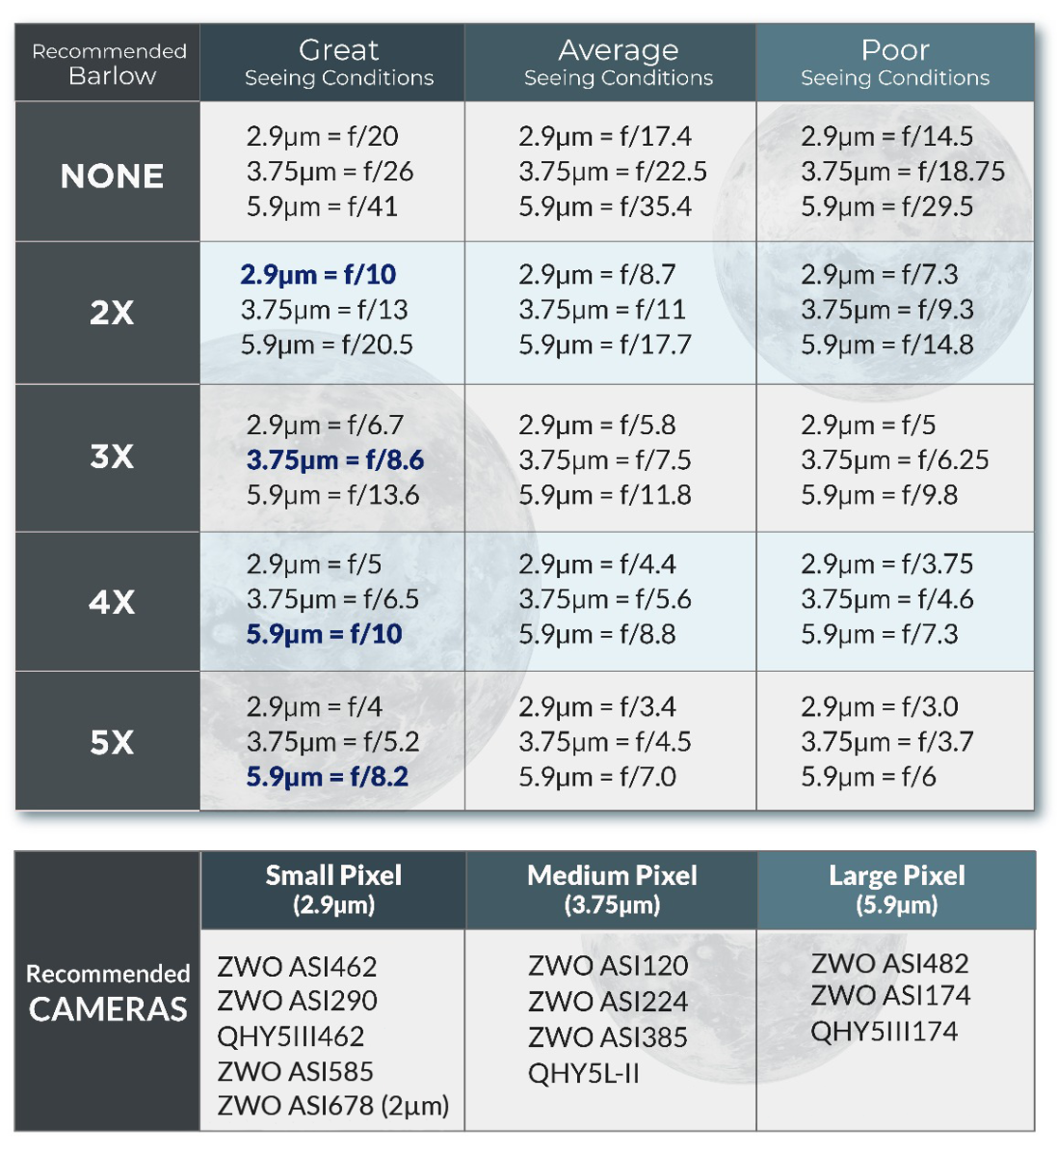
 | Source
 | FWHM range | Seeing | Preferred
 | 0.5 - 0.1 | Excellent | 0.17 - 0.5
 | 1.0 - 2.0 | Good | 0.33 - 1.0
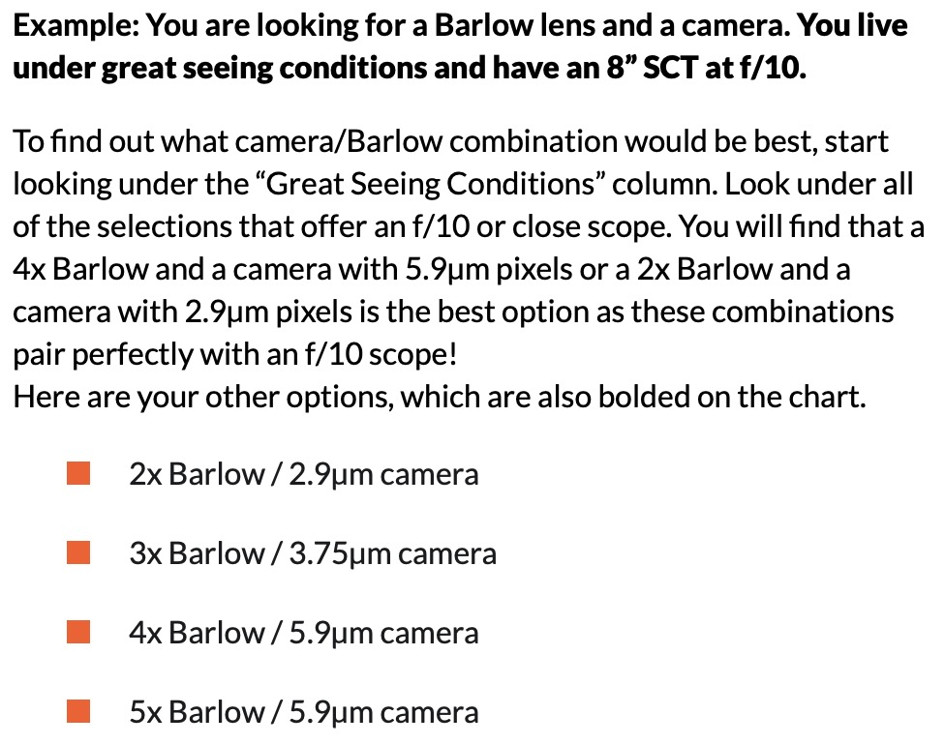
 | 2.0 - 4.0 | Average | 0.67 - 2.0
 | 4.0 - 5.0 | Poor | 1.33 - 2.5
 | 5.0 - 6.0 | Very Poor | 1.67 - 3.0

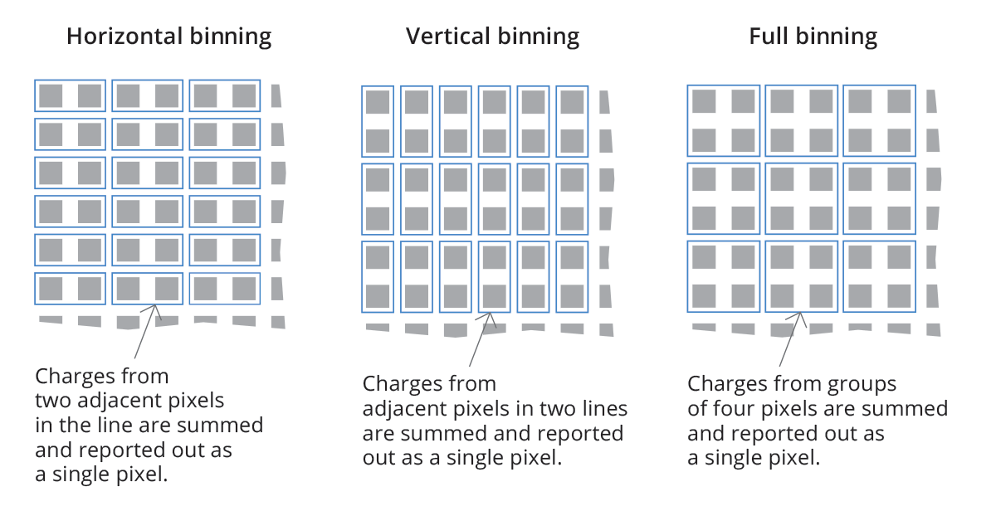
 | Binning | Factor
 | 1x1 | 1
 | 2x2 | 2
 | 3x3 | 3
 | 4x4 | 4
 | 5x5 | 5
 | 6x6 | 6
 | 7x7 | 7
 | 8x8 | 8
 | 9x9 | 9
 | 10x10 | 10
 | 11x11 | 11
 | 12x12 | 12
 | 13x13 | 13
 | 14x14 | 14
 | 15x15 | 15
 | 16x16 | 16

