Introduction

Eise Eisinga’s mechanical planetarium is built into the timber roof of the living room ceiling of his historic canal house. The Eise Eisinga Planetarium is the oldest still working planetarium in the world. To create the gears for the model, 10,000 handmade nails were used. In addition to the basic orrery, there are displays of the phase of the moon and other astronomical phenomena. This spreadsheet contains a model of the gear train.

 | Compiled by: Anton Viola (Astronomy Morsels). | Email

 | Latest update: 11th May, 2019. | V1.0

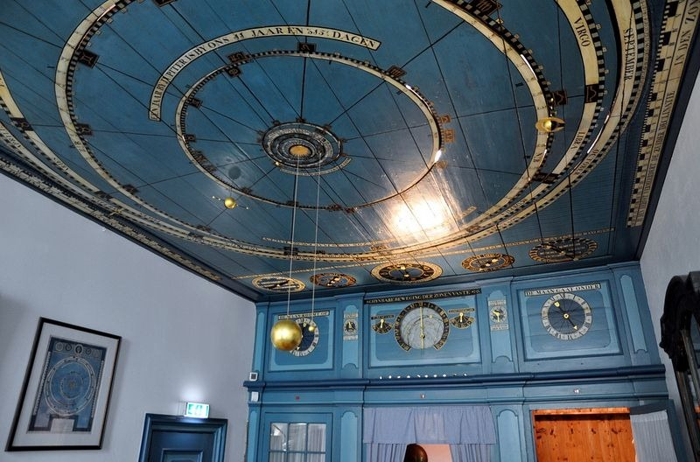

All Rights Reserved: © Astronomy Morsels.
I'm solely responsible for the input and express no warranty. Use at your own risk.
Nonetheless, this spreadsheet has been carefully reviewed, and calculation results have been compared with other applications.

Background
