Introduction

A moon or lunar node is either of the two orbital nodes of the Moon, that is, the two points at which the orbit of the Moon intersects the ecliptic. The ascending (or north) node is where the Moon moves into the northern ecliptic hemisphere, while the descending (or south) node is where the Moon enters the southern ecliptic hemisphere. This spreadsheet calculates the passages of the moon through its nodes around a specific date.

 | Compiled by: Anton Viola (Astronomy Morsels). | Email

 | Latest update: 7th May, 2024. | V1.0

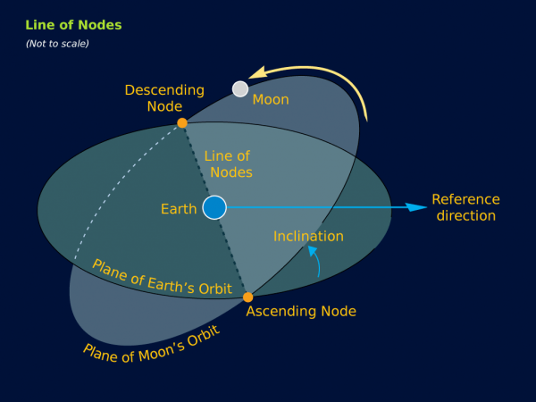

All Rights Reserved: © Astronomy Morsels.
I'm solely responsible for the input and express no warranty. Use at your own risk.
Nonetheless, this spreadsheet has been carefully reviewed, and calculation results have been compared with other applications.

Background
