Introduction

This spreadsheet contains data regarding our brightest and nearest stars.

 | Compiled by: Anton Viola (Astronomy Morsels). | Email

 | Latest update: 28th February, 2024. | V1.0

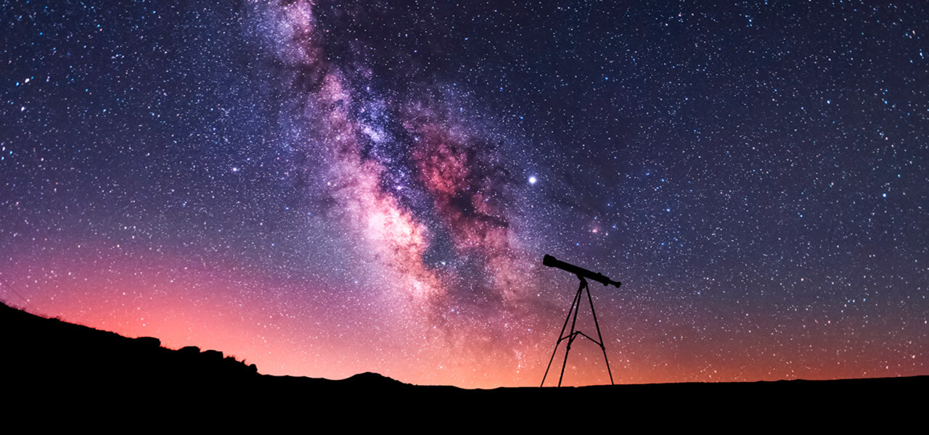

All Rights Reserved: © Astronomy Morsels.
I'm solely responsible for the input and express no warranty. Use at your own risk.
Nonetheless, this spreadsheet has been carefully reviewed, and calculation results have been compared with other applications.

Star Data (BR)
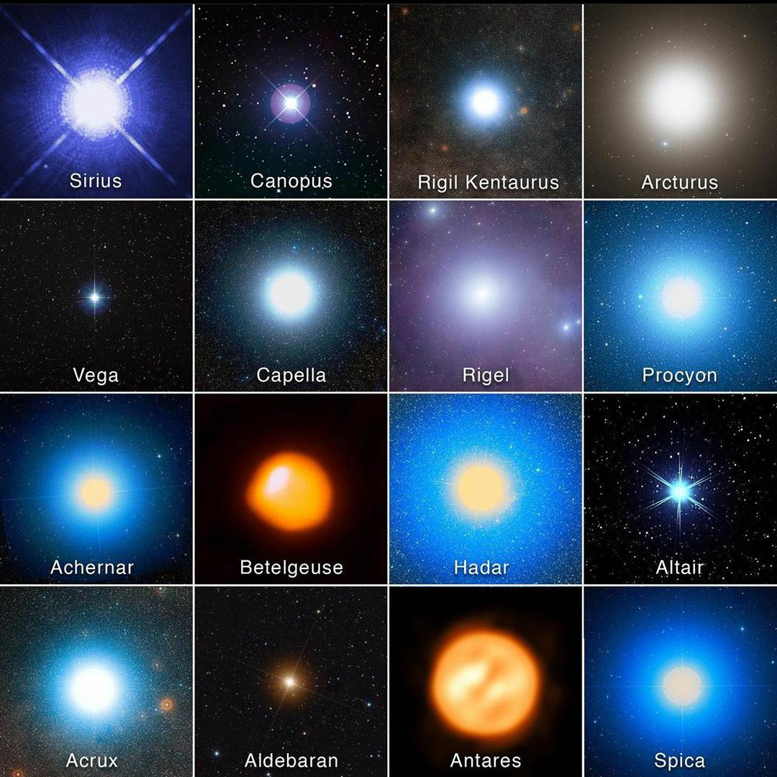
The brightest or apparent magnitude of each star in the night time sky is determined by the star's intrinsic luminosity, and by its distance from us. The intrinsic luminosity of the stars varies from less than 1/1000 of the Sun's luminosity to over a million times greater. Most of the brighter naked eye stars are at distances of a few tens to hundreds on light years from Earth. In general, this makes them all intrinsically brighter than the Sun.

Many stars are actually multiple systems with two or more stellar components. In cases where individual components can be resolved with a telescope but not with the naked eye, the apparent magnitude reported on this list is the combined brightness of the components. The luminosity, mass and radius listed are for the primary or brightest component. Telescopically resolved multiple stars include Alpha Centauri (mag = 0.01 + 1.33), Capella (mag = 0.71 + 0.96), Acrux (mag = 1.40 + 2.09), and Castor (mag = 1.98 + 2.88).

The table below lists details for the 50 brightest stars according to the Hipparcos Space Astrometry Mission. This 3.5 year mission was designed to measure the positions and distances of over a million stars with unprecedented accuracy.

# | Star Name | Bayer Name | Visual Mag. | Abs. Mag. | Dist. (ly) | Spectral Type | Lum. (Sol) | Mass (Sol) | Diam. (Sol) | RA | Dec | Type | Color
1 | Sirius | Alp CMa | -1.44 | 1.45 | 8.6 | A0mA1 Va, DA2 | 25 | 2 | 1.7 | 06h 45m | -16.7° | O | bluish white
2 | Canopus | Alp Car | -0.62 | -5.53 | 310 | A9 II | 13,600 | 8.5 | 65 | 06h 24m | -52.7° | B | luminous, blue
3 | Rigil Kentauraus | Alp Cen | -0.28c | 4.34 | 4.4 | G2 V, K1 V | 1.5 | 1.1 | 1.2 | 14h 40m | -60.8° | A | white or bluish-white
4 | Arcturus | Alp Boo | -0.05v | -0.31 | 36.7 | K0 III | 170 | 1.1 | 26 | 14h 16m | +19.2° | F | yellow-white
5 | Vega | Alp Lyr | 0.03v | 0.58 | 25.3 | A0 Va | 37 | 2.1 | 2.3 | 18h 37m | +38.8° | G | yellow
6 | Capella | Alp Aur | 0.08v | -0.48 | 42.2 | KO III, G1 III | 79 | 2.7 | 12 | 05h 17m | +46.0° | K | orangish
7 | Rigel | Bet Ori | 0.18v | -6.69 | 770 | B8 Ia | 66,000 | 17 | 78 | 05h 15m | -8.2° | M | red
8 | Procyon | Alp CMi | 0.4 | 2.68 | 11.4 | F5 IV-V | 7.7 | 1.5 | 2 | 07h 39m | +5.2° | Wolf-Rayet | red-blue
9 | Betelgeuse | Alp Ori | 0.45v | -5.14 | 430 | M1-M2 Ia-ab | 105,000 | 18 | 936 | 05h 55m | +7.4°
10 | Achernar | Alp Eri | 0.45v | -2.77 | 144 | B3 Vpe | 3,300 | 2024-08-06 | 10 | 01h 38m | -57.2°
11 | Hadar | Bet Cen | 0.61v | -5.42 | 525 | B1 III | 16,000 | 10.7 | 8 | 14h 04m | -60.4°
12 | Altair | Alp Aql | 0.76v | 2.2 | 16.8 | A7 V | 10.6 | 1.8 | 1.8 | 19h 51m | +8.9°
13 | Acrux | Alp Cru | 0.77c | -4.19 | 320 | B0.5 IV, B1V | 25,000 | 14 | ? | 12h 27m | -63.1°
14 | Aldebaran | Alp Tau | 0.87 | -0.63 | 65.1 | K5 III | 425 | 1.7 | 44.2 | 04h 36m | +16.5°
15 | Spica | Alp Vir | 0.98v | -3.55 | 260 | B1 III-IV, B2 V | 13,400 | 11 | 7.8 | 13h 25m | -11.2°
16 | Antares | Alp Sco | 1.06v | -5.28 | 605 | M1.5 Iab-Ib, B2.5 V | 65,000 | 15.5 | 800 | 16h 29m | -26.4°
17 | Pollux | Bet Gem | 1.16 | 1.09 | 33.7 | K0 III | 32 | 1.9 | 8 | 07h 45m | +28.0°
18 | Fomalhaut | Alp PsA | 1.17 | 1.74 | 25.1 | A3 V | 17.7 | 2.1 | 1.8 | 22h 58m | -29.6°
19 | Deneb | Alp Cyg | 1.25v | -8.73 | 3,200 | A2 Ia | 54,000 | 20 | 110 | 20h 41m | +45.3°
20 | Mimosa | Bet Cru | 1.25v | -3.92 | 350 | B0.5 III, B2 V | 34,000 | 14 | 8 | 12h 48m | -59.7°
21 | Regulus | Alp Leo | 1.36 | -0.52 | 77.5 | B8 Ivn | 150 | 3.5 | 3.2 | 10h 08m | +12.0°
22 | Adhara | Eps CMa | 1.5 | -4.1 | 430 | B2 II | 20,000 | 10 | ? | 06h 59m | -29.0°
23 | Castor | Alp Gem | 1.58c | 0.59 | 51.5 | A1 V, Am | 30/14 | 2.2/1.7 | 2.3/1.6 | 07h 35m | +31.9°
24 | Gacrux | Gam Cru | 1.59v | -0.56 | 87.9 | M3.5 III | 1,500 | 3 | 113 | 12h 31m | -57.1°
25 | Shaula | Lam Sco | 1.62v | -5.05 | 700 | B2 IV | ? | 10.4 | 6.2 | 17h 34m | -37.1°
26 | Bellatrix | Gam Ori | 1.64 | -2.72 | 240 | B2 III | 21,500 | 8 | 5.7 | 05h 25m | +6.3°
27 | Elnath | Bet Tau | 1.65 | -1.37 | 131 | B7 III | 70 | 4.5 | 5.5 | 05h 26m | +28.6°
28 | Miaplacidus | Bet Car | 1.67 | -0.99 | 111 | A1 III | 210 | 3 | 5.7 | 09h 13m | -69.7°
29 | Alnilam | Eps Ori | 1.69v | -6.38 | 1,300 | B0 Ia | 375,000 | 40 | 26 | 05h 36m | -1.2°
30 | Alnair | Alp Gru | 1.73 | -0.73 | 101 | B6 V | 380 | 4 | 3.6 | 22h 08m | -47.0°
31 | Alnitak | Zet Ori | 1.74c | -5.26 | 820 | O9.5 lab, B1 IV, B0 III | 100,000 | 28 | 20 | 05h 41m | -1.9°
32 | Regor | Gam Vel | 1.75v | -5.31 | 840 | WC8, O7.5III | 100,000 | 30 | 13 | 08h 10m | -47.3°
33 | Alioth | Eps UMa | 1.76v | -0.21 | 80.9 | A1 III-Ivp kB9 | 108 | 3 | 3.7 | 12h 54m | +56.0°
34 | Kaus Australis | Eps Sgr | 1.79 | -1.44 | 145 | B9.5 III | 375 | 5 | 7 | 18h 24m | -34.4°
35 | Mirfak | Alp Per | 1.79 | -4.5 | 590 | F5 Ib | 5,400 | 11 | 56 | 03h 24m | +49.9°
36 | Dubhe | Alp UMa | 1.81 | -1.08 | 124 | K0 III, F0 V | 300 | 4 | 30 | 11h 04m | +61.8°
37 | Wezen | Del CMa | 1.83 | -6.87 | 1,800 | F8 Ia | 50,000 | 17 | 200 | 07h 08m | -26.4°
38 | Alkaid | Eta UMa | 1.85 | -0.6 | 101 | B3 V | 700 | 6 | 1.8 | 13h 48m | +49.3°
39 | Sargas | The Sco | 1.86c | -2.75 | 270 | F0 II | 960 | 3.7 | 20 | 17h 37m | -43.0°
40 | Avior | Eps Car | 1.86v | -4.58 | 630 | K3 III, B2 Vp | 6/11 K | 2016-06-04 | 153/6 | 08h 23m | -59.5°
41 | Menkalinan | Bet Aur | 1.90v | -0.1 | 82.1 | A1mIV+A1mIV | 48 | 2.4 | 2.8 | 06h 00m | +44.9°
42 | Atria | Alp TrA | 1.91 | -3.62 | 415 | K2 IIb-IIIa | 5,500 | 7 | ? | 16h 49m | -69.0°
43 | Koo She | Del Vel | 1.93 | -0.01 | 79.7 | A0V | ? | ? | ? | 08h 45m | -54.7°
44 | Alhena | Gam_Gem | 1.93 | -0.6 | 105 | A1.5 IV+ | 160 | 2.8 | 4.4 | 06h 38m | +16.4°
45 | Peacock | Alp Pav | 1.94 | -1.81 | 180 | B3 Vpe | 2,100 | 5 | 4.4 | 20h 26m | -56.7°
46 | Polaris | Alp UMi | 1.97v | -3.64 | 430 | F7 Ib | 2,200 | 7.5 | 30 | 02h 32m | +89.3°
47 | Mirzam | Bet CMa | 1.98v | -3.95 | 500 | B1 II-III | 19,000 | ? | ? | 06h 23m | -18.0°
48 | Alphard | Alp Hya | 1.99 | -1.69 | 180 | K3 II-III | ? | 3 | 50.5 | 09h 28m | -8.7°
49 | Algieba | Gam Leo | 2.01 | -0.92 | 126 | K0 III, G7 IIIb | 320/50 | 1.23 | 32 | 10h 20m | +19.8°
50 | Hamal | Alp Ari | 2.01 | 0.48 | 65.9 | K1 IIIb | 90 | 2 | 15 | 02h 07m | +23.5°

